MO-6A pg 1
Docket No. 150171
Witness: Olivier
Exhibit No. _____ (MO-6A)
Proposed Tariff Sheets
Page 1 of 2

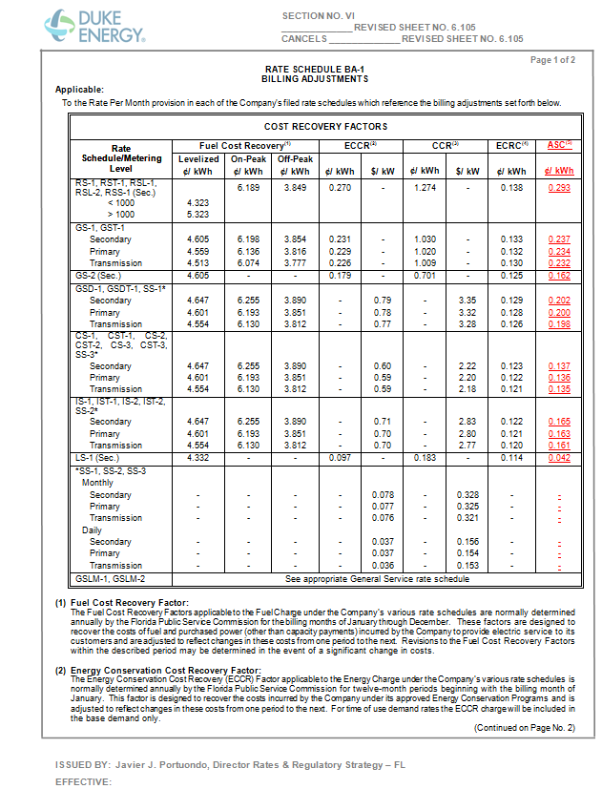

MO-6A pg 2
Docket No. 150171
Witness: Olivier
Exhibit No. _____ (MO-6A)
Proposed Tariff Sheets
Page 2 of 2

