Additional Support
OPC 010056
FPL RC-16

 | Decommissioning Study
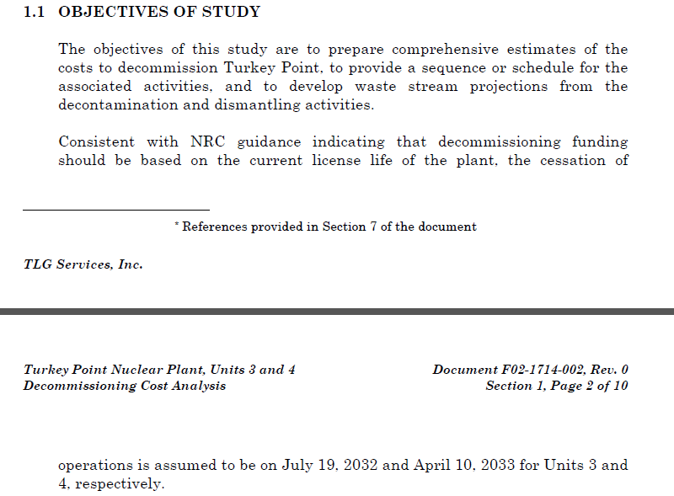

 |  |  | PTP Unit 4
 |  |  | LICENSE ENDS | 2033-04-10
 |  |  | Month of Calculation | 2016-12-31
 |  |  | Months Remaining | 195.5

 |  | BU Email containing the EOL Inventory and Salvage values (refer to Turkey Point tab)

