Additional Support
OPC 010060
FPL RC-16

 | Decommissioning Study

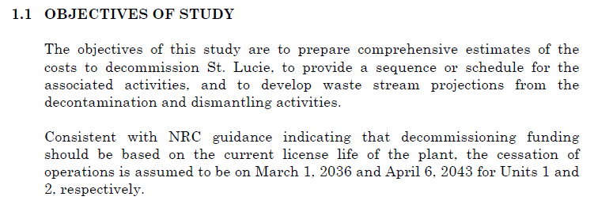

 |  | PSL Unit 1
 |  | LICENSE ENDS | 2036-03-01
 |  | Month of Calculation | 2016-12-31
 |  | Months Remaining | 230.5

 |  | PSL Unit 2
 |  | LICENSE ENDS | 2043-04-06
 |  | Month of Calculation | 2016-12-31
 |  | Months Remaining | 315.5

 | BU Email stating the Last Core Values

