Additional Support
OPC 010064
FPL RC-16
 | Decommissioning Study
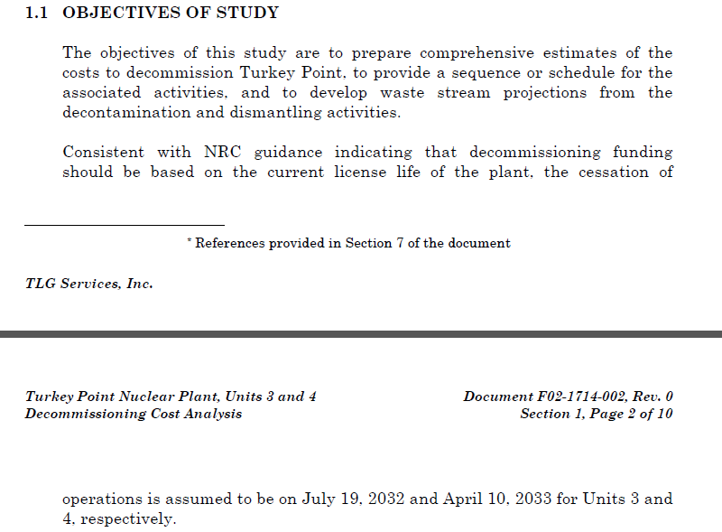

 |  |  | PTP Unit 3
 |  |  | LICENSE ENDS | 2032-07-19
 |  |  | Month of Calculation | 2016-12-31
 |  |  | Months Remaining | 186.5
 |  |  | Years | 15.5

 |  |  | PTP Unit 4
 |  |  | LICENSE ENDS | 2033-04-10
 |  |  | Month of Calculation | 2016-12-31
 |  |  | Months Remaining | 195.5

 |  | BU Email stating the Last Core Values

