PIS and Depr Calc
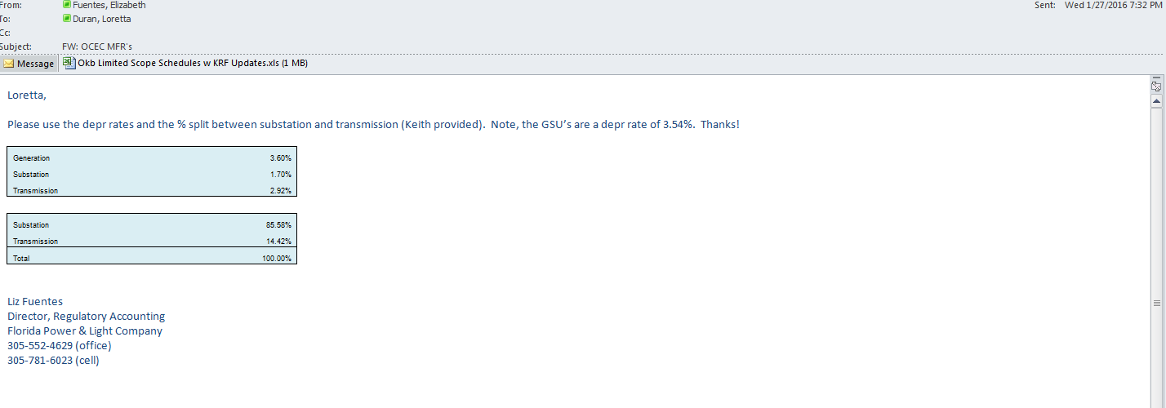
OPC 030350
FPL RC-16
OKB Plant in Service Calculation | Beginning Balance | Jun-19 | Jul-19 | Aug-19 | Sep-19 | Oct-19 | Nov-19 | Dec-19 | Jan-20 | Feb-20 | Mar-20 | Apr-20 | May-20
Months in Service

Book Depreciable Plant in Service - Beg Bal.
Okeechobee Limited Scope - Generation | 1,126,402 | 1,147,173 | 1,147,173 | 1,147,173 | 1,147,173 | 1,147,173 | 1,147,173 | 1,147,173 | 1,147,173 | 1,147,173 | 1,147,173 | 1,147,173 | 1,147,173
Plant Account Total |  | 1,147,173 | 1,147,173 | 1,147,173 | 1,147,173 | 1,147,173 | 1,147,173 | 1,147,173 | 1,147,173 | 1,147,173 | 1,147,173 | 1,147,173 | 1,147,173

Non-Depreciable Plant in Service - Beg. Bal.
Okeechobee Limited Scope - Generation
Plant Account Total

Total Plant in Service - Beg. Bal.
Okeechobee Limited Scope - Generation |  | 1,147,173 | 1,147,173 | 1,147,173 | 1,147,173 | 1,147,173 | 1,147,173 | 1,147,173 | 1,147,173 | 1,147,173 | 1,147,173 | 1,147,173 | 1,147,173
Plant Account Total |  | 1,147,173 | 1,147,173 | 1,147,173 | 1,147,173 | 1,147,173 | 1,147,173 | 1,147,173 | 1,147,173 | 1,147,173 | 1,147,173 | 1,147,173 | 1,147,173

Accumulated Depreciation - Beg. Bal.
Okeechobee Limited Scope - Generation |  | 3,460.64 | 6,921.28 | 10,381.91 | 13,842.55 | 17,303.19 | 20,763.83 | 24,224.47 | 27,685.11 | 31,145.74 | 34,606.38 | 38,067.02 | 41,527.66
Plant Account Total |  | 3,460.64 | 6,921.28 | 10,381.91 | 13,842.55 | 17,303.19 | 20,763.83 | 24,224.47 | 27,685.11 | 31,145.74 | 34,606.38 | 38,067.02 | 41,527.66

Net Plant in Service - Beg. Bal.
Okeechobee Limited Scope - Generation |  | 1,143,712 | 1,140,252 | 1,136,791 | 1,133,330 | 1,129,870 | 1,126,409 | 1,122,948 | 1,119,488 | 1,116,027 | 1,112,567 | 1,109,106 | 1,105,645
Plant Account Total |  | 1,143,712 | 1,140,252 | 1,136,791 | 1,133,330 | 1,129,870 | 1,126,409 | 1,122,948 | 1,119,488 | 1,116,027 | 1,112,567 | 1,109,106 | 1,105,645

Book Depreciable Plant in Service - Beg Bal. |  | 56,975,570 | 57,026,055
Okeechobee Limited Scope - Transmission | 56,900 | 56,976 | 57,026 | 57,026 | 57,026 | 57,026 | 57,026 | 57,026 | 57,026 | 57,026 | 57,026 | 57,026 | 57,026
Plant Account Total |  | 56,976 | 57,026 | 57,026 | 57,026 | 57,026 | 57,026 | 57,026 | 57,026 | 57,026 | 57,026 | 57,026 | 57,026

Non-Depreciable Plant in Service - Beg. Bal.
Okeechobee Limited Scope - Transmission
Plant Account Total

Total Plant in Service - Beg. Bal.
Okeechobee Limited Scope - Transmission |  | 56,976 | 57,026 | 57,026 | 57,026 | 57,026 | 57,026 | 57,026 | 57,026 | 57,026 | 57,026 | 57,026 | 57,026
Plant Account Total |  | 56,976 | 57,026 | 57,026 | 57,026 | 57,026 | 57,026 | 57,026 | 57,026 | 57,026 | 57,026 | 57,026 | 57,026

Accumulated Depreciation - Beg. Bal.
Okeechobee Limited Scope - Transmission |  | 89.00 | 178.08 | 267.16 | 356.24 | 445.31 | 534.39 | 623.47 | 712.55 | 801.63 | 890.71 | 979.79 | 1,068.86
Plant Account Total |  | 89.00 | 178.08 | 267.16 | 356.24 | 445.31 | 534.39 | 623.47 | 712.55 | 801.63 | 890.71 | 979.79 | 1,068.86

Net Plant in Service - Beg. Bal.
Okeechobee Limited Scope - Transmission |  | 56,887 | 56,848 | 56,759 | 56,670 | 56,581 | 56,492 | 56,403 | 56,314 | 56,224 | 56,135 | 56,046 | 55,957
Plant Account Total |  | 56,887 | 56,848 | 56,759 | 56,670 | 56,581 | 56,492 | 56,403 | 56,314 | 56,224 | 56,135 | 56,046 | 55,957

Book Depreciable Plant in Service - Beg Bal.
Okeechobee Limited Scope - GSUs |  | 25,460 | 25,460 | 25,460 | 25,460 | 25,460 | 25,460 | 25,460 | 25,460 | 25,460 | 25,460 | 25,460 | 25,460
Plant Account Total |  | 25,460 | 25,460 | 25,460 | 25,460 | 25,460 | 25,460 | 25,460 | 25,460 | 25,460 | 25,460 | 25,460 | 25,460

Non-Depreciable Plant in Service - Beg. Bal.
Okeechobee Limited Scope - Transmission
Plant Account Total

Total Plant in Service - Beg. Bal.
Okeechobee Limited Scope - GSUs |  | 25,460 | 25,460 | 25,460 | 25,460 | 25,460 | 25,460 | 25,460 | 25,460 | 25,460 | 25,460 | 25,460 | 25,460
Plant Account Total |  | 25,460 | 25,460 | 25,460 | 25,460 | 25,460 | 25,460 | 25,460 | 25,460 | 25,460 | 25,460 | 25,460 | 25,460

Accumulated Depreciation - Beg. Bal.
Okeechobee Limited Scope - GSUs |  | 74.47 | 148.94 | 223.41 | 297.88 | 372.35 | 446.82 | 521.29 | 595.77 | 670.24 | 744.71 | 819.18 | 893.65
Plant Account Total |  | 74.47 | 148.94 | 223.41 | 297.88 | 372.35 | 446.82 | 521.29 | 595.77 | 670.24 | 744.71 | 819.18 | 893.65

Net Plant in Service - Beg. Bal.
Okeechobee Limited Scope - GSUs |  | 25,386 | 25,311 | 25,237 | 25,162 | 25,088 | 25,013 | 24,939 | 24,864 | 24,790 | 24,715 | 24,641 | 24,566
Plant Account Total |  | 25,386 | 25,311 | 25,237 | 25,162 | 25,088 | 25,013 | 24,939 | 24,864 | 24,790 | 24,715 | 24,641 | 24,566

Book Depreciable Plant in Service - Beg Bal.
Okeechobee Limited Scope |  | 1,229,609 | 1,229,659 | 1,229,659 | 1,229,659 | 1,229,659 | 1,229,659 | 1,229,659 | 1,229,659 | 1,229,659 | 1,229,659 | 1,229,659 | 1,229,659
Plant Account Total |  | 1,229,609 | 1,229,659 | 1,229,659 | 1,229,659 | 1,229,659 | 1,229,659 | 1,229,659 | 1,229,659 | 1,229,659 | 1,229,659 | 1,229,659 | 1,229,659

Non-Depreciable Plant in Service - Beg. Bal.
Okeechobee Limited Scope
Plant Account Total

Total Plant in Service - Beg. Bal.
Okeechobee Limited Scope |  | 1,229,609 | 1,229,659 | 1,229,659 | 1,229,659 | 1,229,659 | 1,229,659 | 1,229,659 | 1,229,659 | 1,229,659 | 1,229,659 | 1,229,659 | 1,229,659
Plant Account Total |  | 1,229,609 | 1,229,659 | 1,229,659 | 1,229,659 | 1,229,659 | 1,229,659 | 1,229,659 | 1,229,659 | 1,229,659 | 1,229,659 | 1,229,659 | 1,229,659

Accumulated Depreciation - Beg. Bal.
Okeechobee Limited Scope |  | 3,624 | 7,248 | 10,872 | 14,497 | 18,121 | 21,745 | 25,369 | 28,993 | 32,618 | 36,242 | 39,866 | 43,490
Plant Account Total |  | 3,624 | 7,248 | 10,872 | 14,497 | 18,121 | 21,745 | 25,369 | 28,993 | 32,618 | 36,242 | 39,866 | 43,490

Net Plant in Service - Beg. Bal.
Okeechobee Limited Scope |  | 1,225,984 | 1,222,411 | 1,218,787 | 1,215,162 | 1,211,538 | 1,207,914 | 1,204,290 | 1,200,666 | 1,197,041 | 1,193,417 | 1,189,793 | 1,186,169
Plant Account Total |  | 1,225,984 | 1,222,411 | 1,218,787 | 1,215,162 | 1,211,538 | 1,207,914 | 1,204,290 | 1,200,666 | 1,197,041 | 1,193,417 | 1,189,793 | 1,186,169

Generation |  | 3.62%
Substation |  | 1.70%
Transmission |  | 2.91%
GSU's |  | 3.51%

Substation |  | 85.58%
Transmission |  | 14.42%
Total |  | 100.00%

