Feb 2004
OPC 025357
FPL RC-16

2004 | 17,424,675 | 2.08 | 17,425,211 | 2.07
2005 | 17,760,000 | 1.92 | 17,760,000 | 1.92
2006 | 18,091,745 | 1.87 | 18,091,716 | 1.87
2007 | 18,421,410 | 1.82 | 18,421,420 | 1.82
2008 | 18,750,000 | 1.78 | 18,749,914 | 1.78
2009 | 19,074,076 | 1.73 | 19,074,139 | 1.73
2010 | 19,397,400 | 1.7 | 19,397,400 | 1.69
2011 | 19,719,418 | 1.66 | 19,719,444 | 1.66
2012 | 20,039,967 | 1.63 | 20,039,991 | 1.63
2013 | 20,360,353 | 1.6 | 20,360,371 | 1.6
2014 | 20,680,821 | 1.57 | 20,680,835 | 1.57
2015 | 21,000,800 | 1.55 | 21,000,800 | 1.55

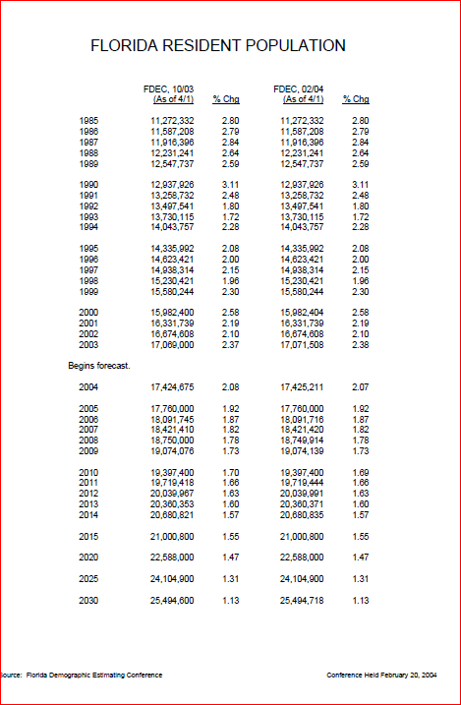

Feb 2005
OPC 025358
FPL RC-16

2004 | 17,512,300 | 2.58 | 17,516,732 | 2.61
2005 | 17,872,296 | 2.06 | 17,872,300 | 2.03
2006 | 18,233,075 | 2.02 | 18,233,077 | 2.02
2007 | 18,598,195 | 2 | 18,598,195 | 2
2008 | 18,958,795 | 1.94 | 18,958,795 | 1.94
2009 | 19,308,240 | 1.84 | 19,308,240 | 1.84
2010 | 19,655,095 | 1.8 | 19,655,100 | 1.8
2011 | 19,993,176 | 1.72 | 19,993,176 | 1.72
2012 | 20,320,187 | 1.64 | 20,320,187 | 1.64
2013 | 20,640,921 | 1.58 | 20,640,921 | 1.58
2014 | 20,960,778 | 1.55 | 20,960,778 | 1.55
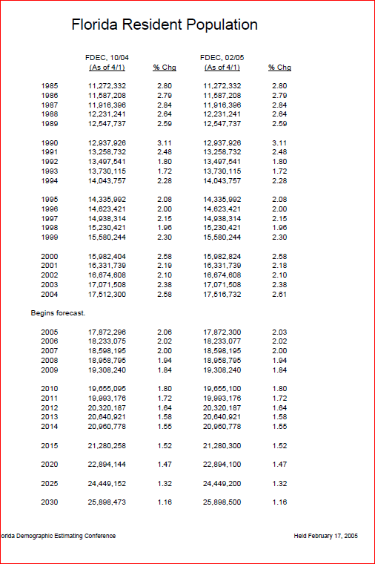
2015 | 21,280,258 | 1.52 | 21,280,300 | 1.52

Feb 2006
OPC 025359
FPL RC-16

2004 | 17,516,732 | 2.61% | 17,516,732 | 2.61%
2005 | 17,912,715 | 2.26% | 17,918,227 | 2.29%
2006 | 18,324,451 | 2.30% | 18,324,606 | 2.27%
2007 | 18,737,889 | 2.26% | 18,737,766 | 2.25%
2008 | 19,139,994 | 2.15% | 19,139,961 | 2.15%
2009 | 19,532,514 | 2.05% | 19,532,570 | 2.05%
2010 | 19,920,344 | 1.99% | 19,920,344 | 1.99%
2011 | 20,303,240 | 1.92% | 20,303,189 | 1.92%
2012 | 20,678,325 | 1.85% | 20,678,338 | 1.85%
2013 | 21,047,539 | 1.79% | 21,047,539 | 1.79%
2014 | 21,411,003 | 1.73% | 21,410,966 | 1.73%
2015 | 21,767,506 | 1.67% | 21,767,506 | 1.67%
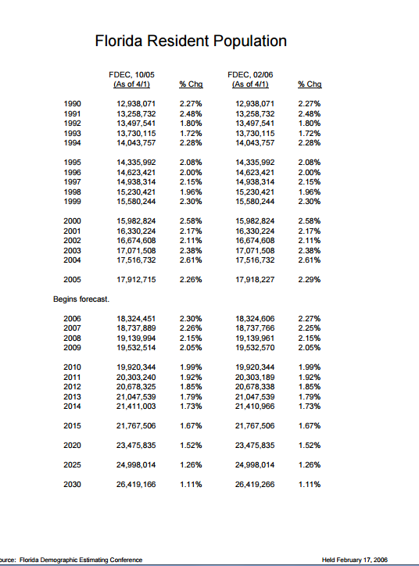

Feb 2007
OPC 025360
FPL RC-16

2004 | 17,516,732 | 2.61% | 17,516,732 | 2.61%
2005 | 17,918,227 | 2.29% | 17,918,227 | 2.29%
2006 | 18,348,624 | 2.40% | 18,349,132 | 2.40%
2007 | 18,747,953 | 2.18% | 18,729,350 | 2.07%
2008 | 19,149,687 | 2.14% | 19,132,888 | 2.15%
2009 | 19,562,501 | 2.16% | 19,563,430 | 2.25%
2010 | 19,974,199 | 2.10% | 19,974,199 | 2.10%
2011 | 20,366,731 | 1.97% | 20,365,996 | 1.96%
2012 | 20,743,909 | 1.85% | 20,742,469 | 1.85%
2013 | 21,112,676 | 1.78% | 21,110,751 | 1.78%
2014 | 21,474,839 | 1.72% | 21,473,421 | 1.72%
2015 | 21,831,512 | 1.66% | 21,831,512 | 1.67%
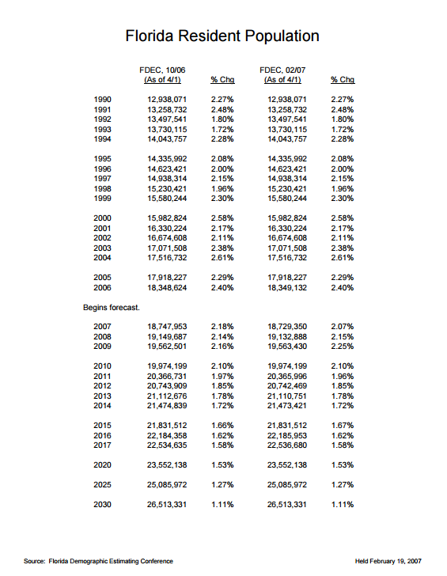
2016 | 22,184,358 | 1.62% | 22,185,953 | 1.62%
2017 | 22,534,635 | 1.58% | 22,536,680 | 1.58%

July 2008
OPC 025361
FPL RC-16

2004 | 17,516,732 | 2.61% | 445,224 | 17,516,732 | 2.61% | 445,224
2005 | 17,918,227 | 2.29% | 401,495 | 17,918,227 | 2.29% | 401,495
2006 | 18,349,132 | 2.40% | 430,905 | 18,349,132 | 2.40% | 430,905
2007 | 18,680,367 | 1.81% | 331,235 | 18,680,367 | 1.81% | 331,235
2008 | 18,851,975 | 0.92% | 171,608 | 18,802,823 | 0.66% | 122,456
2009 | 19,058,404 | 1.10% | 206,429 | 18,926,619 | 0.66% | 123,796
2010 | 19,308,069 | 1.31% | 249,665 | 19,129,706 | 1.07% | 203,087
2011 | 19,632,445 | 1.68% | 324,376 | 19,422,163 | 1.53% | 292,457
2012 | 19,976,994 | 1.75% | 344,549 | 19,735,673 | 1.61% | 313,510
2013 | 20,312,447 | 1.68% | 335,452 | 20,045,549 | 1.57% | 309,876
2014 | 20,637,535 | 1.60% | 325,088 | 20,350,499 | 1.52% | 304,950
2015 | 20,955,853 | 1.54% | 318,318 | 20,652,958 | 1.49% | 302,459
2016 | 21,266,839 | 1.48% | 310,987 | 20,952,197 | 1.45% | 299,239
2017 | 21,574,348 | 1.45% | 307,509 | 21,249,668 | 1.42% | 297,471
2018 | 21,878,443 | 1.41% | 304,095 | 21,544,061 | 1.39% | 294,393
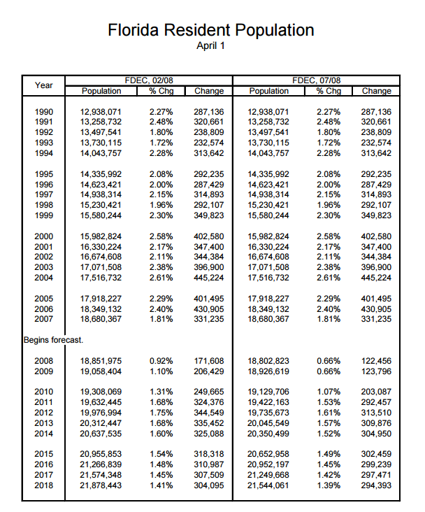

Feb 2009
OPC 025362
FPL RC-16

2004 | 17,516,732 | 2.61% | 445,224 | 17,516,732 | 2.61% | 445,224
2005 | 17,918,227 | 2.29% | 401,495 | 17,918,227 | 2.29% | 401,495
2006 | 18,349,132 | 2.40% | 430,905 | 18,349,132 | 2.40% | 430,905
2007 | 18,680,367 | 1.81% | 331,235 | 18,680,367 | 1.81% | 331,235
2008 | 18,807,102 | 0.68% | 126,735 | 18,807,219 | 0.68% | 126,852
2009 | 18,881,788 | 0.40% | 74,686 | 18,807,219 | 0.00% | 0
2010 | 18,979,698 | 0.52% | 97,910 | 18,881,445 | 0.39% | 74,226
2011 | 19,212,055 | 1.22% | 232,357 | 18,953,150 | 0.38% | 71,705
2012 | 19,528,143 | 1.65% | 316,088 | 19,109,975 | 0.83% | 156,825
2013 | 19,849,125 | 1.64% | 320,982 | 19,393,555 | 1.48% | 283,580
2014 | 20,156,092 | 1.55% | 306,967 | 19,717,675 | 1.67% | 324,120
2015 | 20,455,308 | 1.48% | 299,216 | 20,055,865 | 1.72% | 338,190
2016 | 20,755,429 | 1.47% | 300,121 | 20,342,664 | 1.43% | 286,799
2017 | 21,055,695 | 1.45% | 300,266 | 20,615,256 | 1.34% | 272,592
2018 | 21,356,070 | 1.43% | 300,375 | 20,883,254 | 1.30% | 267,998
2019 | 21,655,698 | 1.40% | 299,628 | 21,150,560 | 1.28% | 267,306

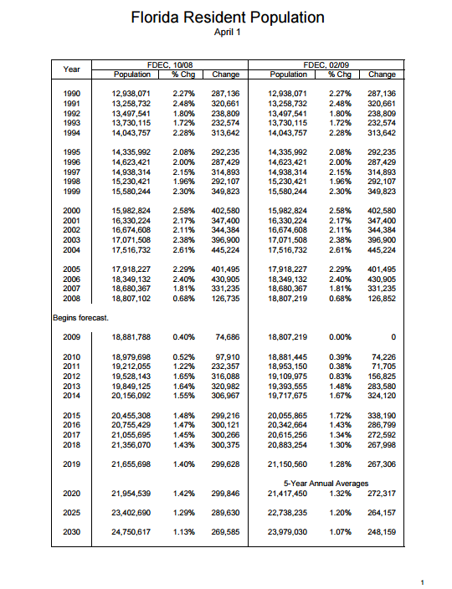

Jan 2010
OPC 025363
FPL RC-16

2004 | 17,516,732 | 2.61% | 445,224 | 17,516,732 | 2.61% | 445,224
2005 | 17,918,227 | 2.29% | 401,495 | 17,918,227 | 2.29% | 401,495
2006 | 18,349,132 | 2.40% | 430,905 | 18,349,132 | 2.40% | 430,905
2007 | 18,680,367 | 1.81% | 331,235 | 18,680,367 | 1.81% | 331,235
2008 | 18,807,219 | 0.68% | 126,852 | 18,807,219 | 0.68% | 126,852
2009 | 18,750,014 | -0.30% | -57,205 | 18,750,483 | -0.30% | -56,736
2010 | 18,746,060 | -0.02% | -3,954 | 18,773,356 | 0.12% | 22,873
2011 | 18,812,316 | 0.35% | 66,256 | 18,850,848 | 0.41% | 77,492
2012 | 18,961,072 | 0.79% | 148,756 | 19,001,618 | 0.80% | 150,770
2013 | 19,232,268 | 1.43% | 271,196 | 19,271,763 | 1.42% | 270,145
2014 | 19,546,176 | 1.63% | 313,908 | 19,586,198 | 1.63% | 314,435
2015 | 19,855,725 | 1.58% | 309,549 | 19,881,177 | 1.51% | 294,979
2016 | 20,148,965 | 1.48% | 293,240 | 20,163,500 | 1.42% | 282,323
2017 | 20,427,884 | 1.38% | 278,919 | 20,440,157 | 1.37% | 276,657
2018 | 20,696,939 | 1.32% | 269,055 | 20,711,395 | 1.33% | 271,238
2019 | 20,960,588 | 1.27% | 263,649 | 20,979,733 | 1.30% | 268,338
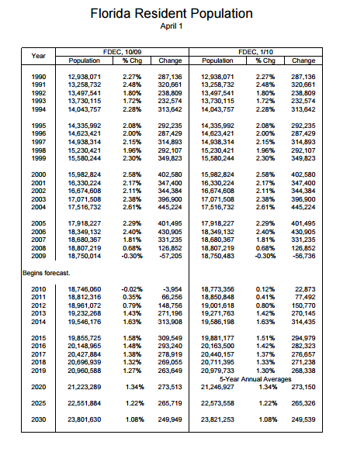

July 2011
OPC 025364
FPL RC-16

2004 | 17,516,732 | 2.61% | 445,224 | 17,378,150 | 2.22% | 377,338 | 17,374,824 | 2.33% | 395,118
2005 | 17,918,227 | 2.29% | 401,495 | 17,768,289 | 2.24% | 390,139 | 17,778,156 | 2.32% | 403,332
2006 | 18,349,132 | 2.40% | 430,905 | 18,168,964 | 2.26% | 400,675 | 18,154,475 | 2.12% | 376,319
2007 | 18,680,367 | 1.81% | 331,235 | 18,436,174 | 1.47% | 267,210 | 18,446,768 | 1.61% | 292,293
2008 | 18,807,219 | 0.68% | 126,852 | 18,579,976 | 0.78% | 143,802 | 18,613,905 | 0.91% | 167,137
2009 | 18,750,483 | -0.30% | -56,736 | 18,690,898 | 0.60% | 110,922 | 18,687,425 | 0.39% | 73,520
2010 | 18,772,352 | 0.12% | 21,869 | 18,801,310 | 0.59% | 110,412 | 18,801,310 | 0.61% | 113,885
2011 | 18,863,859 | 0.49% | 91,507 | 18,920,975 | 0.64% | 119,665 | 18,920,975 | 0.64% | 119,665
2012 | 19,012,578 | 0.79% | 148,719 | 19,073,170 | 0.80% | 152,195 | 19,073,170 | 0.80% | 152,195
2013 | 19,276,995 | 1.39% | 264,417 | 19,340,145 | 1.40% | 266,975 | 19,340,145 | 1.40% | 266,975
2014 | 19,586,377 | 1.60% | 309,382 | 19,656,210 | 1.63% | 316,065 | 19,656,210 | 1.63% | 316,065
2015 | 19,890,987 | 1.56% | 304,610 | 19,974,415 | 1.62% | 318,205 | 19,974,415 | 1.62% | 318,205
2016 | 20,180,412 | 1.46% | 289,425 | 20,274,309 | 1.50% | 299,894 | 20,274,309 | 1.50% | 299,894
2017 | 20,456,932 | 1.37% | 276,520 | 20,552,516 | 1.37% | 278,207 | 20,552,516 | 1.37% | 278,207
2018 | 20,724,542 | 1.31% | 267,610 | 20,816,013 | 1.28% | 263,497 | 20,816,013 | 1.28% | 263,497
2019 | 20,987,236 | 1.27% | 262,694 | 21,071,781 | 1.23% | 255,768 | 21,071,781 | 1.23% | 255,768

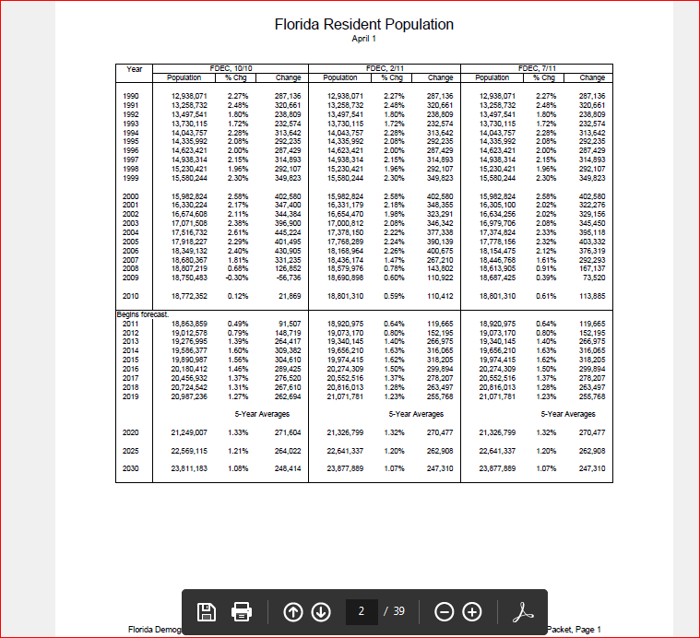

July 2012
OPC 025365
FPL RC-16

2004 | 17,374,824 | 2.33% | 395,118 | 17,374,824 | 2.33% | 395,118
2005 | 17,778,156 | 2.32% | 403,332 | 17,778,156 | 2.32% | 403,332
2006 | 18,154,475 | 2.12% | 376,319 | 18,154,475 | 2.12% | 376,319
2007 | 18,446,768 | 1.61% | 292,293 | 18,446,768 | 1.61% | 292,293
2008 | 18,613,905 | 0.91% | 167,137 | 18,613,905 | 0.91% | 167,137
2009 | 18,687,425 | 0.39% | 73,520 | 18,687,425 | 0.39% | 73,520
2010 | 18,801,310 | 0.61% | 113,885 | 18,801,310 | 0.61% | 113,885
2011 | 18,905,048 | 0.55% | 103,738 | 18,905,048 | 0.55% | 103,738
2012 | 19,009,544 | 0.55% | 104,496 | 19,073,710 | 0.89% | 168,662
2013 | 19,165,559 | 0.82% | 156,015 | 19,273,829 | 1.05% | 200,119
2014 | 19,389,912 | 1.17% | 224,353 | 19,497,274 | 1.16% | 223,445
2015 | 19,664,970 | 1.42% | 275,058 | 19,757,880 | 1.34% | 260,606
2016 | 19,962,819 | 1.51% | 297,849 | 20,036,735 | 1.41% | 278,855
2017 | 20,237,311 | 1.38% | 274,492 | 20,319,722 | 1.41% | 282,987
2018 | 20,497,735 | 1.29% | 260,424 | 20,600,524 | 1.38% | 280,802
2019 | 20,759,148 | 1.28% | 261,413 | 20,875,805 | 1.34% | 275,281

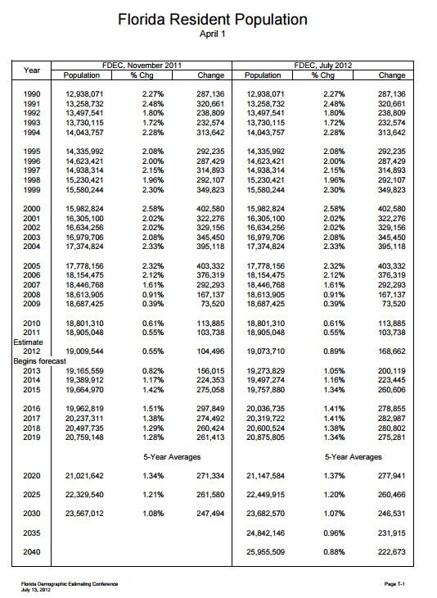

July 2013
OPC 025366
FPL RC-16

2004 | 17,374,824 | 2.33% | 395,118 | 17,374,824 | 2.33% | 395,118
2005 | 17,778,156 | 2.32% | 403,332 | 17,778,156 | 2.32% | 403,332
2006 | 18,154,475 | 2.12% | 376,319 | 18,154,475 | 2.12% | 376,319
2007 | 18,446,768 | 1.61% | 292,293 | 18,446,768 | 1.61% | 292,293
2008 | 18,613,905 | 0.91% | 167,137 | 18,613,905 | 0.91% | 167,137
2009 | 18,687,425 | 0.39% | 73,520 | 18,687,425 | 0.39% | 73,520
2010 | 18,801,332 | 0.61% | 113,885 | 18,801,332 | 0.61% | 113,907
2011 | 18,905,070 | 0.55% | 103,738 | 18,905,070 | 0.55% | 103,738
2012 | 19,074,434 | 0.90% | 169,364 | 19,074,434 | 0.90% | 169,364
2013 | 19,266,706 | 1.0% | 192272 | 19,261,633 | 1.0% | 187199
2014 | 19,490,068 | 1.2% | 223362 | 19,484,936 | 1.2% | 223303
2015 | 19,750,577 | 1.3% | 260509 | 19,745,376 | 1.3% | 260440
2016 | 20,029,328 | 1.4% | 278751 | 20,024,054 | 1.4% | 278678
2017 | 20,312,211 | 1.4% | 282883 | 20,306,863 | 1.4% | 282809
2018 | 20,592,545 | 1.4% | 280334 | 20,587,391 | 1.4% | 280528
2019 | 20,868,997 | 1.3% | 276452 | 20,864,297 | 1.4% | 276906
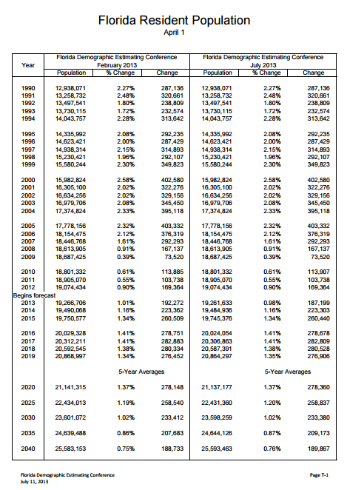

July 2014
OPC 025367
FPL RC-16

2004 | 17,374,824 | 2.33% | 395,118 | 17,374,824 | 2.33% | 395,118
2005 | 17,778,156 | 2.32% | 403,332 | 17,778,156 | 2.32% | 403,332
2006 | 18,154,475 | 2.12% | 376,319 | 18,154,475 | 2.12% | 376,319
2007 | 18,446,768 | 1.61% | 292,293 | 18,446,768 | 1.61% | 292,293
2008 | 18,613,905 | 0.91% | 167,137 | 18,613,905 | 0.91% | 167,137
2009 | 18,687,425 | 0.39% | 73,520 | 18,687,425 | 0.39% | 73,520
2010 | 18,801,332 | 0.61% | 113,885 | 18,801,332 | 0.61% | 113,907
2011 | 18,905,070 | 0.55% | 103,738 | 18,905,070 | 0.55% | 103,738
2012 | 19,074,434 | 0.90% | 169,364 | 19,074,434 | 0.90% | 169,364
2013 | 19,259,543 | 0.97% | 185,109 | 19,259,543 | 0.97% | 185,109
2014 | 19,485,270 | 0.0117 | 225727 | 19,503,841 | 0.0127 | 244298
2015 | 19,747,233 | 0.0134 | 261963 | 19,769,010 | 0.0136 | 265169
2016 | 20,027,214 | 0.0142 | 279981 | 20,051,547 | 0.0143 | 282537
2017 | 20,311,486 | 0.0142 | 284272 | 20,338,444 | 0.0143 | 286897
2018 | 20,593,490 | 0.0139 | 282004 | 20,622,557 | 0.014 | 284113
2019 | 20,873,474 | 0.0136 | 279984 | 20,905,243 | 0.0137 | 282686

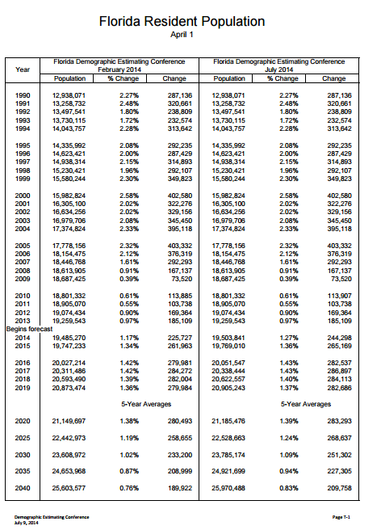

July 2015
OPC 025368
FPL RC-16

2004 | 17,374,824 | 2.33% | 395,118 | 17,374,824 | 2.33% | 395,118
2005 | 17,778,156 | 2.32% | 403,332 | 17,778,156 | 2.32% | 403,332
2006 | 18,154,475 | 2.12% | 376,319 | 18,154,475 | 2.12% | 376,319
2007 | 18,446,768 | 1.61% | 292,293 | 18,446,768 | 1.61% | 292,293
2008 | 18,613,905 | 0.91% | 167,137 | 18,613,905 | 0.91% | 167,137
2009 | 18,687,425 | 0.39% | 73,520 | 18,687,425 | 0.39% | 73,520
2010 | 18,801,332 | 0.61% | 113,885 | 18,801,332 | 0.61% | 113,907
2011 | 18,905,070 | 0.55% | 103,738 | 18,905,070 | 0.55% | 103,738
2012 | 19,074,434 | 0.90% | 169,364 | 19,074,434 | 0.90% | 169,364
2013 | 19,259,543 | 0.97% | 185,109 | 19,259,543 | 0.97% | 185,109
2014 | 19,507,369 | 1.29% | 247,826 | 19,507,369 | 1.29% | 247,826
2015 | 19,789,625 | 1.45% | 282,256 | 19,817,596 | 1.59% | 310,227
2016 | 20,075,695 | 1.45% | 286,070 | 20,127,723 | 1.56% | 310,127
2017 | 20,367,465 | 1.45% | 291,770 | 20,434,731 | 1.53% | 307,008
2018 | 20,658,700 | 1.43% | 291,235 | 20,738,328 | 1.49% | 303,597
2019 | 20,948,450 | 1.40% | 289,750 | 21,039,709 | 1.45% | 301,381

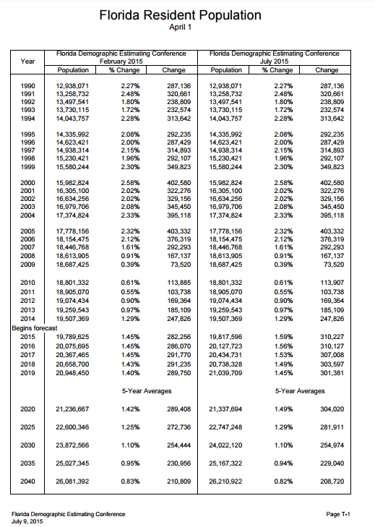

IHS Summary Table
OPC 025370
FPL RC-16

IHS ECONOMICS - US Regional Service
Dates in Column B represent the historical end dates of each series
FL | Released | Apr-05 | Apr-06 | Apr-07 | Apr-08 | Sep-09 | Jun-10 | Jun-11 | Jun-12 | Jun-13 | Jun-14 | Jun-15
Population (Thous.) |  | 6/05 Fcst | 6/06 Fcst | 6/07 Fcst | 6/08 Fcst | 6/09 Fcst | 6/10 Fcst | 6/11 Fcst | 6/12 Fcst | 6/13 Fcst | 6/14 Fcst | 6/15 Fcst | Forecast Variance
ACTUAL Thru |  | 2004:2 | 2005:2 | 2006Q2 | 2007Q2 | 2008Q2 | 2009Q2 | 2010Q1 | 2011Q2 | 2012Q2 | 2013Q2 | 2014Q2 | 6/05 Fcst | 6/06 Fcst | 6/07 Fcst | 6/08 Fcst | 6/09 Fcst | 6/10 Fcst | 6/11 Fcst | 6/12 Fcst | 6/13 Fcst | 6/14 Fcst
1990 | 13,071 | 13,071 | 13,071 | 13,071 | 13,071 | 13,071 | 13,071 | 13,071 | 13,071 | 13,071 | 13,071 | 13,071
1991 | 13,401 | 13,401 | 13,401 | 13,401 | 13,401 | 13,401 | 13,401 | 13,401 | 13,401 | 13,401 | 13,401 | 13,401
1992 | 13,684 | 13,684 | 13,684 | 13,684 | 13,684 | 13,684 | 13,684 | 13,684 | 13,684 | 13,684 | 13,684 | 13,684
1993 | 13,968 | 13,968 | 13,968 | 13,968 | 13,968 | 13,968 | 13,968 | 13,968 | 13,968 | 13,968 | 13,968 | 13,968
1994 | 14,275 | 14,275 | 14,275 | 14,275 | 14,275 | 14,275 | 14,275 | 14,275 | 14,275 | 14,275 | 14,275 | 14,275
1995 | 14,578 | 14,578 | 14,578 | 14,578 | 14,578 | 14,578 | 14,578 | 14,578 | 14,578 | 14,578 | 14,578 | 14,578
...
Average Forecast Variance
...
 |  |  |  |  |  |  |  |  |  |  |  |  |  |  |  |  |  |  |  |  |  |  |  | Global | EDR
 |  |  |  |  |  |  |  |  |  |  |  |  |  |  |  |  |  |  |  |  |  |  | 1 year | 0.40% | -0.45%
 |  |  |  |  |  |  |  |  |  |  |  |  |  |  |  |  |  |  |  |  |  |  | 2 year | 0.27% | -0.58%
 |  |  |  |  |  |  |  |  |  |  |  |  |  |  |  |  |  |  |  |  |  |  | 3 year | -0.08% | -1.07%
 |  |  |  |  |  |  |  |  |  |  |  |  |  |  |  |  |  |  |  |  |  |  | 4 year | -0.57% | -1.92%
 |  |  |  |  |  |  |  |  |  |  |  |  |  |  |  |  |  |  |  |  |  |  | 5 year | -1.13% | -3.03%
 |  |  |  |  |  |  |  |  |  |  |  |  |  |  |  |  |  |  |  |  |  |  | 6 year | -1.72% | -4.10%
 |  |  |  |  |  |  |  |  |  |  |  |  |  |  |  |  |  |  |  |  |  |  | 7 year | -2.66% | -5.46%
 |  |  |  |  |  |  |  |  |  |  |  |  |  |  |  |  |  |  |  |  |  |  | 8 year | -4.00% | -6.96%
 |  |  |  |  |  |  |  |  |  |  |  |  |  |  |  |  |  |  |  |  |  |  | 9 year | -5.18% | -8.27%
 |  |  |  |  |  |  |  |  |  |  |  |  |  |  |  |  |  |  |  |  |  |  | 10 year | -5.12% | -7.95%

 |  |  |  |  |  |  |  |  |  |  |  |  |  |  |  |  |  |  |  |  |  |  |  | Global | EDR
 |  |  |  |  |  |  |  |  |  |  |  |  |  |  |  |  |  |  |  |  |  |  | 1 year | 0.57% | 0.49%
 |  |  |  |  |  |  |  |  |  |  |  |  |  |  |  |  |  |  |  |  |  |  | 2 year | 0.85% | 0.71%
 |  |  |  |  |  |  |  |  |  |  |  |  |  |  |  |  |  |  |  |  |  |  | 3 year | 1.15% | 1.25%
Average Absolute Forecasting Variance
 |  |  |  |  |  |  |  |  |  |  |  |  |  |  |  |  |  |  |  |  |  |  | 4 year | 1.55% | 2.00%
 |  |  |  |  |  |  |  |  |  |  |  |  |  |  |  |  |  |  |  |  |  |  | 5 year | 2.03% | 3.03%
 |  |  |  |  |  |  |  |  |  |  |  |  |  |  |  |  |  |  |  |  |  |  | 6 year | 2.63% | 4.10%
 |  |  |  |  |  |  |  |  |  |  |  |  |  |  |  |  |  |  |  |  |  |  | 7 year | 3.20% | 5.46%
 |  |  |  |  |  |  |  |  |  |  |  |  |  |  |  |  |  |  |  |  |  |  | 8 year | 4.00% | 6.96%
 |  |  |  |  |  |  |  |  |  |  |  |  |  |  |  |  |  |  |  |  |  |  | 9 year | 5.18% | 8.27%
 |  |  |  |  |  |  |  |  |  |  |  |  |  |  |  |  |  |  |  |  |  |  | 10 year | 5.12% | 7.95%

standard deviation
...
Standard Deviation

 | EDR | IHS Global
2015 | 830,874 | 601,112
2016 | 707,437 | 481,093
2017 | 728,450 | 501,096
2018 | 313,416 | 230,464

Standard Deviation in Forecasts by Year

