Email Aug 2015
OPC 010185
FPL RC-16

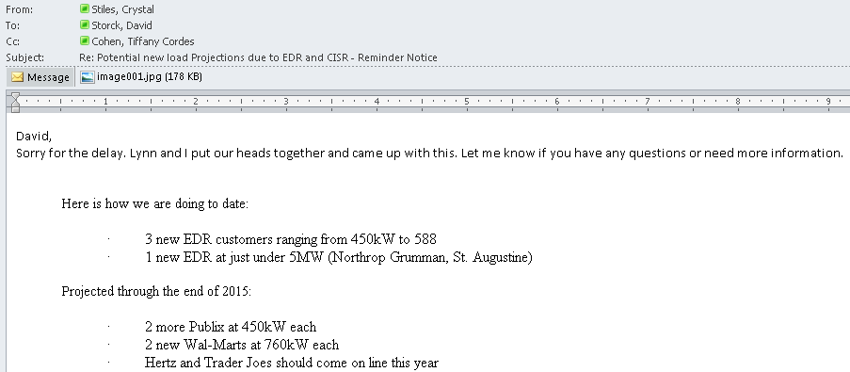
 | `

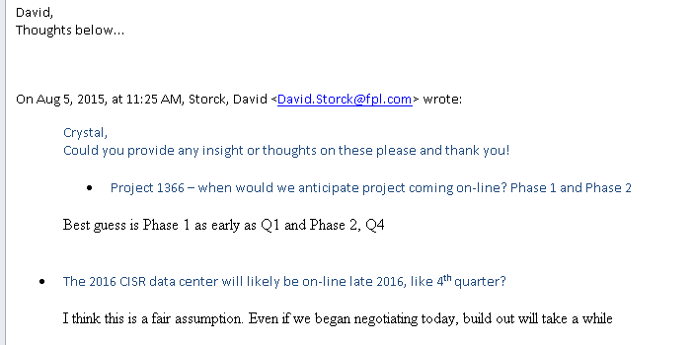

1st Clarification of CISR:

2nd Clarification of CISR:
