Exhibit DED-4 p2
 | Duke Energy | Tampa Electric Co. | Gulf Power | Florida Power & Light
2006 | 1.0408 | 1.0345 | 1.0501 | 1.0030
2007 | 1.0447 | 1.0237 | 0.9956 | 1.0064
2008 | 1.0607 | 1.0273 | 1.0247 | 1.0166
2009 | 0.8889 | 0.9839 | 0.9739 | 0.9624
2010 | 0.9049 | 0.9134 | 1.0156 | 0.9946
2011 | 0.9329 | 0.9586 | 0.9866 | 1.0064
2012 | 1.0388 | 1.0183 | 1.0192 | 0.9980
2013 | 1.0587 | 1.0219 | 1.0120 | 1.0014
2014 | 1.0128 | 0.9839 | 0.9267 | 0.9776
2015 | 1.0168 | 1.0345 | 0.9956 | 1.0335
2016 | 0.9948 | 0.9785 | 0.9993 | 0.9556
2017 | 1.0188 | 0.9785 | 0.9956 | 0.9454
2018 | 1.0208 | 0.9749 | 0.9956 | 0.9421
2019 | 1.0228 | 0.9712 | 0.9975 | 0.9370
2020 | 0.9968 | 0.9658 | 0.9975 | 0.9353
2021 | 1.0388 | 0.9658 | 1.0011 | 0.9336
2022 | 1.0368 | 0.9658 | 1.0029 | 0.9268
2023 | 1.0368 | 0.9586 | 1.0047 | 0.9234
2024 | 1.0268 | 0.9550 | 1.0047 | 0.9166
2025 | 1.0248 | 0.9586 | 1.0065 | 0.9099

Duke Energy
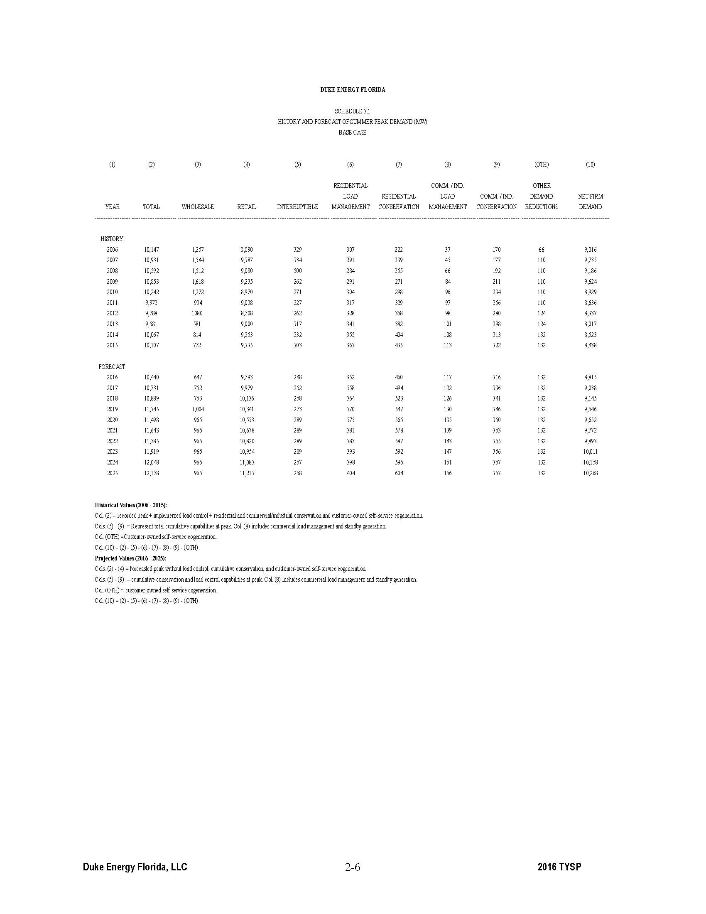
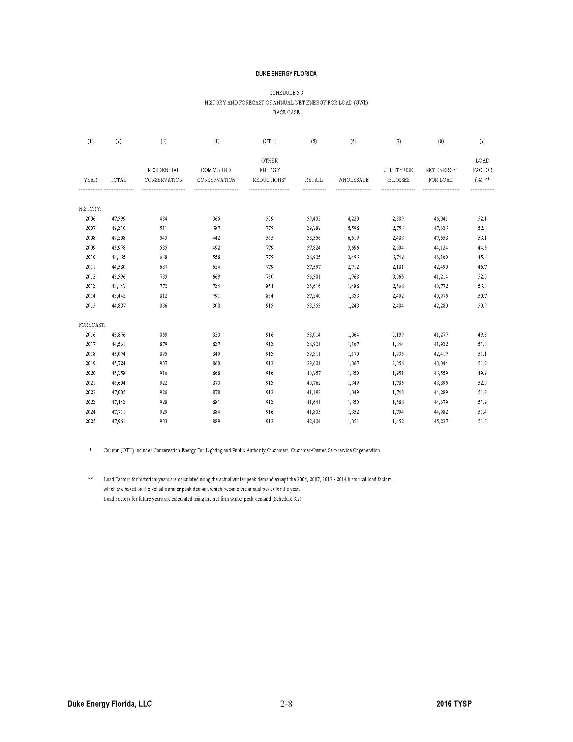

Tampa Electric Co.
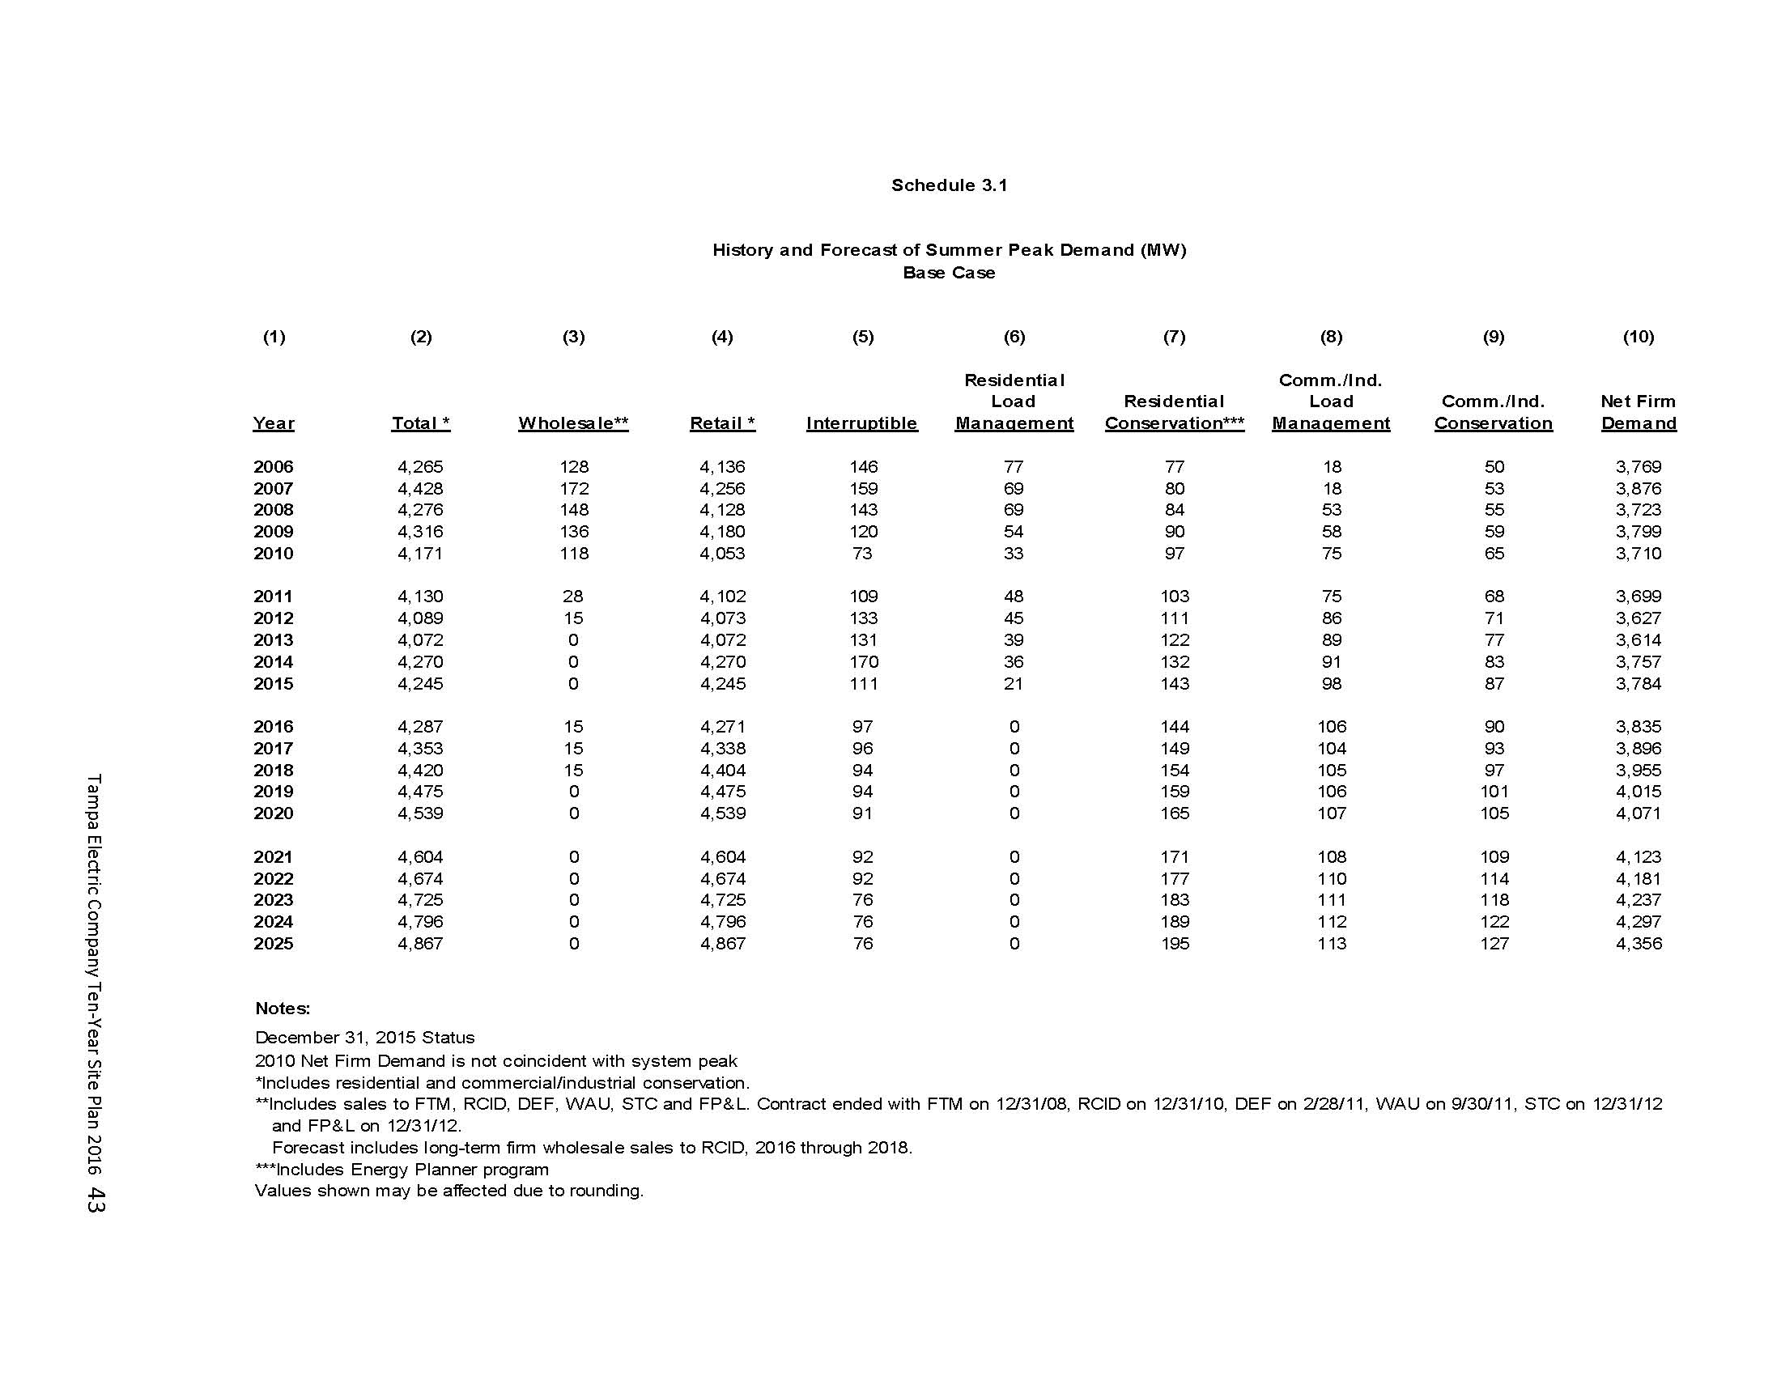
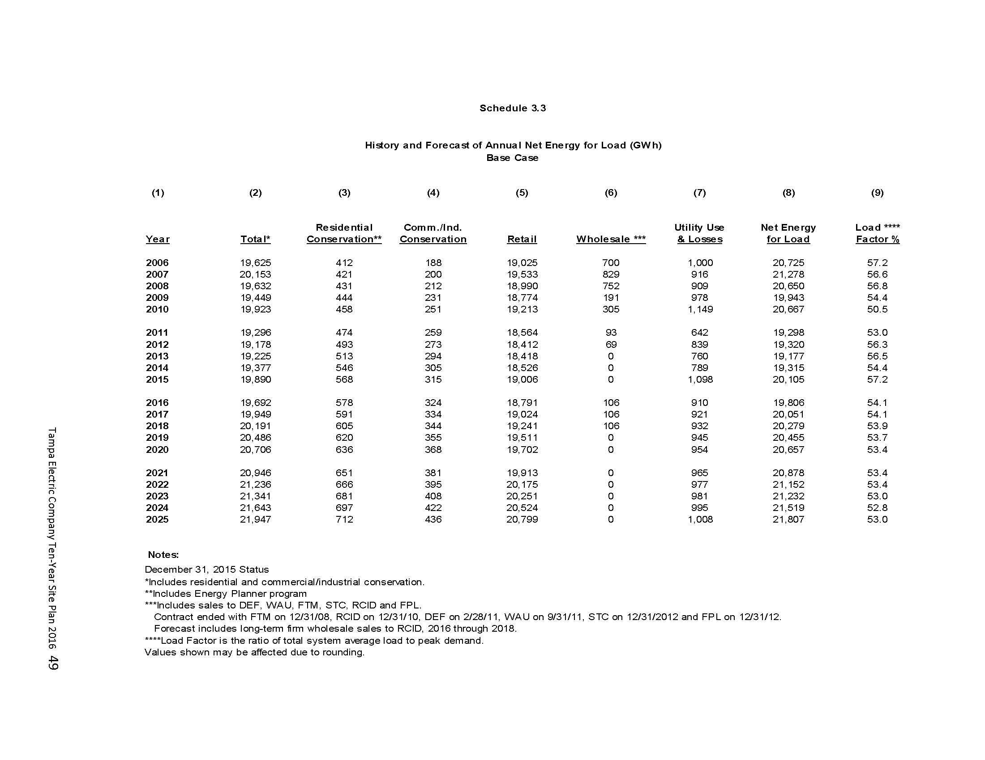

Gulf Power
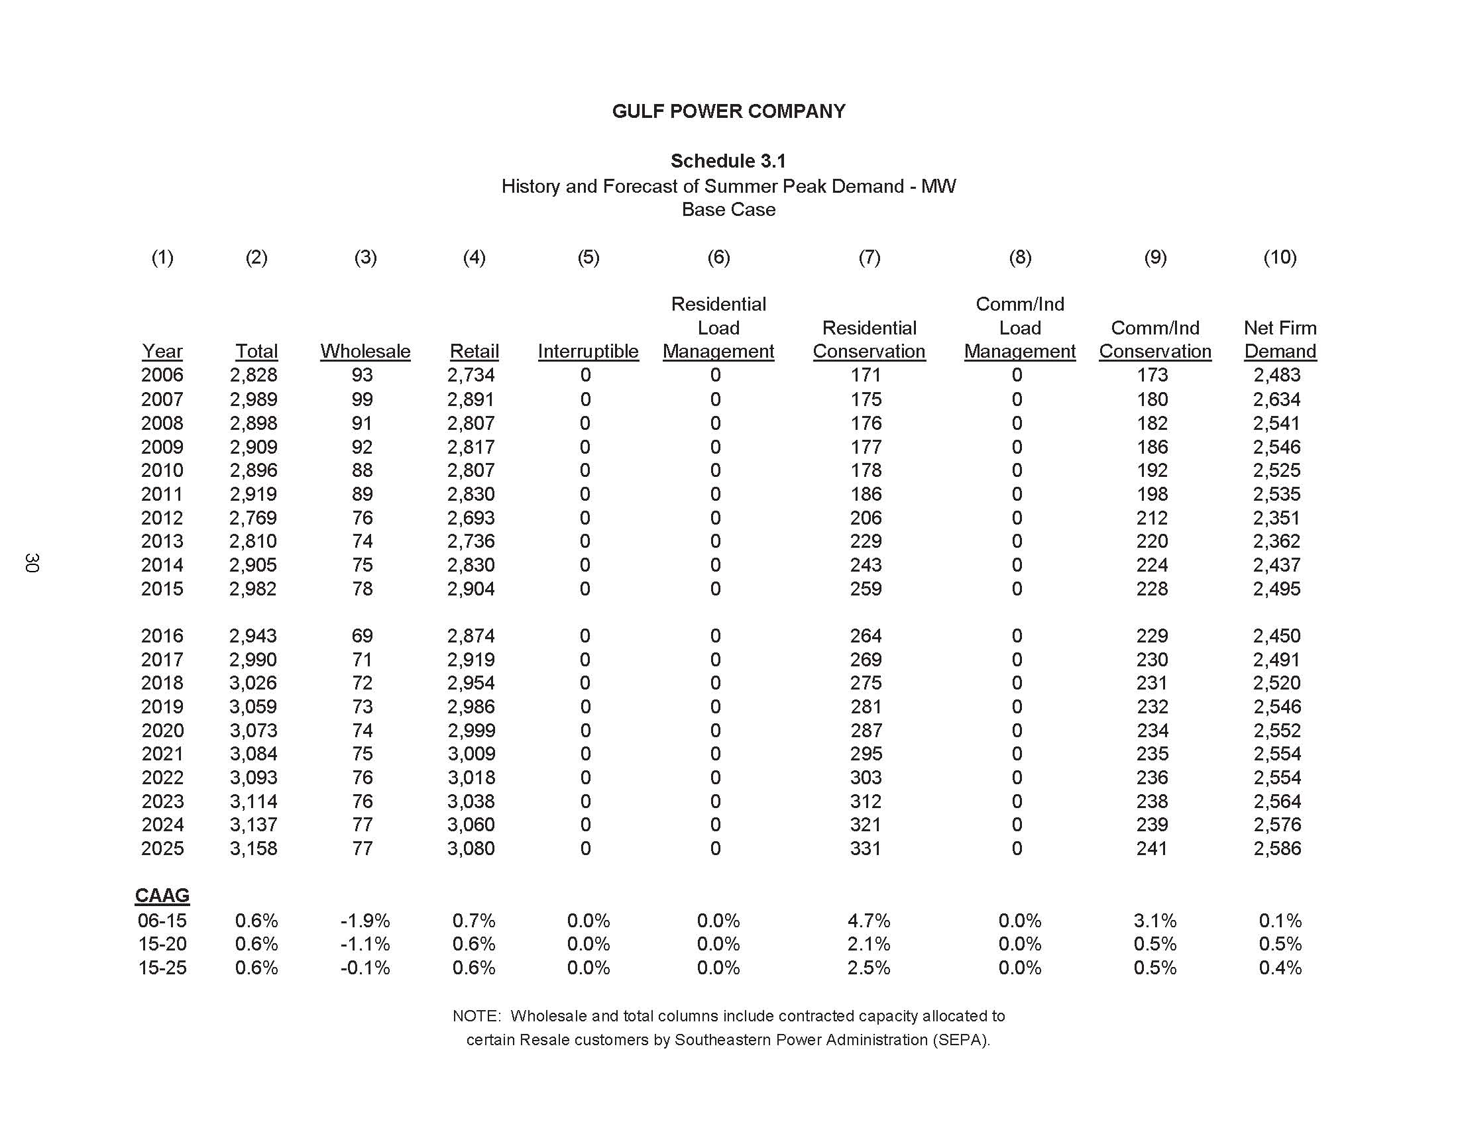
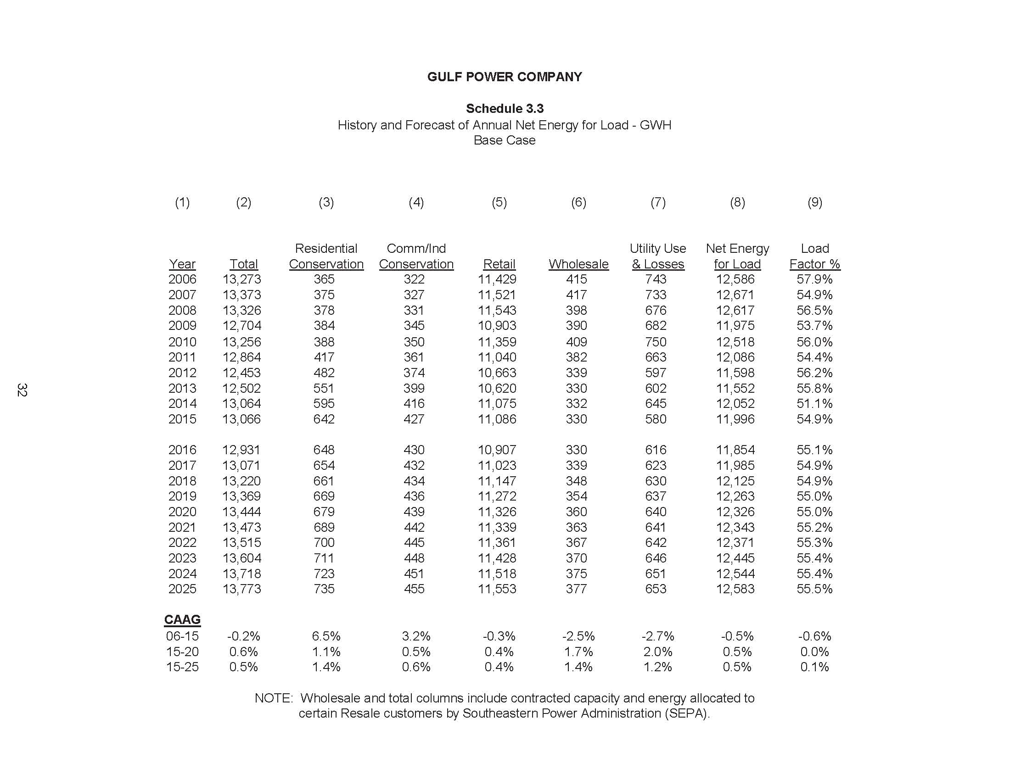

Florida Power and Light
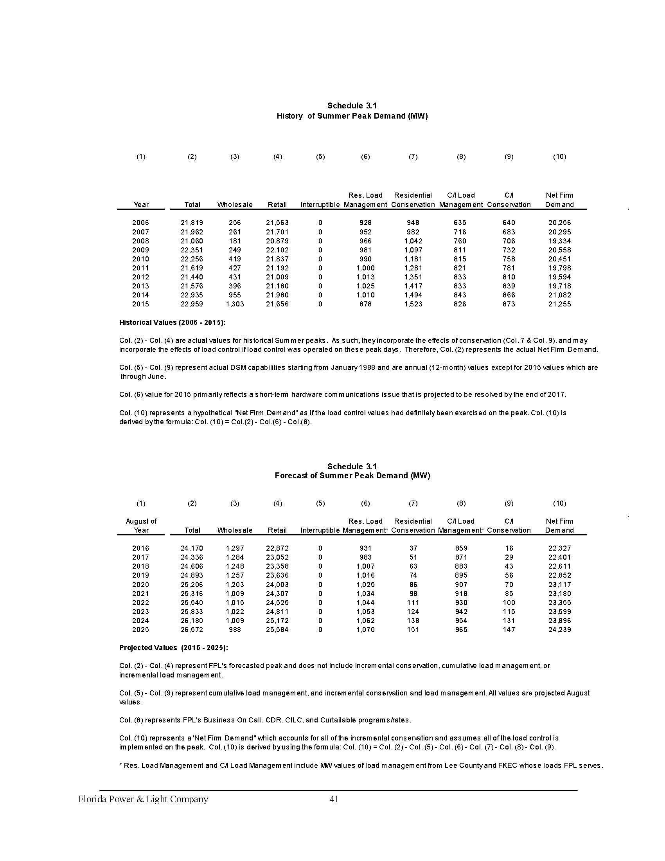
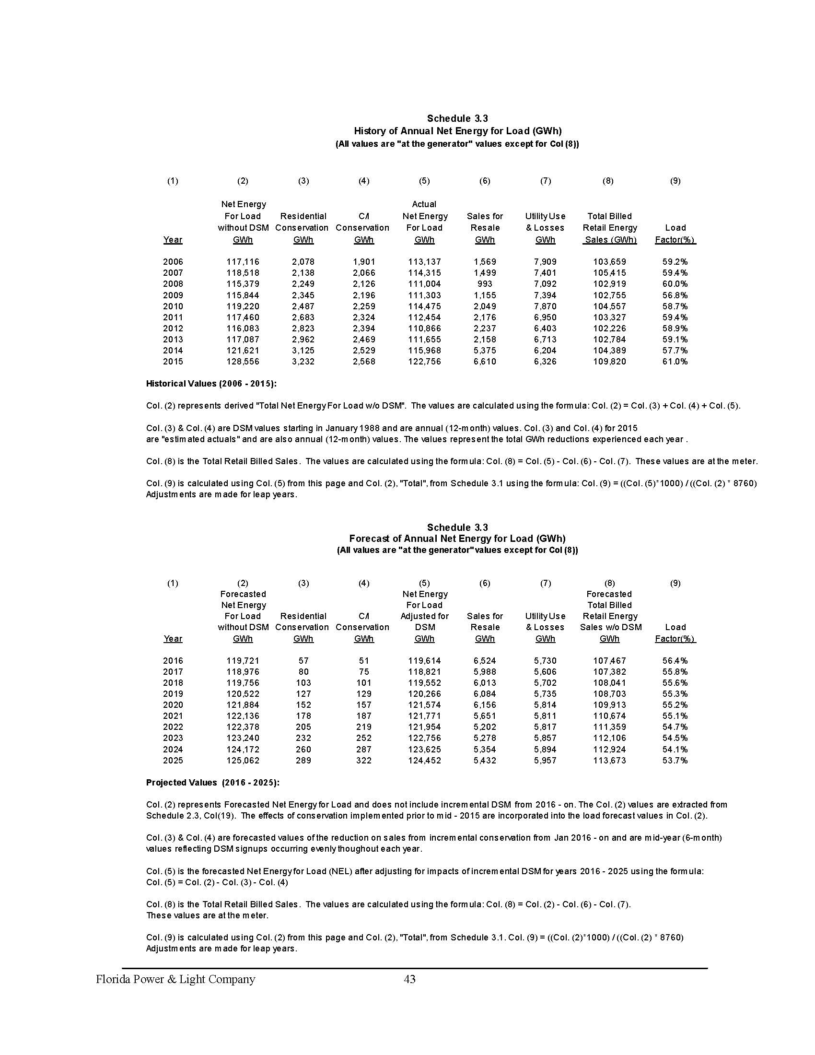

56.40%
55.80%
55.60%
55.30%
55.20%
55.10%
54.70%
54.50%
54.10%
53.70%

