2006 Support
FIPUG 000759
FPL RC-16

SUPPORT FOR 2006 MEDICAL EXPENSE

MFR C-35 Medical Expense for 2006 File in 2009 Rate Case: |  | 66,850

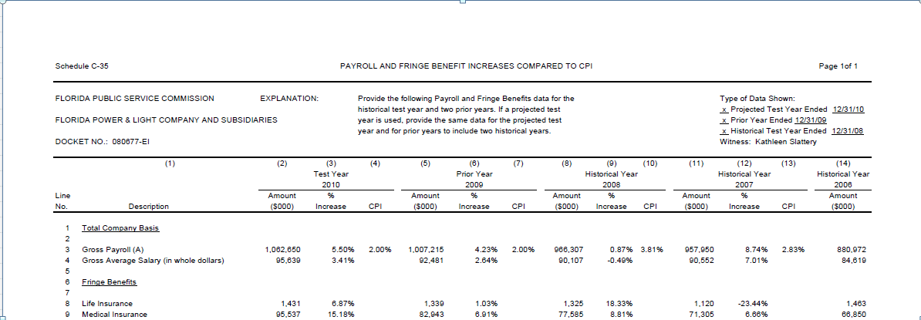

Support for Medical Expense for 2006 from GL: | 66,850

2015 Support
FIPUG 000760
FPL RC-16

SUPPORT FOR 2015 MEDICAL EXPENSE

MFR C-35 Medical Expense for 2015 | 81,591

Support for Medical Expense for 2015 from GL: |  | 81,591

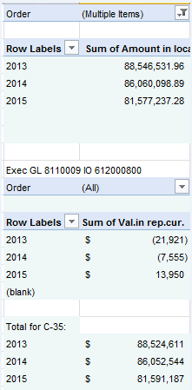

Aon Hewitt Industry Trend
FIPUG 000761
FPL RC-16

INDUSTRY TREND SUPPORT FROM AON HEWITT

Year | Medical/Pharmacy Industry

2006 | 2.9% | 1.029
2007 | 4.7% | 1.047
2008 | 6.0% | 1.060
2009 | 5.8% | 1.058
2010 | 4.9% | 1.049
2011 | 5.2% | 1.052
2012 | 5.8% | 1.058
2013 | 5.4% | 1.054
2014 | 4.5% | 1.045
2015 | 4.3% | 1.043

2006 - 2015 | 62.1%
