Forecast
OPC 010900
FPL RC-16

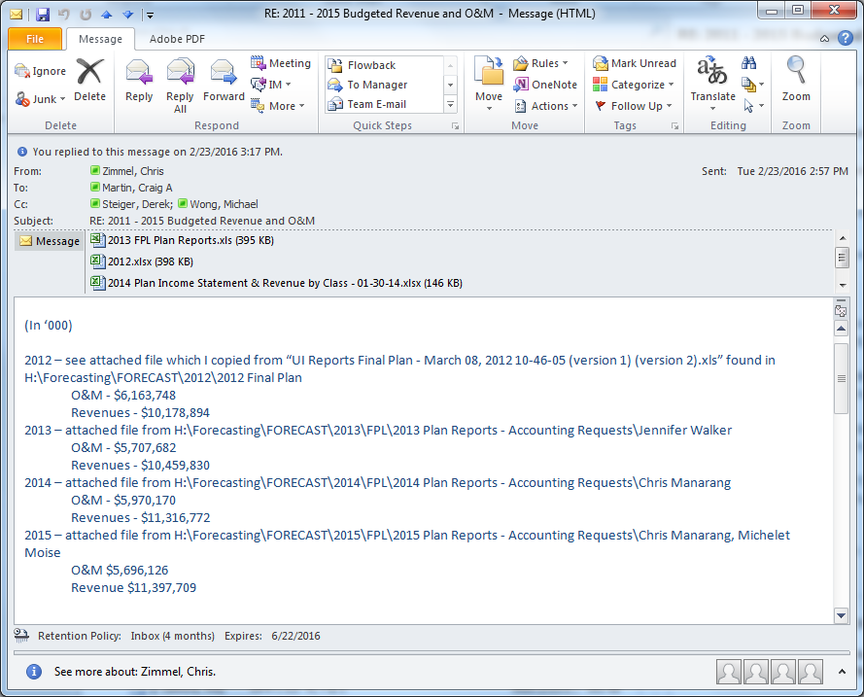

 |  |  |  |  |  |  |  |  |  |  |  |  |  |  | 2012 | 2013 | 2014 | 2015 | 2016
 |  |  |  |  |  |  |  |  |  |  |  |  |  | Revenue | 10,178,894 | 10,459,830 | 11,316,772 | 11,397,709 | 10,648,081
 |  |  |  |  |  |  |  |  |  |  |  |  |  | O&M | 6,163,748 | 5,707,682 | 5,970,170 | 5,696,126 | 4,911,260

FPLM: 2016 Plan | Jan 2016 | Feb 2016 | Mar 2016 | Apr 2016 | May 2016 | Jun 2016 | Jul 2016 | Aug 2016 | Sep 2016 | Oct 2016 | Nov 2016 | Dec 2016 | Year 2016

Florida Power & Light
B:[]
C:[OPERATING REVENUES:]
D:[Sales of Electricity] | 778,381,897 | 719,121,960 | 723,013,192 | 750,122,710 | 844,818,921 | 924,215,689 | 982,693,024 | 996,498,801 | 971,251,678 | 899,863,514 | 787,124,757 | 773,686,993 | 10,150,793,136
E:[Interchange Power Sales] | 14,598,554 | 12,110,254 | 8,158,511 | 2,382,065 | 2,345,488 | 2,056,638 | 2,228,883 | 2,193,882 | 2,464,426 | 2,738,459 | 5,002,675 | 6,275,466 | 62,555,300
F:[Total Sales of Electricity] | 792,980,451 | 731,232,214 | 731,171,702 | 752,504,775 | 847,164,409 | 926,272,327 | 984,921,907 | 998,692,683 | 973,716,104 | 902,601,973 | 792,127,432 | 779,962,459 | 10,213,348,437
G:[Wholesale Base Revenue] | 16,771,602 | 19,508,082 | 17,998,714 | 17,332,616 | 17,585,077 | 18,315,863 | 19,449,819 | 19,473,865 | 19,842,142 | 18,852,702 | 17,551,537 | 15,101,394 | 217,783,413
H:[Other Base Revenues] | 20,034,832 | 19,234,580 | 19,343,167 | 19,299,502 | 19,478,220 | 20,225,440 | 20,014,584 | 20,329,557 | 20,427,071 | 20,146,203 | 18,723,000 | 19,299,403 | 236,555,559
I:[Other Operating Revenues] | (47,265,411) | (65,590,464) | (5,185,731) | 38,116,709 | 56,938,258 | 21,209,260 | 24,951,072 | 24,685,864 | (27,654,095) | (15,968,965) | (31,973,009) | 8,130,143 | (19,606,370)
J:[Operating Revenues] | 782,521,474 | 704,384,412 | 763,327,852 | 827,253,602 | 941,165,964 | 986,022,891 | 1,049,337,382 | 1,063,181,968 | 986,331,223 | 925,631,914 | 796,428,959 | 822,493,399 | 10,648,081,039
K:[Equity Earnings (Income Account] | - | - | - | - | - | - | - | - | - | - | - | - | -
L:[Total Operating Revenues] | 782,521,474 | 704,384,412 | 763,327,852 | 827,253,602 | 941,165,964 | 986,022,891 | 1,049,337,382 | 1,063,181,968 | 986,331,223 | 925,631,914 | 796,428,959 | 822,493,399 | 10,648,081,039
M:[]
N:[OPERATING EXPENSES:]
O:[Fuel, Purchased Power & Interchange] | 242,652,428 | 190,018,128 | 205,923,622 | 247,596,195 | 286,975,343 | 292,598,584 | 315,265,262 | 318,292,689 | 290,292,201 | 272,923,837 | 237,006,234 | 232,818,731 | 3,132,363,256
P:[Operations & Maintenance Expense] | 134,018,708 | 131,776,330 | 142,489,887 | 138,576,464 | 144,367,145 | 145,392,289 | 141,253,469 | 144,425,881 | 138,409,628 | 132,435,841 | 134,407,967 | 129,866,135 | 1,657,419,745
Q:[Depreciation & Amortization] | (946,197) | 86,635,493 | 74,198,970 | 133,612,074 | 70,015,883 | 99,262,383 | 125,783,460 | 127,167,906 | 170,567,924 | 156,346,762 | 62,000,458 | 135,137,250 | 1,239,782,366
R:[Storm Recovery Expense] | 8,237,530 | 7,371,259 | 9,018,586 | 9,202,278 | 10,551,152 | 11,663,534 | 12,466,822 | 12,744,097 | 11,544,351 | 10,578,759 | 9,106,832 | 8,991,555 | 121,476,754
S:[Taxes Other Than Income] | 97,891,395 | 90,956,580 | 93,342,529 | 94,952,421 | 101,803,220 | 107,379,241 | 110,691,143 | 110,902,614 | 108,506,744 | 105,328,652 | 95,963,406 | 95,861,383 | 1,213,579,328
T:[Total Operating Expenses before Income Taxes] | 481,853,865 | 506,757,790 | 524,973,594 | 623,939,432 | 613,712,743 | 656,296,032 | 705,460,157 | 713,533,187 | 719,320,849 | 677,613,850 | 538,484,897 | 602,675,054 | 7,364,621,450
U:[Federal and State Income Taxes] | 102,326,028 | 62,424,455 | 77,864,841 | 63,492,831 | 111,463,887 | 112,328,984 | 117,746,648 | 120,079,118 | 88,339,215 | 81,036,257 | 84,532,037 | 69,545,723 | 1,091,180,025
V:[Total Operating Expenses] | 584,179,893 | 569,182,244 | 602,838,435 | 687,432,264 | 725,176,630 | 768,625,016 | 823,206,804 | 833,612,305 | 807,660,065 | 758,650,107 | 623,016,934 | 672,220,777 | 8,455,801,474
W:[]
X:[Net Operating Income] | 198,341,581 | 135,202,168 | 160,489,417 | 139,821,338 | 215,989,334 | 217,397,875 | 226,130,577 | 229,569,663 | 178,671,158 | 166,981,806 | 173,412,025 | 150,272,622 | 2,192,279,565
Y:[]
Z:[OTHER INCOME (DEDUCTIONS):]
AA:[AFUDC Equity (sign switched)] | 7,433,790 | 7,610,724 | 7,835,599 | 3,891,019 | 4,233,736 | 4,629,207 | 4,938,407 | 5,144,805 | 5,087,910 | 5,189,278 | 3,682,932 | 1,937,197 | 61,614,603
AB:[Other Income & Deductions (sign switched)] | (5,798,638) | (4,371,550) | (5,809,202) | (4,880,698) | (5,032,762) | (4,074,923) | (4,807,861) | (6,945,605) | 8,564,099 | (4,959,704) | (4,306,260) | 6,710,274 | (35,712,831)
AC:[Income Taxes on Other Income (sign switched)] | 1,332,288 | 899,290 | 1,437,597 | 1,036,941 | 1,116,169 | 778,995 | 983,940 | 1,825,444 | (4,129,754) | 1,048,469 | 830,475 | (4,085,329) | 3,074,525
AD:[Total Other Income] | 2,967,440 | 4,138,464 | 3,463,994 | 47,262 | 317,144 | 1,333,278 | 1,114,486 | 24,644 | 9,522,254 | 1,278,043 | 207,146 | 4,562,142 | 28,976,297
AE:[]
AF:[Income Before Interest Charges] | 201,309,021 | 139,340,632 | 163,953,411 | 139,868,600 | 216,306,478 | 218,731,153 | 227,245,063 | 229,594,306 | 188,193,412 | 168,259,849 | 173,619,171 | 154,834,764 | 2,221,255,862
AG:[]
AH:[INTEREST CHARGES:]
AI:[Interest Charges] | 39,101,685 | 39,563,158 | 40,322,469 | 41,269,846 | 41,246,877 | 41,418,109 | 41,557,376 | 41,366,333 | 41,000,391 | 41,012,953 | 41,079,813 | 41,070,531 | 490,009,542
AJ:[AFUDC Debt] | (2,265,118) | (2,319,032) | (2,387,552) | (1,185,616) | (1,290,044) | (1,410,546) | (1,504,761) | (1,567,652) | (1,550,315) | (1,581,203) | (1,122,210) | (590,275) | (18,774,324)
AK:[Total Interest Expense] | 36,836,567 | 37,244,127 | 37,934,917 | 40,084,230 | 39,956,833 | 40,007,563 | 40,052,615 | 39,798,681 | 39,450,076 | 39,431,750 | 39,957,603 | 40,480,256 | 471,235,217
AL:[]
AM:[Net Income from Continuing Operations (calculated)] | 164,472,454 | 102,096,506 | 126,018,494 | 99,784,370 | 176,349,645 | 178,723,590 | 187,192,448 | 189,795,625 | 148,743,336 | 128,828,099 | 133,661,568 | 114,354,509 | 1,750,020,644
AN:[]
AO:[Net Income - (per Ledger)] | 164,472,454 | 102,096,506 | 126,018,494 | 99,784,370 | 176,349,645 | 178,723,590 | 187,192,448 | 189,795,625 | 148,743,336 | 128,828,099 | 133,661,568 | 114,354,509 | 1,750,020,644
AP:[]
AQ:[EBITDA] | 303,621,682 | 289,820,321 | 316,967,178 | 337,122,181 | 397,960,123 | 430,954,072 | 471,295,992 | 476,583,538 | 452,780,621 | 406,175,601 | 320,443,402 | 364,193,342 | 4,567,918,052
...

