COP PAYMENT
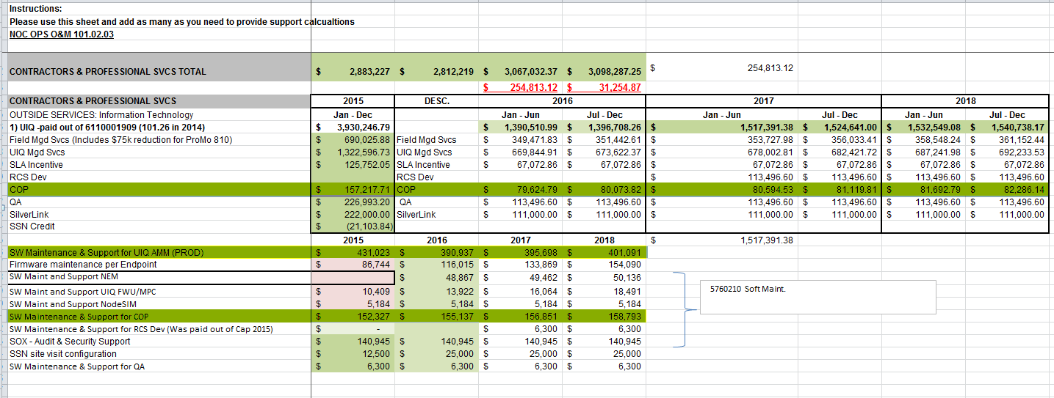
OPC 014830
FPL RC-16

Silver Spring Networks - COP payments |  | 101.02.03 | 2018
 |  |  | Jan - June | July - Dec | Total
UIQ COP Managed Monthly Fee | Amendment No.2 | 6110001909 | $80,594.53 | $81,119.81 | $163,978.93
COP annual maintenance and support | Amend No.2/Amend No.5 to MSSLA | 6110001909 | $156,851.00 |  | $158,793.00
 | Total |  |  |  | $322,771.93

Silver Spring Networks - COP payments |  | 101.02.03 | 2015
 |  |  | Jan - June | July - Dec | Total
UIQ COP Managed Monthly Fee | Amendment No.2 | 6110001909 | $78,034.98 | $79,182.72 | $157,217.70
COP annual maintenance and support | Amend No.2/Amend No.5 to MSSLA | 6110001909 | $152,327.43 |  | $152,327.43
 | Total |  |  |  | $309,545.13

