UPDATED SUMMARY_AUG 2015
OPC 014965
FPL RC-16

Based on data from 08/1/14 - 7/30/15
Service Order - % Calculations | Connects (625/626) | Disconnects (623) | Disconnects (624) | Factors as of 5/15/15: | Factors as of 7/1/2015
Manually completed | 44,549 | 9,784 | 8,391
Touch points associated with these PWQs | 94,056 | 11,860 | 16,810 | Disconnect -- 623 PWQ - 4.49 Disconnect -- 624 PWQ - 3.56 Connect -- 625 PWQ - 3.69 Connect -- 626 PWQ - 3.86
AHT (minutes) | 3.86 | 4.49 | 3.56
FTE | 4.16 | 0.61 | 0.69
Budgeted FTEs (reps only) | 38
% of workload - manually completed by AHT | 10.9% | 1.6% | 1.8%

Total manually completed PWQs (all) | 483,347 |  |  |  | CHECK: calculated by AHT & by % of total volume of PWQ types
% of workload - manually completed by widgets | 9.2% | 2.0% | 1.7%

Service Order - $ calculations per transaction | Connects (625/626) | Disconnects (623) | Disconnects (624) | Only CPLT
Manually completed | 44,549 | 9,784 | 8,391 | 62,724 | Manually Completed Service Orders (Connects & Disconnects)
% of workload - manually completed by AHT | 10.9% | 1.6% | 1.8% | 1,918,366 | System Completed Service Orders ( Connects & Disconnects )
2017 Accounting budget | 2,719,975 |  |  |  | 1,227,985 | Connects (625 & 626)
Cost per manual transaction | $6.68 | $5.10 |  |  | 690,381 | Disconnects (623 & 624)
 |  |  |  | 420,623 | Manually completed Non Service Orders
ALL PWQs completed (manual/system) | 1,981,090 |  |  | 144,902 | System Non Service Orders Completed
Total completed (manual/system) | 1,272,534 | 708,556
Allocated cost | $0.23 | 0.13 |  | With HELD, REFR & CPLT Status
 |  |  |  | 122,726 | Manually handled Service Orders (Connects Disconnects )
 |  |  |  | 623,131 | Manually handled Non Service Orders

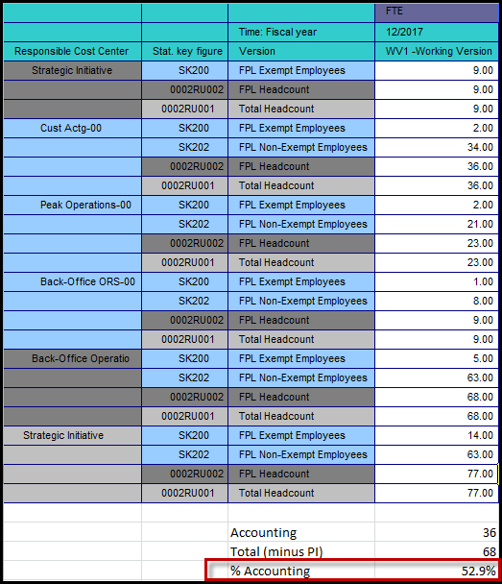
 | 2017 Budget #s
 | Accounting | $2,383,969
 | PI | $635,172
 | Acct + PI | $2,719,975

