Pension Allocation Support
OPC 010966
FPL RC-16

 | Support from Actuaries for Pensionable Earnings used in 2015 Pension Allocation to FPL |  |  | Support from Actuaries for Pensionable Earnings used in 2016 - 2018 Projected Pension Allocation to FPL
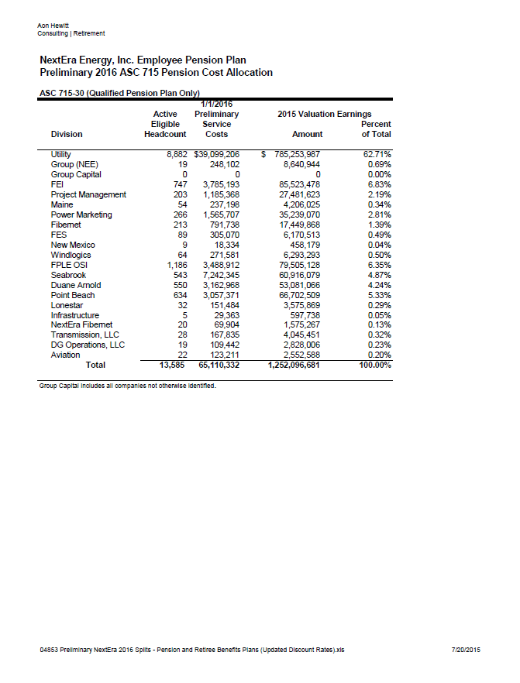
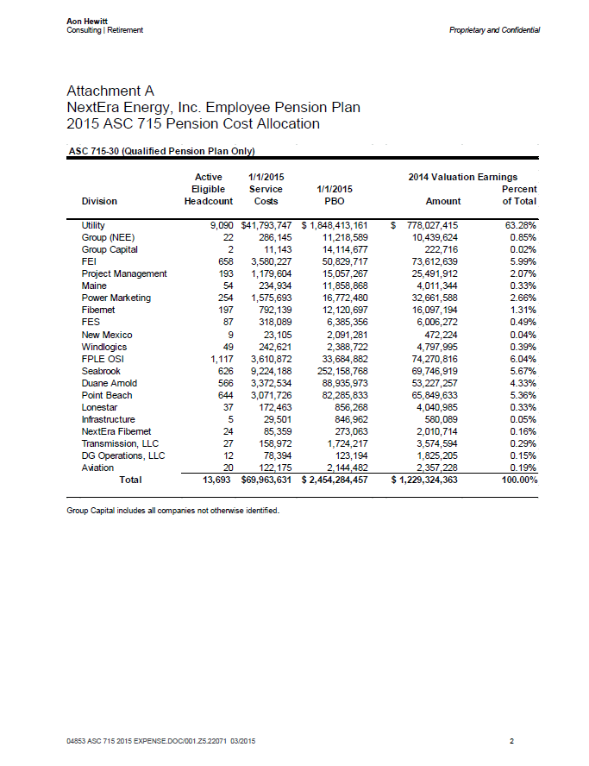

 |  |  |  |  | 2016 - 2018 FPL Pension Income Allocation
 |  |  |  |  | 62.72% | Utility
 |  |  |  |  | 0.69% | NEE
 |  |  |  |  | 63.41% | Total
 |  | 2015 FPL Pension Income Allocation
 |  | 63.29% | Utility
 |  | 0.85% | NEE
 |  | 64.14% | Total

 |  |  |  |  | Pensionable earnings used on Pension Alloc tab for 2016 - 2018 pension income

 |  | Pensionable earnings used on Pension Alloc tab for 2015 pension income

Actuarial Expense Letter
OPC 010968
FPL RC-16

 | Support from Actuaries for 2015 Pension Income
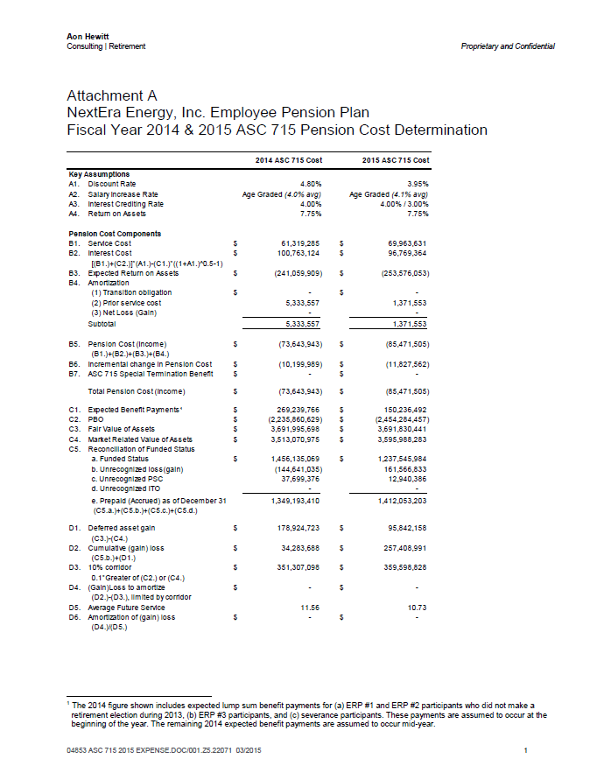

 |  | Total 2015 Pension Income

186.190GL Support
OPC 010975
FPL RC-16

SAP GL Support for 186.190 Deferred Pension Asset
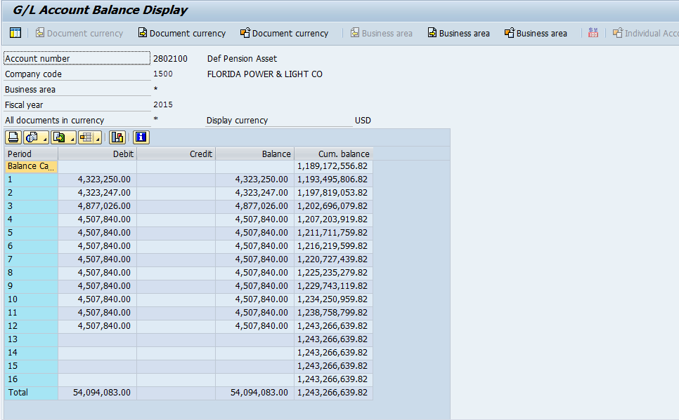

2014
Balance per GL | 1,189,172,557 | from screenshot above
Balance per C-17 | 1,189,172,557
Variance | 0
2015
Balance per GL | 1,243,266,640
Balance per C-17 | 1,243,266,640
Variance | (0) | Immaterial

