NEER to FPL Loaders
OPC 012815
FPL RC-16

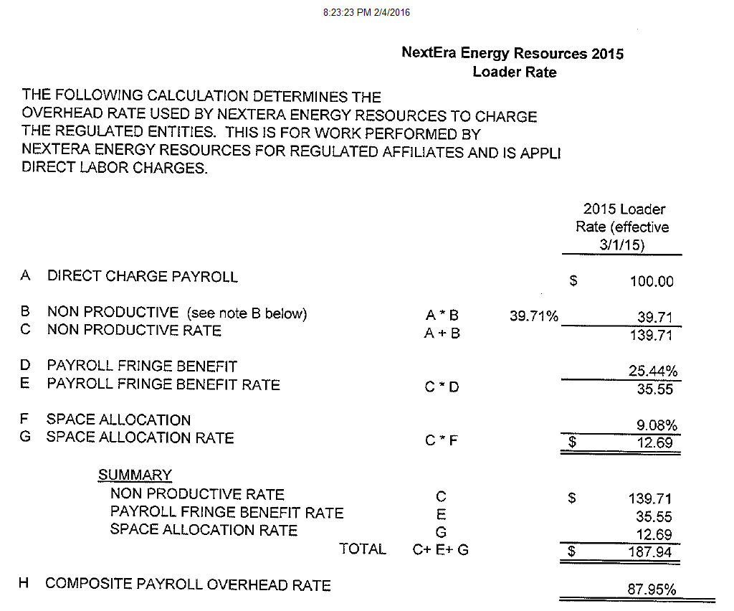

Ovhd Rates 11-23-15
OPC 012816
FPL RC-16

Loader Rates Report
 | Loader Rates Report
 |  |  |  |  |  | Last Refreshed | 11/23/2015 17:51:27
 |  |  |  |  |  | User: | CRR0CA9

 |  |  | WV1 -Working Version
Filter |  | Table
Fiscal year |  | Planning Item |  | Year 1 2015 | Year 2 2016 | Year 3 2017 | Year 4 2018 | Year 5 2019 | Year 6 2020
Maintain Loaders |  | FPLU LOADERS | FPLU LOADERS | 323.14 | 268.34 | 255.13 | 259.39 | 259.39 | 259.39
Planning Item |  | External (Affiliate Direct Charge) Rates | EXTERNAL (ADC) RATES | 45.92 | 45.89 | 45.89 | 45.89 | 45.89 | 45.89
 |  | External A&G Payroll | ZU_EXTPAY | 13.55 | 13.55 | 13.55 | 13.55 | 13.55 | 13.55
 |  | External A&G Expenses | ZU_EXTEXP | 11.88 | 11.88 | 11.88 | 11.88 | 11.88 | 11.88
 |  | External Non-Productive | ZU_EXTNPR | 19.87 | 19.87 | 19.87 | 19.87 | 19.87 | 19.87
 |  | External Workers Compensation | ZU_EXTWRK | 0.62 | 0.59 | 0.59 | 0.59 | 0.59 | 0.59
 |  | Performance Incentive(Executive Bonus) | PERFORMANCE INCENTIVE(EXECUTIVEB
 |  | Executive Bonus Accrual | ZU_EXEBON
 |  | Performance Incentive(Bonus Accrual) | PERFORMANCE INCENTIVE(BONUS ACCR | 12.40 | 13.40 | 13.90 | 14.20 | 14.20 | 14.20
 |  | Bonus Accrual Non-Executive FPL Utility | ZU_REGBON | 12.40 | 13.40 | 13.90 | 14.20 | 14.20 | 14.20
 |  | Bonus Accrual Non-Executive FPL ES | ZU_REGBES
 |  | Non-Productive Overhead | NON-PRODUCTIVE OH | 73.00 | 76.75 | 76.75 | 76.75 | 76.75 | 76.75
 |  | Non-Productive Overhead - Distribution | ZU_NPROD | 35.00 | 38.75 | 38.75 | 38.75 | 38.75 | 38.75
 |  | Non-Productive Overhead - Substation | ZU_NPSUBS | 20.00 | 20.00 | 20.00 | 20.00 | 20.00 | 20.00
 |  | Non-Productive Overhead - Transmission | ZU_NPTRAN | 18.00 | 18.00 | 18.00 | 18.00 | 18.00 | 18.00
 |  | Payroll taxes | PAYROLL TAXES | 14.30 | 14.13 | 14.13 | 14.13 | 14.13 | 14.13
 |  | Payroll Taxes - FPL Utility | ZU_PYTAX | 6.65 | 6.48 | 6.48 | 6.48 | 6.48 | 6.48
 |  | Payroll Taxes - FPL Energy Services | ZU_PYTEST | 7.65 | 7.65 | 7.65 | 7.65 | 7.65 | 7.65
 |  | Benefits(Pension & Welfare) | BENEFITS(PENSION & WELFARE) | 23.13 | 20.63 | 20.56 | 20.60 | 20.60 | 20.60
 |  | Funded Welfare - FPL Utility | ZU_BENFIT | 17.58 | 15.35 | 15.55 | 15.68 | 15.68 | 15.68
 |  | Funded Welfare FPL Energy Services | ZU_BENFES | 10.54 | 10.54 | 10.54 | 10.54 | 10.54 | 10.54
 |  | Unfunded Service Cost | ZU_USRVCE | 6.02 | 5.51 | 5.63 | 5.75 | 5.75 | 5.75
 |  | Unfunded Benefits Cost | ZU_UBENFT | -11.01 | -10.77 | -11.16 | -11.37 | -11.37 | -11.37
 |  | Workers Compensation | WORKERS COMPENSATION | 4.40 | 3.73 | 3.67 | 3.59 | 3.59 | 3.59
 |  | Workers Compensation - Distribution | ZU_WRKDST | 1.67 | 1.59 | 1.55 | 1.51 | 1.51 | 1.51
 |  | Workers Compensation - Transmission | ZU_WRKTRN | 0.49 | 0.44 | 0.43 | 0.41 | 0.41 | 0.41
 |  | Workers Compensation - Power Generation | ZU_WRKPGD | 0.50 | 0.54 | 0.55 | 0.53 | 0.53 | 0.53
 |  | Workers Compensation - Nuclear | ZU_WRKNUC | 0.32 | 0.28 | 0.27 | 0.26 | 0.26 | 0.26
 |  | Workers Compensation - Customer Service | ZU_WRKCST | 1.10 | 0.76 | 0.76 | 0.75 | 0.75 | 0.75
 |  | Workers Compensation - Others | ZU_WRKOTH | 0.25 | 0.06 | 0.06 | 0.06 | 0.06 | 0.06
 |  | Workers Compensation - FPL Energy Services | ZU_WRKES | 0.07 | 0.07 | 0.07 | 0.07 | 0.07 | 0.07
 |  | Stores | STORES | 101.72 | 53.97 | 40.85 | 43.98 | 43.98 | 43.98
 |  | Stores Loading - Customer Service | ZU_STRCST | 6.39 | 4.85 | 4.72 | 5.10 | 5.10 | 5.10
 |  | Stores Loading - Distribution | ZU_STRDST | 6.39 | 4.85 | 4.72 | 5.10 | 5.10 | 5.10
 |  | Stores Loading - Transmission | ZU_STRTRN | 6.39 | 4.85 | 4.72 | 5.10 | 5.10 | 5.10
 |  | Stores Loading - Nuclear | ZU_STRNUC | 79.21 | 34.05 | 24.48 | 26.59 | 26.59 | 26.59
 |  | Stores Loading - PGD | ZU_STRPGD | 3.34 | 5.37 | 2.21 | 2.09 | 2.09 | 2.09
 |  | Supervision and Engineering | SUPERVISION AND ENGINEERING | 46.03 | 37.82 | 37.82 | 37.82 | 37.82 | 37.82
 |  | Supervision & Engineering OH - Distribution | ZU_SUPDST | 33.11 | 26.70 | 26.70 | 26.70 | 26.70 | 26.70
 |  | Supervision & Engineering OH - Transmission | ZU_SUPTRN | 12.92 | 11.12 | 11.12 | 11.12 | 11.12 | 11.12
 |  | A&G Overhead (EO) Executive | A&G OVERHEAD (EO) EXECUTIVE | 2.24 | 2.02 | 1.56 | 2.43 | 2.43 | 2.43
 |  | A&G Overhead (EO) Executive - Distribution | ZU_ADMDST
 |  | A&G Overhead (EO) Executive - Power Generation | ZU_ADMPGD | 0.68 | 0.80 | 0.45 | 0.96 | 0.96 | 0.96
 |  | A&G Overhead (EO) Executive - Nuclear | ZU_ADMNUC | 1.47 | 1.17 | 1.01 | 1.17 | 1.17 | 1.17
 |  | A&G Overhead (EO) Executive - Customer Service | ZU_ADMCST
 |  | A&G Overhead (EO) Executive - Transmission | ZU_ADMTRN
 |  | A&G Overhead (EO) Executive - ISC | ZU_ADMISC
 |  | A&G Overhead (EO) Exectuive - Engineering & Construction | ZU_ADMENC | 0.09 | 0.05 | 0.10 | 0.30 | 0.30 | 0.30
 |  | A&G Overhead (EO) IM | A&G OVERHEAD (EO) IM
 |  | A&G Overhead (EO) IM - Distribution | ZU_IMDST
 |  | A&G Overhead (EO) IM - Transmission | ZU_IMTRN

Cap Clause Capl 2015-2017
OPC 012818
FPL RC-16

Capital Forecast (8Yr -2/+6 PY/Fc/Fc)
 |  | Capital Forecast (8Yr -2/+6 PY/Fc/Fc)

Filter |  | Table
Account |  |  |  |  |  | 2014 Actual | 2015 Actual | 2016 Current App Bgt Edit | 2016 Forecast - Sept 2015 | 2017 Plan Current Year
Account-Alt |  | Resp. cost cntr |  | WBS-Reporting WBS-L3 |  | * 1,000,000 $ | * 1,000,000 $ | * 1,000,000 | * 1,000,000 | * 1,000,000
Business area | A05 Capacity | Power Generation Div | Total AFUDC/Carry Charge/Clause/AMI | UPGD.00003833.01.01 | PWC 1&2 NERC CIP Capacity Capital | 2.4 | 0.9
Input/Outputs |  |  |  | UPGD.00003834.01.01 | PWC 3 NERC CIP Capacity Capital | 1.2 | 0.4
REQCC-Cost Center Category |  |  |  | UPGD.00004216.01.01 | PMT NERC CIP Capacity Capital | 0.6 | 0.1
Resp. cost cntr |  |  |  | Result |  | 4.2 | 1.4
Source |  |  | Infrastructure | UPGD.00003833.01.01 | PWC 1&2 NERC CIP Capacity Capital
Time:Cal. Year/Quarter |  |  |  | UPGD.00003834.01.01 | PWC 3 NERC CIP Capacity Capital
Time:Fiscal year/period |  |  |  | UPGD.00004216.01.01 | PMT NERC CIP Capacity Capital
Time:Fiscal year |  |  |  | Result
Time:Posting period |  |  | ** Total Capital | UPGD.00003833.01.01 | PWC 1&2 NERC CIP Capacity Capital | 2.4 | 0.9
WBS-Project-L1 |  |  |  | UPGD.00003834.01.01 | PWC 3 NERC CIP Capacity Capital | 1.2 | 0.4
WBS-L2 |  |  |  | UPGD.00004216.01.01 | PMT NERC CIP Capacity Capital | 0.6 | 0.1
WBS-Reporting WBS-L3 |  |  |  | Result |  | 4.2 | 1.4
WBS Element
WBS-Activity
WBS-AFUDC
WBS-Capital Type
WBS-Depreciation
WBS-Earning a Return
WBS-FERC Indicator
WBS-FERC Not Relevant
WBS-FERC Function
WBS-Functional Area
WBS-IM/Program Position
WBS-In Service Date
WBS-Job Code
WBS-Job Type
WBS-Level in Project Hierarchy
WBS-Major/Minor Project
WBS-Management Area
WBS-Mngt Rep Excl | ]X[
WBS-Project Code
WBS-Project type
WBS-Reason for investment
WBS-Requesting CC
WBS-Services
WBS-Storm Secure
Version

