FPSC Ruling
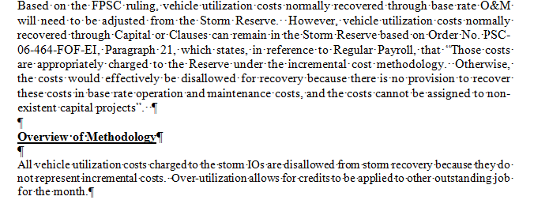
Florida Power & Light Company
Docket No. 20160251-EI
OPC's First Set of Interrogatories
Interrogatory No. 34
Attachment No. 7
Tab 1 of 7

ALL Pivot
Florida Power & Light Company
Docket No. 20160251-EI
OPC's First Set of Interrogatories
Interrogatory No. 34
Attachment No. 7
Tab 2 of 7
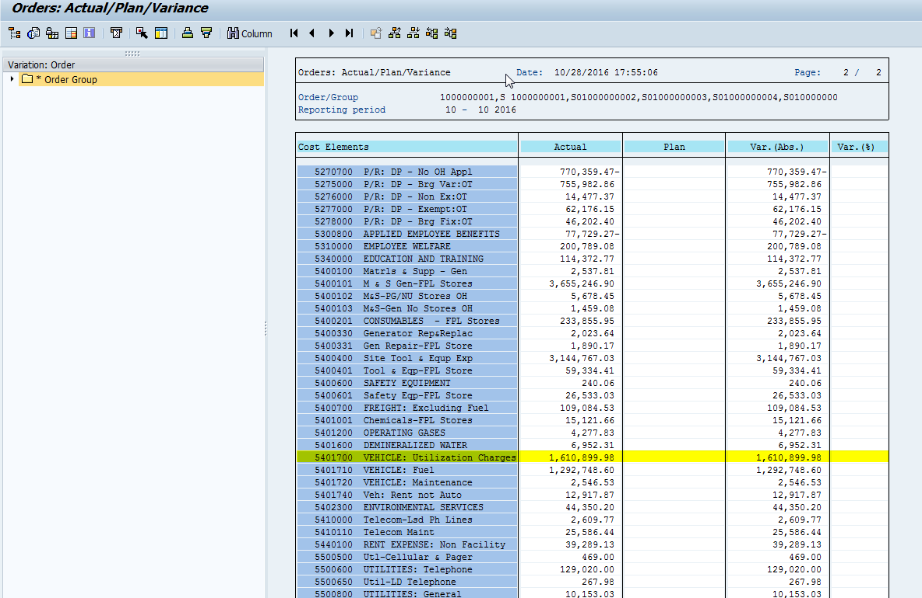
Cost Elem. | (All)
Cost element name | (All)

Row Labels | Sum of Val.in rep.cur.
CUSTOMER SERVICE | 0.00
S01000000111 | 0.00
DISTRIBUTION | 1,465,373.47
S01000000080 | 98,398.86
S01000000082 | 166,801.12
S01000000083 | 104,450.41
S01000000085 | 47,587.15
S01000000086 | 170,353.66
S01000000087 | 48,909.96
S01000000088 | 2,367.43
S01000000089 | 33,219.72
S01000000090 | 51,681.75
S01000000091 | 47,002.56
S01000000092 | 688.89
S01000000093 | 20,495.97
S01000000095 | 10,003.98
S01000000096 | 23,953.61
S01000000097 | 41,153.48
S01000000098 | 24,809.36
S01000000099 | 17,913.53
S01000000100 | 28,645.95
S01000000117 | 254,046.47
S01000000138 | 12,039.68
S01000000140 | 7,257.25
S01000000142 | 13,580.89
S01000000143 | 13,427.49
S01000000147 | 1,646.56
S01000000150 | 7,933.72
S01000000158 | 86.53
S01000000171 | 2,573.71
S01000000175 | 333.93
S01000000185 | 40,517.51
S01000000203 | 873.26
S01000000210 | 11,431.58
S01000000213 | 1,682.82
S01000000216 | 85.67
S01000000226 | 287.91
S01000000235 | 1,533.39
S01000000237 | 296.00
S01000000239 | 23,404.81
S01000000240 | 8,866.78
S01000000242 | 10,629.25
S01000000249 | 26,664.56
S01000000250 | 190.00
S01000000251 | 175.38
S01000000257 | 32,238.15
S01000000259 | 739.39
S01000000261 | 18,748.02
S01000000267 | 18,893.00
S01000000270 | 13,321.71
S01000000271 | 1,818.59
S01000000273 | 224.96
S01000000274 | 127.89
S01000000278 | 1,259.22
FPL FINANCE | 287.98
S01000000008 | 287.98
HUMAN RESOURCES | 362.88
S01000000010 | 0.00
S01000000011 | 272.16
S01000000012 | 90.72
MARKETING AND CORPORATE COMMUNICATIONS | 226.80
S01000000024 | 226.80
STRATEGY, POLICY AND BUSINESS | 140.31
S01000000009 | 140.31
TRANSMISSION & SUBSTATION | 144,508.54
S01000000106 | 4,747.70
S01000000107 | 27,289.68
S01000000108 | 33,623.93
S01000000119 | 6,818.70
S01000000120 | 10,531.28
S01000000122 | 19,387.39
S01000000123 | 4,106.28
S01000000124 | 1,995.70
S01000000125 | 7,186.12
S01000000126 | 1,123.88
S01000000127 | 11,992.96
S01000000128 | 6,395.44
S01000000129 | 9,309.48
Grand Total | 1,610,899.98
 | 1,610,899.98
Variance | -

