AFUDC
Independent Cal - D13
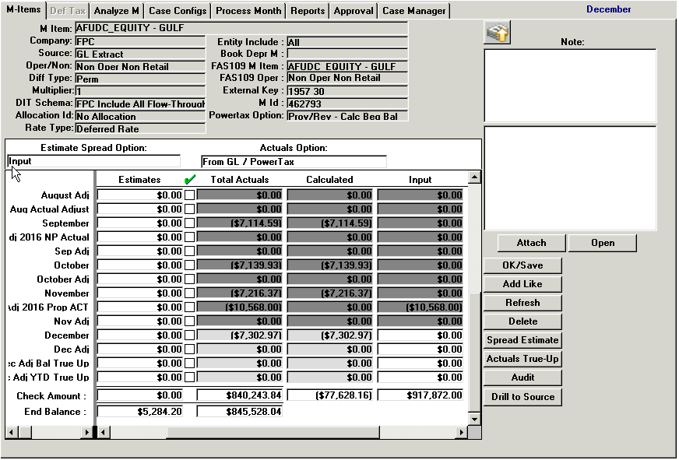

 | 840,243.84
 | (928,440.00)
 | 10,568.00
 | (77,628.16)
 | (78,000.00)
 | (371.84) | PowerTax/ Actual Diff

NDBD NBV AMORT
Independent Cal - D32

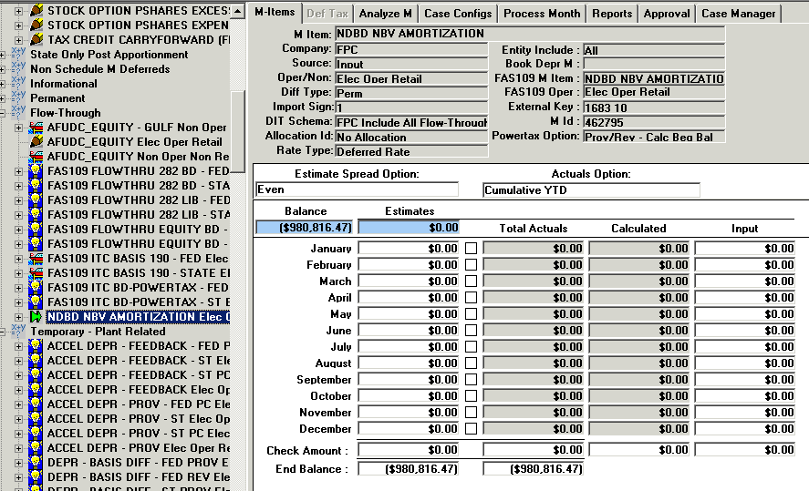

Beg Bal | 980,816.47
1
2
3
4
5
6
7
8
9
10
11
12
 | 980,816.47

