OUC TP Dashboard
Summary tables for all three sectors (Res/Com/Ind):

Table 1. Theoretically Technical Potential Savings for Residential, Commercial, and Industrial Sectors |  |  |  |  |  | Results Compare from 2013 Revision |  |  |  |  | Results Compare from ITRON 2009

 |  | Residential | Non-Residential | Total |  |  | Residential | Non-Residential | Total |  |  | Residential | Non-Residential | Total
 | 2020 Summer Baseline (MW) | 474 | 568 | 1,042 |  | Summer Baseline (MW) | - | - | 0 |  | Summer Baseline (MW) | 535 | 488 | 1,023
 | Technical Summer Peak Savings (MW) | 92 | 336 | 428 |  | Summer Peak Savings (MW) | - | - | 0 |  | Summer Peak Savings (MW) | 104 | 82 | 186
 | % of Summer Baseline | 20% | 59% | 41% |  | % of Summer Baseline | No Data | No Data | No Data |  | % of Summer Baseline | 19% | 17% | 18%
 | 2020 Winter Baseline (MW) | 437 | 461 | 898 |  | Winter Baseline (MW) | - | - | 0 |  | Winter Baseline (MW) | 582 | 413 | 995
 | Technical Winter Peak Savings (MW) | 272 | 321 | 593 |  | Winter Peak Savings (MW) | - | - | 0 |  | Winter Peak Savings (MW) | 119 | 38 | 157
 | % of Winter Baseline | 62% | 70% | 66% |  | % of Winter Baseline | No Data | No Data | No Data |  | % of Winter Baseline | 20% | 9% | 16%

Table 2. Summer Peak Demand by Segment by Sector

 | Residential |  |  |  | GS |  |  |  | GSD
 | Segment | MW | % of Sector Peak |  | Segment | MW | % of Sector Peak |  | Segment | MW | % of Sector Peak
 | Single Family | 275 | 58% |  | 0-15,000 kWh | 15 | 21% |  | 0-50 kW | 52 | 10%
 | Multi-Family | 196 | 41% |  | 15,001-25,000 kWh | 12 | 17% |  | 51-300 kW | 156 | 31%
 | Mobile Home/Other | 3 | 1% |  | 25,001-50,000 kWh | 22 | 30% |  | 301-500 kW | 65 | 13%
 |  |  |  |  | 50,000 kWh+ | 22 | 31% |  | 501 kW+ | 223 | 45%
 | Total | 474 | 100% |  | Total | 72 | 100% |  | Total | 496 | 100%

Table 3. Winter Peak Demand by Segment by Sector

 | Residential |  |  |  | GS |  |  |  | GSD
 | Segment | MW | % of Sector Peak |  | Segment | MW | % of Sector Peak |  | Segment | MW | % of Sector Peak
 | Single Family | 253 | 58% |  | 0-15,000 kWh | 11 | 17% |  | 0-50 kW | 36 | 9%
 | Multi-Family | 181 | 41% |  | 15,001-25,000 kWh | 10 | 15% |  | 51-300 kW | 117 | 30%
 | Mobile Home/Other | 4 | 1% |  | 25,001-50,000 kWh | 21 | 32% |  | 301-500 kW | 52 | 13%
 |  |  |  |  | 50,000 kWh+ | 23 | 36% |  | 501 kW+ | 190 | 48%
 | Total | 437 | 100% |  | Total | 65 | 100% |  | Total | 396 | 100%

Table 4. Summer Peak Potential by End Use by Sector (UNADJUSTED)

 | Residential |  |  |  | GS |  |  |  | GSD
 | End Use | MW | % of Sector Peak |  | End Use | MW | % of Sector Peak |  | End Use | MW | % of Sector Peak
 | Space Heating | 0 | 0% |  | Space Heating | 0 | 0% |  | All | 496 | 100%
 | Space Cooling | 302 | 64% |  | Space Cooling | 24 | 33%
 | Water Heater | 27 | 6%
 | Pool Pump | 10 | 2%
 | Total | 339 | 72% |  | Total | 24 | 33% |  | Total | 496 | 100%

Table 5. Winter Peak Potential by End Use by Sector (UNADJUSTED)

 | Residential |  |  |  | GS |  |  |  | GSD
 | End Use | MW | % of Sector Peak |  | End Use | MW | % of Sector Peak |  | End Use | MW | % of Sector Peak
 | Space Heating | 286 | 65% |  | Space Heating | 23 | 35% |  | All | 396 | 100%
 | Space Cooling | 0 | 0% |  | Space Cooling | 0 | 0%
 | Water Heater | 49 | 11%
 | Pool Pump | 7 | 2%
 | Total | 342 | 78% |  | Total | 23 | 35% |  | Total | 396 | 100%

Table 6. Summer Peak Potential by End Use by Sector (ADJUSTED)
Space Heating | 23
Space Cooling | 0
 | 3
 | 0
 | 55
 | 0
 | Residential |  |  |  | GS |  |  |  | GSD
 | End Use | MW | % of Sector Peak |  | End Use | MW | % of Sector Peak |  | End Use | MW | % of Sector Peak
 | Space Heating | 0 | 0% |  | Space Heating | 0 | 0% |  | All | 320 | 64%
 | Space Cooling | 68 | 14% |  | Space Cooling | 16 | 22%
 | Water Heater | 18 | 4%
 | Pool Pump | 7 | 1%
 | Total | 92 | 20% |  | Total | 16 | 22% |  | Total | 320 | 64%

Table 7. Winter Peak Potential by End Use by Sector (ADJUSTED)

 | Residential |  |  |  | GS |  |  |  | GSD
 | End Use | MW | % of Sector Peak |  | End Use | MW | % of Sector Peak |  | End Use | MW | % of Sector Peak
 | Space Heating | 234 | 54% |  | Space Heating | 18 | 28% |  | All | 303 | 76%
 | Space Cooling | 0 | 0% |  | Space Cooling | 0 | 0%
 | Water Heater | 31 | 7%
 | Pool Pump | 7 | 2%
 | Total | 272 | 62% |  | Total | 18 | 28% |  | Total | 303 | 76%

 |  | Residential | Non-Residential | Total
 | 2020 Summer Peak (MW) | 474 | 568 | 1,042
 | Technical Summer Peak Savings (MW) | 92 | 336 | 428
 | % of Summer Peak | 20% | 59% | 41%
 | 2020 Winter Peak (MW) | 437 | 461 | 898
 | Technical Winter Peak Savings (MW) | 272 | 321 | 593
 | % of Winter Peak | 62% | 70% | 66%

 |  | 2020 Summer Peak (MW) | Technical Summer Peak Savings (MW) | % of Summer Peak | 2020 Winter Peak (MW) | Technical Winter Peak Savings (MW) | % of Winter Peak
 | Residential | 474 | 92 | 20% | 437 | 272 | 62%
 | Non-Residential | 568 | 336 | 59% | 461 | 321 | 70%
 | Total | 1,042 | 428 | 41% | 898 | 593 | 66%

 | End Use | Summer MW | Winter MW |  | End Use | Summer MW | Winter MW |  | End Use | Summer MW | Winter MW
 | Space Heating | 0 | 234 |  | Space Heating | 0 | 18 |  | 0-50 kW | 34 | 28
 | Space Cooling | 68 | 0 |  | Space Cooling | 16 | 0 |  | 51-300 kW | 101 | 90
 | Water Heater | 18 | 31 |  |  |  |  |  | 301-500 kW | 42 | 40
 | Pool Pump | 7 | 7 |  |  |  |  |  | 501 kW + | 144 | 146
 | Total | 92 | 272 |  | Total | 16 | 18 |  | Total | 320 | 303

OUC TP Inputs
OUC Technical Potential - 2018 Study (Scaled to 2020)
 | Res Curtailable Load (MW) | GS Curtailable Load (MW) | GSD Curtailable Load (MW) | Non-Res Curtailable | Total Curtailable Load (MW) | System Load (MW) | % of System Load
Summer | 339 | 24 | 496 | 520 | 859 | 1,180 | 72.8%
Winter | 342 | 23 | 396 | 419 | 761 | 1,011 | 75.3%

OUC Technical Potential - 2009 Study
 | Res Curtailable Load (MW) | GS Curtailable Load (MW) | GSD Curtailable Load (MW) | Non-Res Curtailable | Total Curtailable Load (MW) | Res Baseline | NonRes Baseline | System Load (MW) | % of System Load
Summer | 104 | 79 | 3 | 82 | 186 | 535 | 488 | 1,024 | 18.2%
Winter | 119 | 37 | 1 | 38 | 157 | 582 | 413 | 995 | 15.8%
OUC Technical Potential - 2014 Study
 | Res Curtailable Load (MW) | GS Curtailable Load (MW) | GSD Curtailable Load (MW) | Non-Res Curtailable | Total Curtailable Load (MW) | Res Baseline | NonRes Baseline | System Load (MW) | % of System Load
Summer | - | - | - | - | - | - | - | - | -
Winter | - | - | - | - | - | - | - | - | -

Winter Peak Loads (kW)
 | Res Segments Heating Load (kW) |  | GS Segments Heating Load (kW) |  | GSD Segments Total Load (kW) |  | Residential Pool Pump and Water Heater Load
Population | Single Family | 150,384 | 0-15,000 kWh | 3,818 | 0-50 kW | 33,581 | SF Pool Pump | 6,256 | SF Water Heater | 18,895
 | Multi-Family | 110,975 | 15,001-25,000 kWh | 3,252 | 51-300 kW | 108,152 | MF Pool Pump | 0 | MF Water Heater | 26,047
 | Mobile Home/Other | 2,583 | 25,001-50,000 kWh | 6,980 | 301-500 kW | 48,041 | MH Pool Pump | 21 | MH Water Heater | 431
 | Total | 263,942 | 50,001 kWh + | 6,983 | 501 kW + | 175,398 | Total Pool Pump | 6,277 | Total Water Heater | 45,374
 |  |  | Total | 21,034 | Total | 365,171

Summer Peak Loads by End Use (kW)
 | Res Segments Cooling Load (kW) |  | GS Segments Cooling Load (kW) |  | GSD Segments Total Load (kW) |  | Residential Pool Pump and Water Heater Load
Population | Single Family | 175,886 | 0-15,000 kWh | 7,903 | 0-50 kW | 52,485 | SF Pool Pump | 9,637 | SF Water Heater | 11,492
 | Multi-Family | 126,798 | 15,001-25,000 kWh | 3,862 | 51-300 kW | 157,181 | MF Pool Pump | 0 | MF Water Heater | 15,842
 | Mobile Home/Other | 1,783 | 25,001-50,000 kWh | 5,079 | 301-500 kW | 65,566 | MH Pool Pump | 32 | MH Water Heater | 262
 | Total | 304,467 | 50,001 kWh + | 6,957 | 501 kW + | 224,785 | Total Pool Pump | 9,669 | Total Water Heater | 27,596
...
Sector | DR-Enabling Technology and Tariff | Summer System Peak |  |  |  |  |  | Winter System Peak
 | In-home displays and pre-set control strategies with CPP |  | 12 |  | 2.20% | 2 | 0.40% |  | 13 | 2.20% | 3 | 0.40%
 | Total Residential | 535 | 104 |  | 19.30% | 78 | 14.60% | 582 | 119 | 20.50% | 84 | 14.40%
Commercial | Automated Load Control Strategies w/ CPP |  | 34 |  | 7.40% | 10 | 2.10% |  | 22 | 5.70% | 6 | 1.60%
 | Direct Load Control System |  | 45 |  | 9.80% | 45 | 9.80% |  | 15 | 3.90% | 15 | 3.90%
 | Total Commercial | 458 | 79 |  | 17.10% | 54 | 11.90% | 392 | 37 | 9.50% | 21 | 5.50%
Industrial | Austomated Control Strategies w/CPP |  | 1 |  | 4.50% | 0 | 1.30% |  | 1 | 3.90% | 0 | 1.10%
 | Direct Load Control System |  | 2 |  | 5.40% | 2 | 5.40% |  | 0 | 1.50% | 0 | 1.50%
 | Total Industrial | 30 | 3 |  | 9.90% | 2 | 6.70% | 21 | 1 | 5.40% | 1 | 2.60%
TOTAL |  | 1,024 | 185 |  | 18.10% | 135 | 13.10% | 995 | 158 | 15.90% | 106 | 10.60%

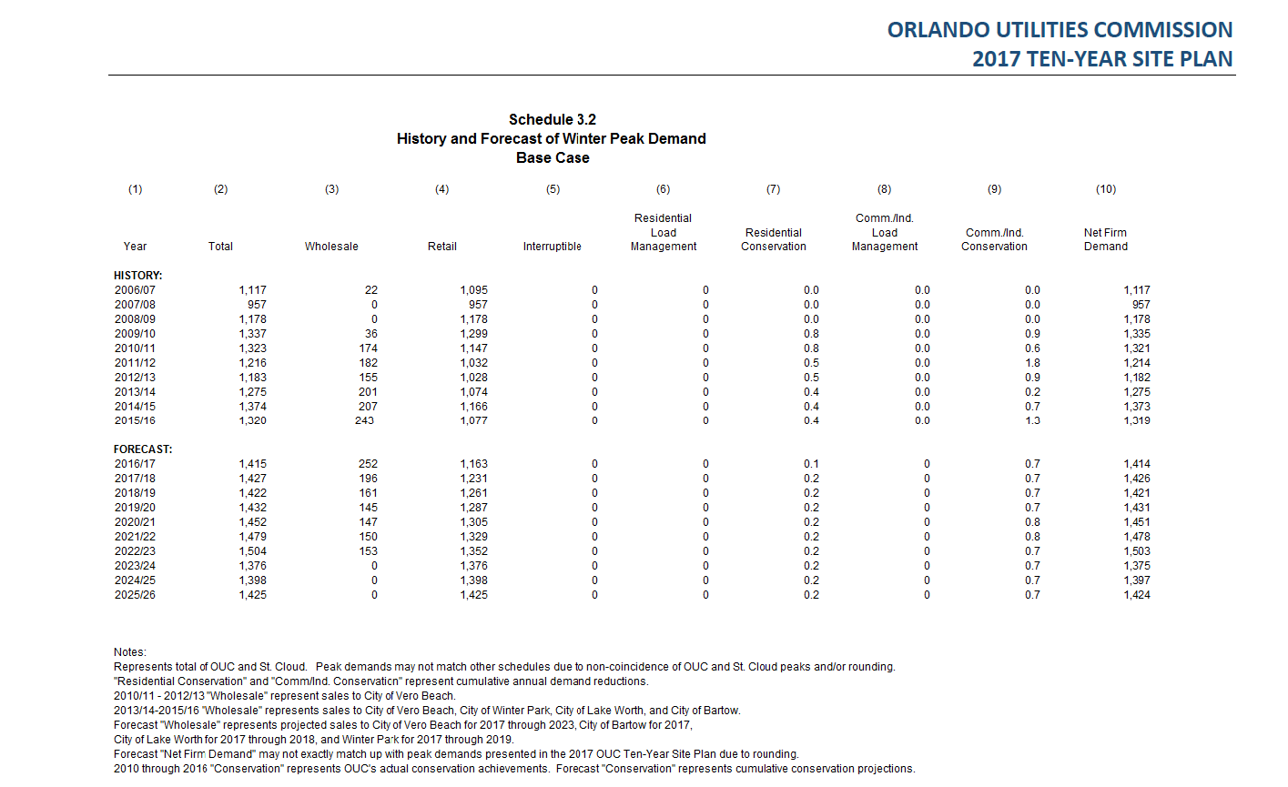
OUC Peak Demand forecast (from 10 year site plan)
