Mngmt Area Map (2019)
GULF 000152 20200070-EI

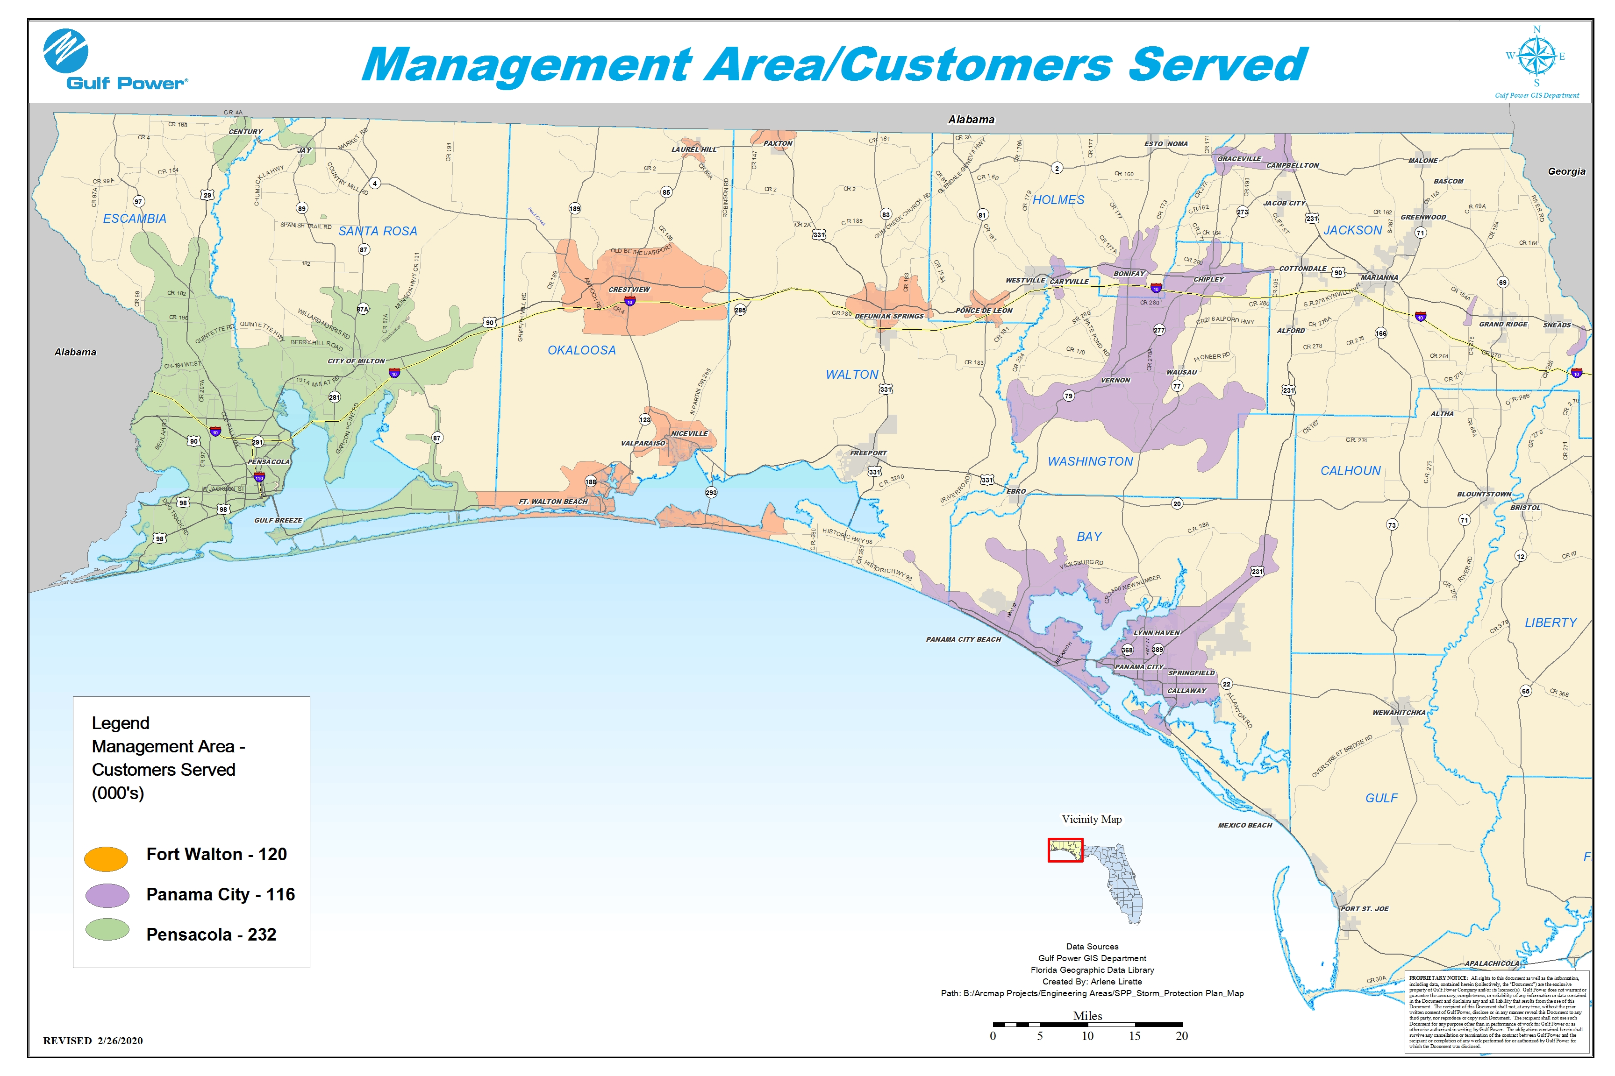

GPCO Windloads
GULF 000153 20200070-EI

