Jurisdictional factor
GULF 000169
20200070-EI

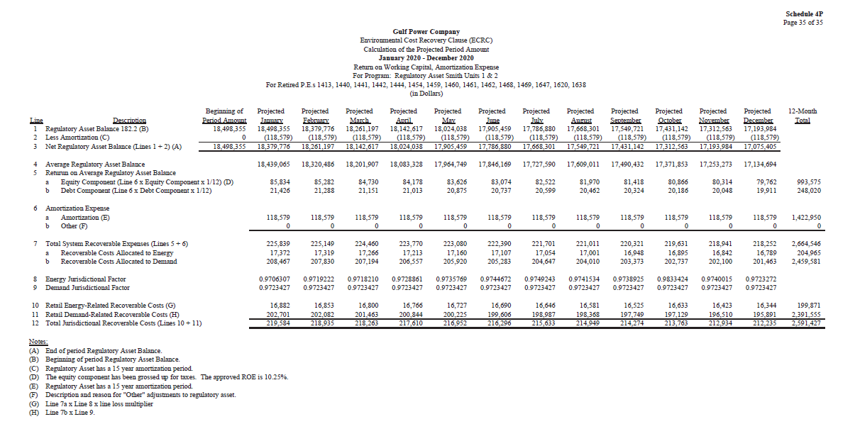

Depreciation rates
GULF 000170
20200070-EI

