Jurisdictional factor
GULF 000191
20200070-EI

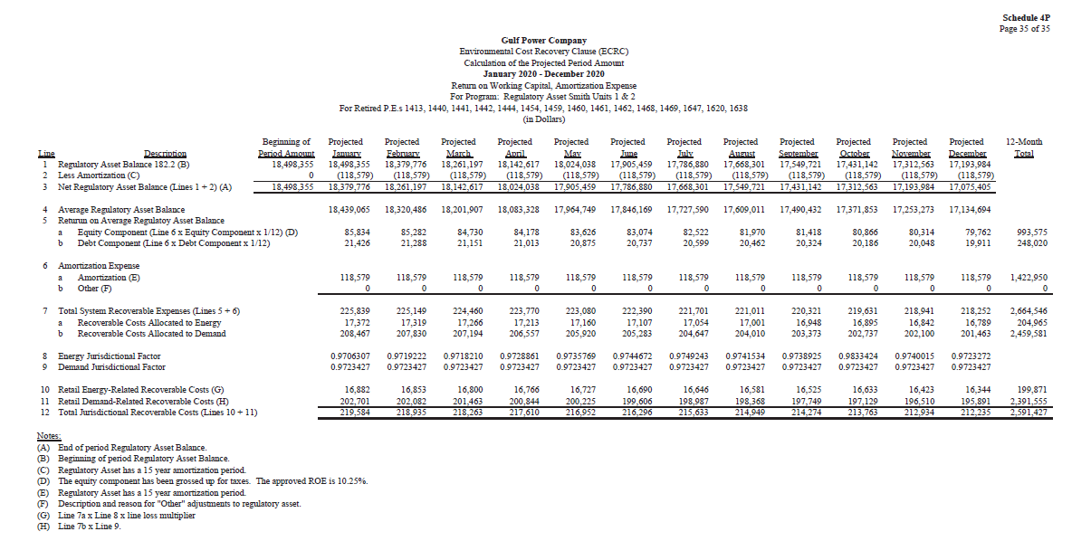

Depreciation rates
GULF 000192
20200070-EI

