Screenshot 5XX D&T
GULF 065192
20190038-EI

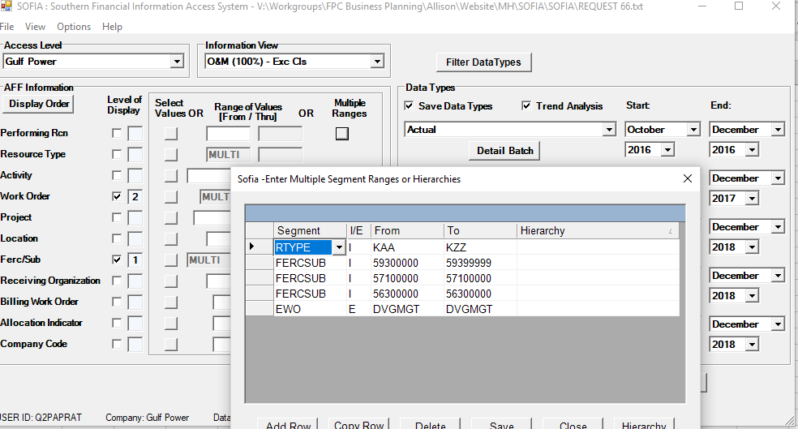

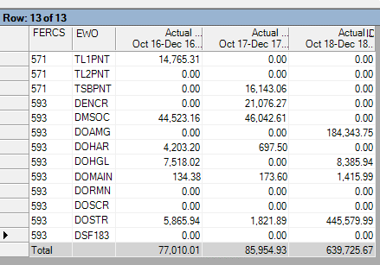

TRANSMISSION FERC 571

DISTRIBUTION FERC 593
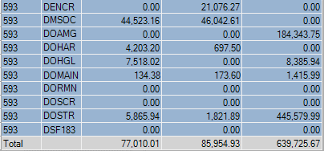

 | WITHOUT STORM - ONLY DELETE DSF 183

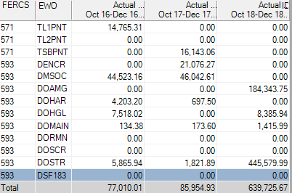

 |  | DISTRIBUTION WITHOUT STORM DSF183
 |  | OCTOBER | NOVEMBER | DECEMBER | TOTAL
 |  | $26,865.77 | $32,048.30 | $154,755.72 | $213,669.79
 |  | $15,224.25 | $14,251.23 | $229,554.05 | $259,029.53
 |  | $20,154.68 | $23,512.34 | $255,415.90 | $299,082.92

 |  | $62,244.70 | $69,811.87 | $639,725.67 | $771,782.24

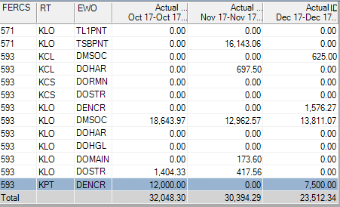
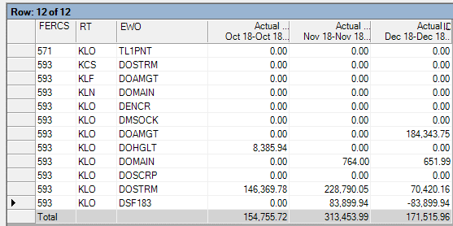
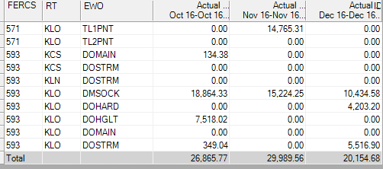

Screenshot 820 Clearing
GULF 065193
20190038-EI

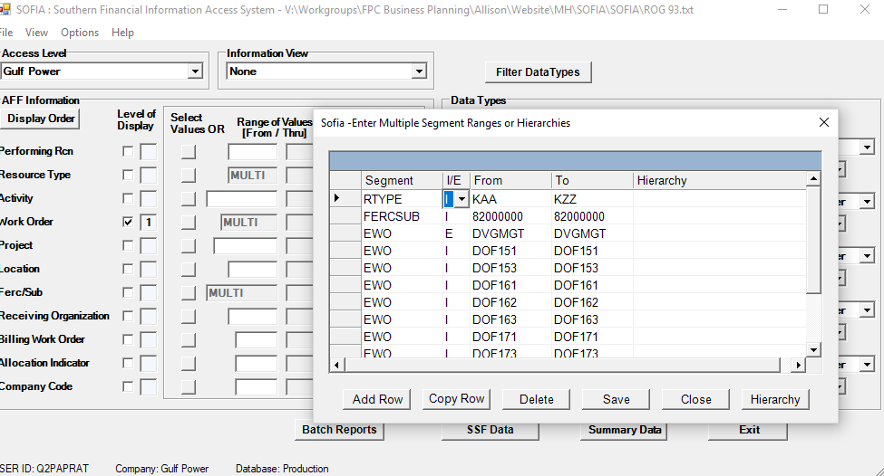

 | DOF162 | SEVERE WEATHER 2-23-2016 - DISTRIBUTION OVERHEAD
 | DOF151 | SEVERE THUNDERSTORMS - 4/25/2015 DISTRIBUTION OVERHEAD
 | DOF153 | HURRICANE PATRICIA 10/29/2015 DISTRIBUTION OVERHEAD
 | DOF161 | SEVERE THUNDERSTORMS & TORNADOS 2-15-2016-DIST OVERHEAD
 | DOF162 | SEVERE WEATHER 2-23-2016 - DISTRIBUTION OVERHEAD
 | DOF163 | TROPICAL STORM HERMINE - DISTRIBUTION OVERHEAD
 | DOF171 | THUNDERSTORMS AND TORNADOES 4/30/2017 - DIST OVERHEAD
 | DOF173 | HURRICANE NATE DISTRIBUTION OVERHEAD 10/2017
 | DOF181 | TROPICAL STORM ALBERTO DISTRIBUTION OVERHEAD 5/27/2018
 | DOF182 | HURRICANE GORDON 9/4/2018 DISTRIBUTION OVERHEAD
 | DOF183 | DISTRIBUTION OVERHEAD - HURRICANE MICHAEL 10/10/2018

