<3> PowerTax Rpt 1 - Tax Depr
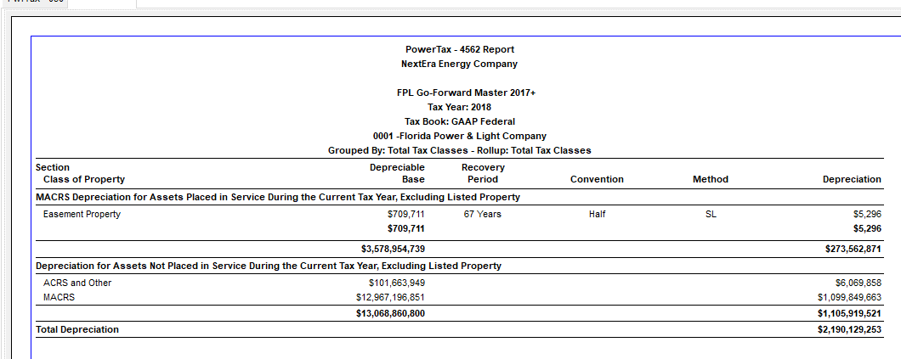
Florida Power & Light Company
Docket No. 20210015-EI
OPC's First Set of Interrogatories Supplemental
Interrogatory No. 118
Attachment No. 6 of 7
Tab 3 of 3

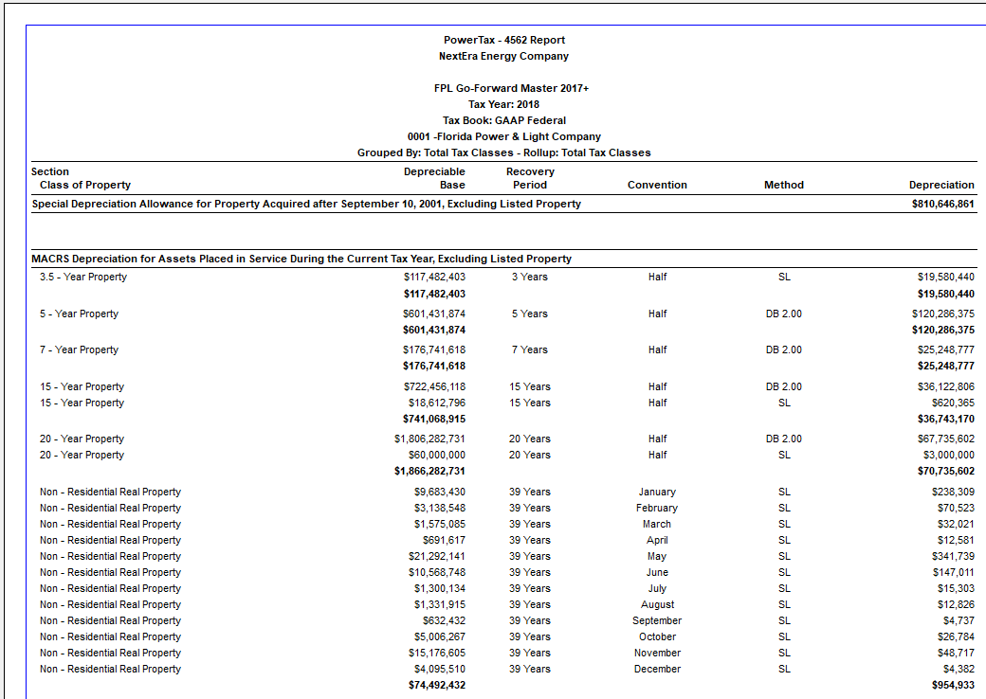

 | Bonus Depreciation | 810,646,861

 | Regular - Current Vintage | 273,562,871
 | Regular - Prior Vintages | 1,105,919,521
 | Total depreciation | 2,190,129,253

