<3> PowerTax Rpt 1 - Tax Depr
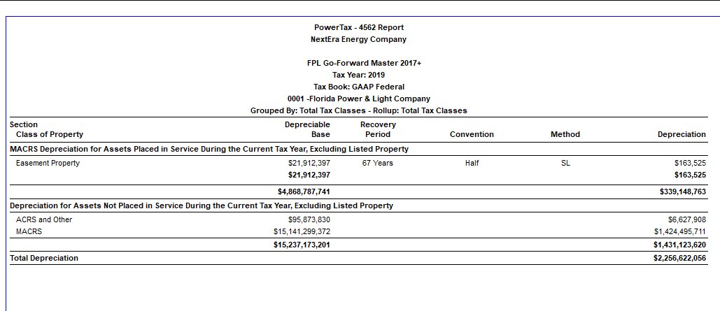
Florida Power & Light Company
Docket No. 20210015-EI
OPC's First Set of Interrogatories Supplemental
Interrogatory No. 118
Attachment No. 7 of 7
Tab 3 of 3

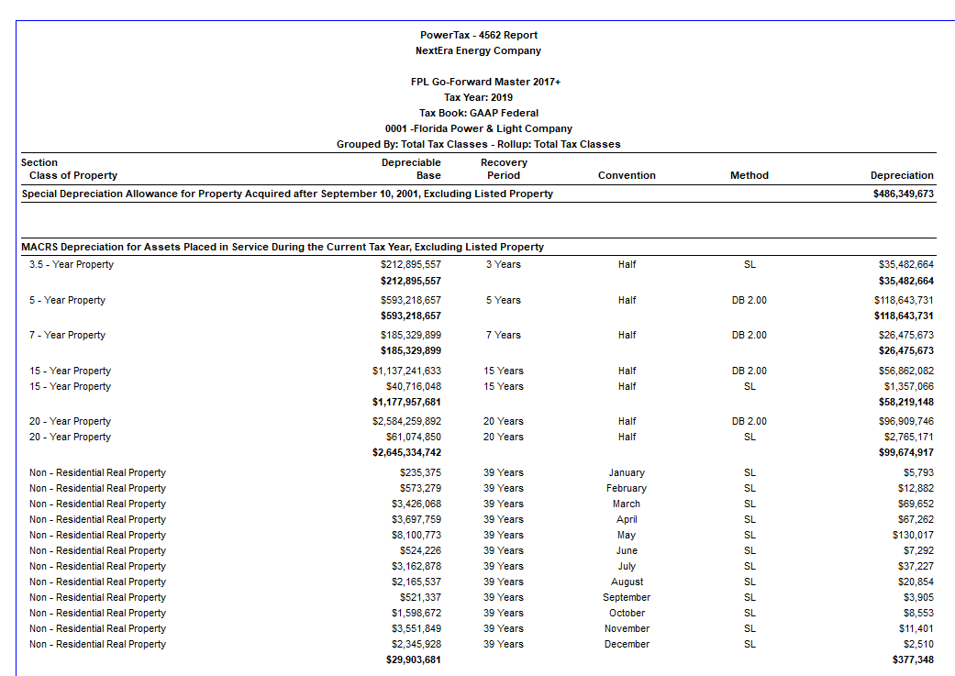

 | Bonus Depreciation | 486,349,673

 | Regular - Current Vintage | 339,148,763
 | Regular - Prior Vintages | 1,431,123,620
 | Total depreciation | 2,256,622,056

