BS Pages 1471-1473
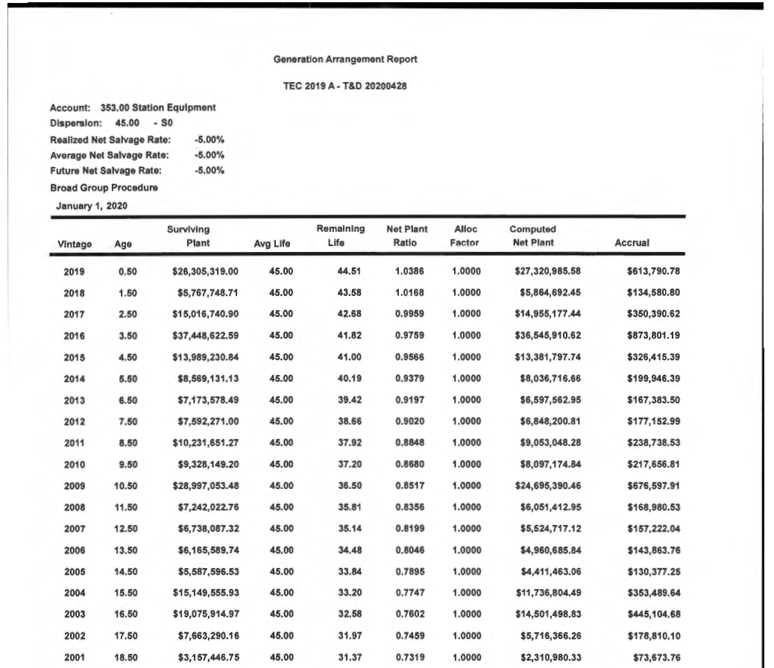

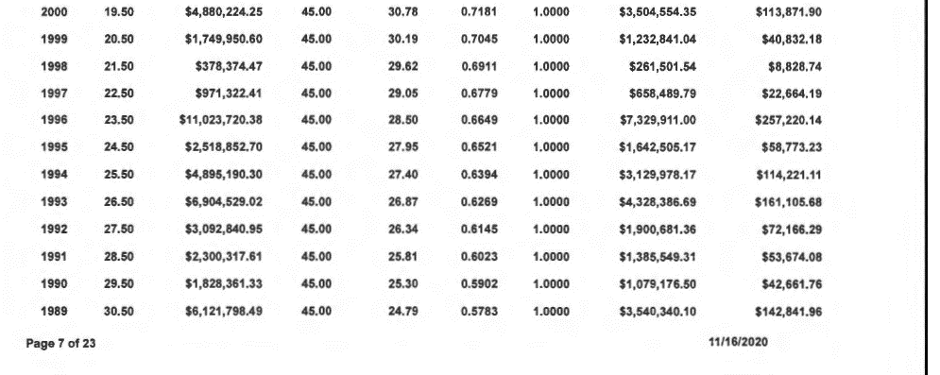

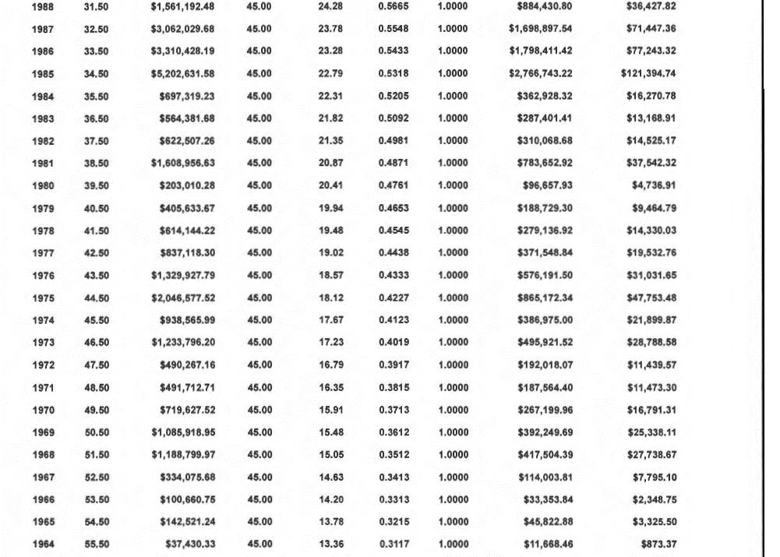

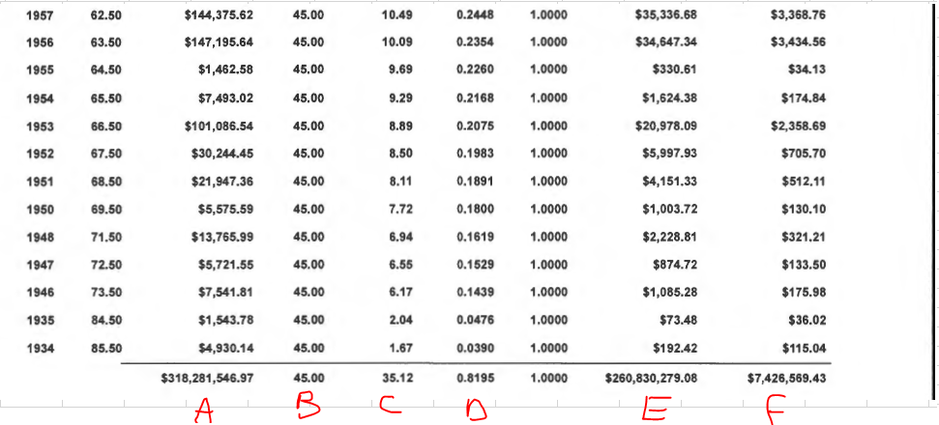

A - is the vintage level account survivors cost
B - is the avergae service of the account proposed
C - is the vintage level weighted average remaining life result from the curve life analysis

D & E - are Net Plant related results and is the software's standard output
Note: the inverse of the Net Plant Ratio is used to compute the Theorethcial Reserve, plus Net Salvage inclusion

F - is a net plant accrual, which is based on E / D

BS Page 1474
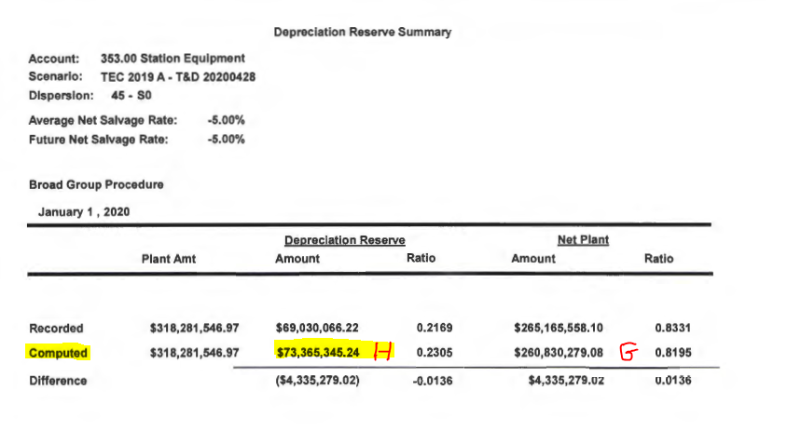

H - is the computed Depreciation Reserve (Theorethical Reserve which includes Net Salvage) that is compared
to the recorded Depreciation Reserve (Actual Book)

G - is the computed net plant ratio, however, this is only an informative result

BS Page 1475
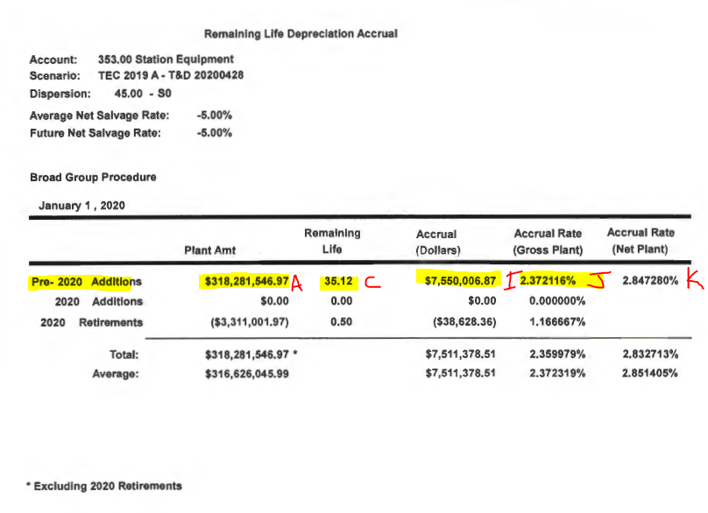

A & C come from the Generation Arrangement Report seen on Bate Stamp pages 1471-1473

Pre-2020 Additions row is used for our purposes

A, C, I, J | These unrounded data points are the results provided by the study software that closely resemble the Commission’s remaining life formula technique
I | However, this is only an informative result produced by the software based on the account pararmeters inputted.
C | Since commission practice is to round the average remaining service life when greater than 20 years to zero decimals causes a difference
J | Since commission practice is to round the resulting remaining life depreciation rate calculation to 1 decimal causes a difference

