#25 Investment
 |  |  |  |  |  | Florida Power & Light Company
 |  |  |  |  |  | Docket No. 20210002-EG
 |  |  |  |  |  | Staff’s 1st Set of Interrogatories
 |  |  |  |  |  | Interrogatory No. 25, Attachment I
 |  |  |  |  |  | Page 1 of 1

 |  |  |  |  |  |  |  |  | Apr-20
 |  |  |  |  |  |  |  |  | Depr Group | Amount | Type
Clause | Clause Program/Project | PP Function Class | PP Utility Acct | PP Amount Type | 2020 - Jan | 2020 - Feb | 2020 - Mar | 2020 - Apr | 36290Z000-DI | (96,799.65) | Retirement
2: Conservation (ECCR) | 302-Load Management (On call): LOAD MANAGEMENT ON-CALL PROGRAM | 7: 07 - Distribution Plant - Electric | N/A: N/A | RETIREMENTS: Retirements | (84,070.10) | (124,392.89) | (104,883.83) | (7,056,230.97) | 37120Z000-RE | (6,959,431.32) | Retirement
2: Conservation (ECCR) | 302-Load Management (On call): LOAD MANAGEMENT ON-CALL PROGRAM | 7: 07 - Distribution Plant - Electric | N/A: N/A | PLANT_ADDITIONS: Plant Additions | 29.09 | 11,219.87 | 127,874.38 | 74,092.73 |  | (7,056,230.97)
 |  |  |  |  | (84,041.01) | (113,173.02) | 22,990.55 | (6,982,138.24) | 37120Z000-RE | 863.62 | Addition
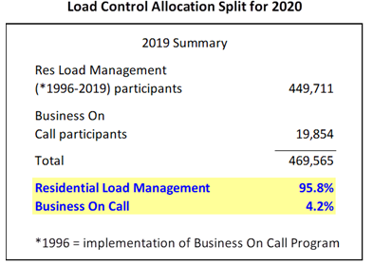
 |  |  |  |  |  |  |  |  | 36290Z000-DI | 73,229.11 | Addition
 |  |  |  |  |  |  | Residential % | 95.80% |  | 74,092.73
 |  |  |  |  |  |  |  | (6,688,888.43)

 |  |  |  | Reisdential Allocation: | (80,511) | (108,420) | 22,025 | (6,688,888)

