FPL 2020-2029
FPL SSP Programs | 2020 | 2021 | 2022 | 2023 | 2024 | 2025 | 2026 | 2027 | 2028 | 2029 | Total SSP Costs
Distribution - Pole
O&M | 3.8 | 3.8 | 3.8 | 3.8 | 3.8 | 3.9 | 3.9 | 4 | 4.1 | 4.2 | 39.1
Captial | 50.7 | 54.1 | 54.1 | 55.3 | 55.3 | 56.4 | 57.8 | 59.3 | 60.8 | 62.3 | 566.1 | 566.1
Total | 54.5 | 57.9 | 57.9 | 59 | 59.1 | 60.3 | 61.8 | 63.3 | 64.9 | 66.5 | 605.2

Transmission - Inspections
O&M | 1.3 | 1 | 1 | 1 | 1 | 1 | 1 | 1 | 1 | 1 | 10.5
Captial | 34.5 | 31.2 | 27.9 | 67.5 | 54.6 | 52 | 53.3 | 54.6 | 56 | 57.4 | 489 | 489
Total | 35.8 | 32.2 | 28.9 | 68.5 | 55.6 | 53 | 54.3 | 55.7 | 57 | 58.4 | 499.5

Distribution - Feeder Hardening
O&M | 0 | 0 | 0 | 0 | 0 | 0 | 0 | 0 | 0 | 0 | 0
Captial | 628.1 | 664.9 | 664.9 | 573.3 | 474.5 | 200 | 0 | 0 | 0 | 0 | 3205.8 | 3205.8
Total | 628.1 | 664.9 | 664.9 | 573.3 | 474.5 | 200 | 0 | 0 | 0 | 0 | 3205.8

Distribution - Lateral Hardening
O&M | 0 | 0 | 0 | 0 | 0 | 0 | 0 | 0 | 0 | 0 | 0
Captial | 120.4 | 212.5 | 342.8 | 475.6 | 631.4 | 631.4 | 647.2 | 663.4 | 679.9 | 696.9 | 5101.4 | 5101.4
Total | 120.4 | 212.5 | 342.8 | 475.6 | 631.4 | 631.4 | 647.2 | 663.4 | 679.9 | 696.9 | 5101.4

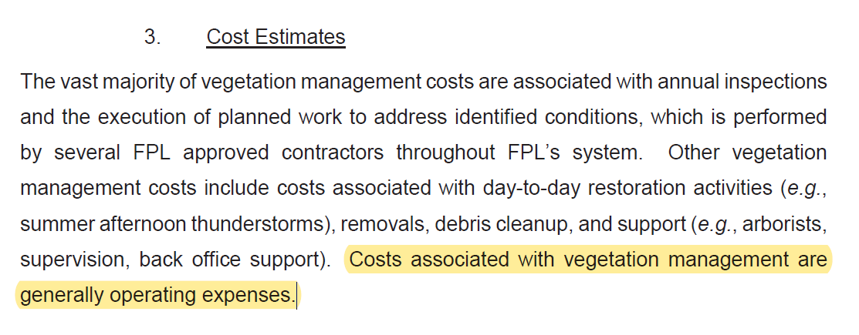
T- Replaceing Wood
O&M | 0.2 | 0.2 | 0.2 | 0 | 0 | 0 | 0 | 0 | 0 | 0 | 0.6
Captial | 52.7 | 42.7 | 21.9 | 0 | 0 | 0 | 0 | 0 | 0 | 0 | 117.3 | 117.3
Total | 52.9 | 42.9 | 22.1 | 0 | 0 | 0 | 0 | 0 | 0 | 0 | 117.9

D- VM
O&M | 61.1 | 61.3 | 60.2 | 60.2 | 60.6 | 60.6 | 59.5 | 58.5 | 57.4 | 56.4 | 595.7
Captial | 0 | 0 | 0 | 0 | 0 | 0 | 0 | 0 | 0 | 0 | 0 | 0
Total | 61.1 | 61.3 | 60.2 | 60.2 | 60.6 | 60.6 | 59.5 | 58.5 | 57.4 | 56.4 | 595.7

T- VM
O&M | 9 | 8.9 | 8.9 | 9 | 9.7 | 9.7 | 9.9 | 10.2 | 10.4 | 10.7 | 96.4
Captial | 0 | 0 | 0 | 0 | 0 | 0 | 0 | 0 | 0 | 0 | 0 | 0
Total | 9 | 8.9 | 8.9 | 9 | 9.7 | 9.7 | 9.9 | 10.2 | 10.4 | 10.7 | 96.4

Substation storm surge and FM
O&M | 0 | 0 | 0 | 0 | 0 | 0 | 0 | 0 | 0 | 0 | 0
Captial | 3 | 10 | 10 | 0 | 0 | 0 | 0 | 0 | 0 | 0 | 23 | 23
Total | 3 | 10 | 10 | 0 | 0 | 0 | 0 | 0 | 0 | 0 | 23

 |  |  |  |  |  |  |  |  |  |  |  | 9502.6

