Usage Tie Out
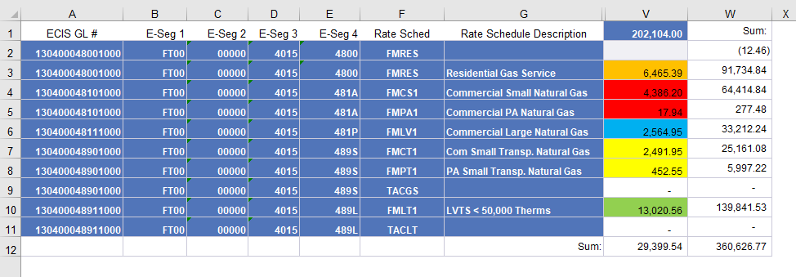
FT NG - Dashboard
2021-04-30

Row Labels | Sum of Usage | From ORP400 Report | Difference
Com Small Transp-Base | 2,944.50 | 2,944.50 | -
Com Small Transp-Base C Chg | - |  | -
Residential Base Rev customer | - |  | -
Residential Base Revenue | 6,465.39 | 6,465.39 | -
Small Commercial Base Rev-cust | - |  | -
Small Commercial Base Revenue | 4,404.14 | 4,404.14 | -
LV Transp Base Rev cust chg | - |  | -
LV Transportation Base Reven | 13,020.56 | 13,020.56 | -
Large Comml Base Rev Custm Chg | - |  | -
Large Commercial Base Revenue | 2,564.95 | 2,564.95 | -
Grand Total | 29,399.54 | 29,399.54 | -

