Usage Tie Out
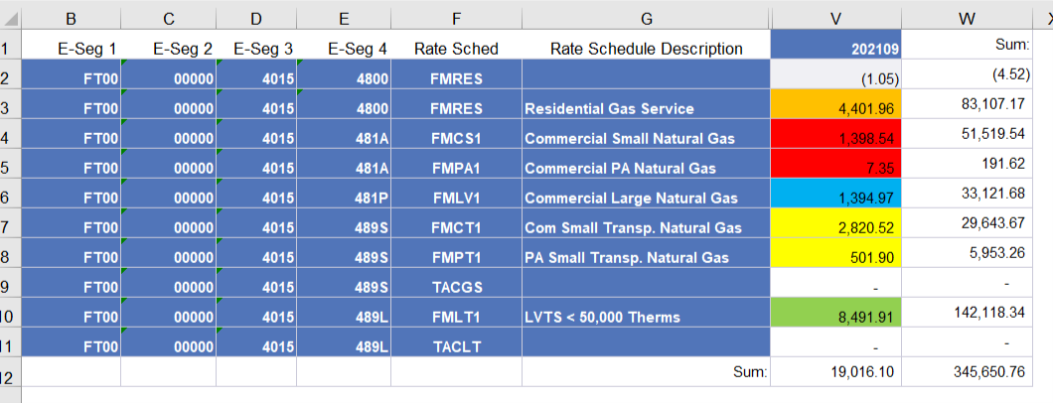
FT NG - Dashboard
2021-09-30

Row Labels | Sum of Usage | From ORP400 Report | Difference
Com Small Transp-Base | 3,322.42 | 3,322.42 | -
Com Small Transp-Base C Chg | - |  | -
Residential Base Rev customer | - |  | -
Residential Base Revenue | 4,401.96 | 4,401.96 | -
Small Commercial Base Rev-cust | - |  | -
Small Commercial Base Revenue | 1,405.89 | 1,405.89 | -
LV Transp Base Rev cust chg | - |  | -
LV Transportation Base Reven | 8,491.91 | 8,491.91 | -
Large Comml Base Rev Custm Chg | - |  | -
Large Commercial Base Revenue | 1,394.97 | 1,394.97 | -
Grand Total | 19,017.15 | 19,017.15 | -

