Usage Tie Out
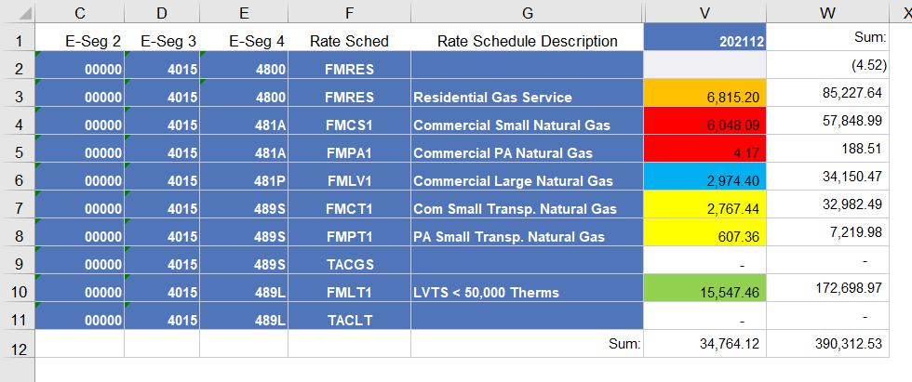
FT NG - Dashboard
2021-12-31

Row Labels | Sum of Usage | From ORP400 Report | Difference
Com Small Transp-Base | 3,374.80 | 3,374.80 | -
Com Small Transp-Base C Chg | - |  | -
Residential Base Rev customer | - |  | -
Residential Base Revenue | 6,815.20 | 6,815.20 | (0.00)
Small Commercial Base Rev-cust | - |  | -
Small Commercial Base Revenue | 6,052.26 | 6,052.26 | -
LV Transp Base Rev cust chg | - |  | -
LV Transportation Base Reven | 15,547.46 | 15,547.46 | -
Large Comml Base Rev Custm Chg | - |  | -
Large Commercial Base Revenue | 2,974.40 | 2,974.40 | -
Grand Total | 34,764.12 | 34,764.12 | (0.00)

