AEP Receivable Recl Pending
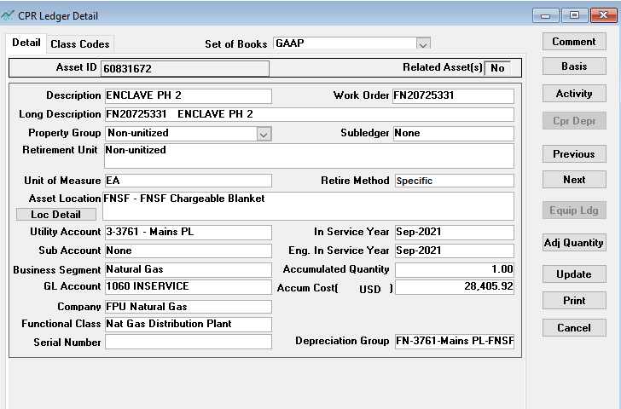

AEP recovery amount is only $7,558

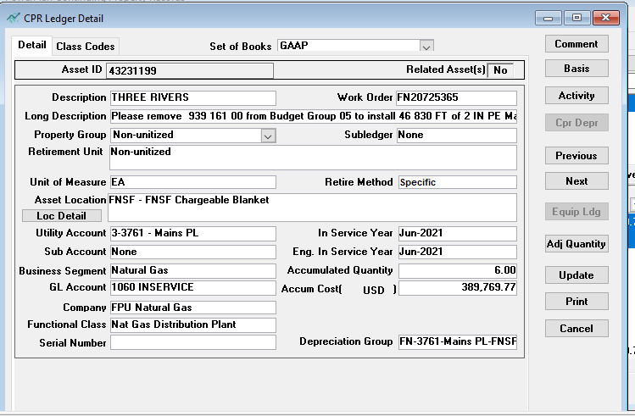

AEP Recovery amount is $775,563.54 but have only put $389,769.77 capital expenditure in service to date.
Will reclass $389,769.77 to receivable in February 2022.

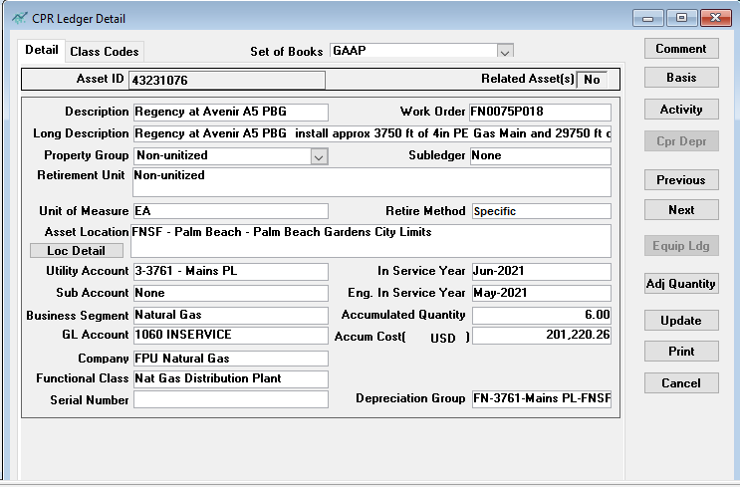

AEP Recovery amount is $315,814.10 but have only put $201,220.26 capital expenditure in service to date.
Will reclass $201,220.26 to receivable in February 2022.

