Exh K p2 - CFG
Florida Division of Chesapeake Utilities Corporation
Net Salvage Percentages
(Negative Percentage Indicates Negative Salvage)

 |  |  |  |  |  |  |  |  |  |  |  |  |  |  |  |  | - - - - 6 Year Total - - - -
 |  | 2019 | 2019 | 2019 | 2020 | 2020 | 2020 | 2021 | 2021 | 2021 | 2022 | 2022 | 2022 | 2023 | 2023 | 2023
 |  | TOTAL | NET | NET SAL. | TOTAL | NET | NET SAL. | TOTAL | NET | NET SAL. | TOTAL | NET | NET SAL. | TOTAL | NET | NET SAL. | TOTAL | TOTAL NET | TOTAL
ACCT. | DESCRIPTION | RET. | SAL. - (COR) | % | RET. | SAL. - (COR) | % | RET. | SAL. - (COR) | % | RET. | SAL. - (COR) | % | RET. | SAL. - (COR) | % | RET. | SAL. - (COR) | NET SAL. %
3750 | Structures & Improvements | $0 | $0 |  | $0 | ($8,200) |  | $0 | $0 |  | $0 | $0 |  | $0 | $0 |  | $0 | ($8,200)
3761 | Mains - Plastic | $78,363 | ($78,270) | (99.88%) | $16,255 | ($190,490) | (1,171.87%) | $6,139 | ($55,379) | (902.09%) | $0 | $100,973 |  | $0 | $102,037 |  | $176,716 | ($380,613) | (215.38%)
3762 | Mains - Other | $333,948 | ($228,643) | (68.47%) | $154,546 | ($223,274) | (144.47%) | $50,582 | ($269,882) | (533.55%) | $0 | $0 |  | $0 | $0 |  | $893,002 | ($962,952) | (107.83%)
3780 | Meas. & Reg. Station Equip - General | $0 | ($14,357) |  | $0 | $0 |  | $0 | $0 |  | $0 | $61,400 |  | $0 | $63,647 |  | $0 | $110,078
3801 | Services - Plastic | $61,430 | ($102,332) | (166.58%) | $91,234 | ($172,238) | (188.79%) | $17,393 | ($28,147) | (161.83%) | $0 | $103,740 |  | $0 | $103,740 |  | $248,434 | ($212,829) | (85.67%)
3802 | Services - Other | $0 | ($90,761) |  | $0 | ($24,738) |  | $0 | ($29,640) |  | $0 | $0 |  | $0 | $0 |  | $0 | ($249,310)
380G | Services - GRIP | $0 | $0 |  | $0 | $0 |  | $0 | $0 |  | $0 | $0 |  | $0 | $0 |  | $0 | $0
3810 | Meters | $233,771 | ($45) | (0.02%) | $17,850 | $0 |  | $41,310 | $0 |  | $0 | $0 |  | $0 | $0 |  | $292,932 | ($45) | (0.02%)
3811 | Meters - AMR Equipment | $0 | $0 |  | $0 | $0 |  | $0 | $0 |  | $0 | $0 |  | $0 | $0 |  | $0 | $0
3820 | Meter Installations | $16,448 | ($855) | (5.2%) | $0 | $0 |  | $0 | ($16,281) |  | $0 | $936 |  | $0 | $936 |  | $19,699 | ($34,934) | (177.34%)
3830 | Regulators | $0 | ($4,607) |  | $0 | $0 |  | $0 | $0 |  | $0 | $60 |  | $0 | $60 |  | $25,172 | ($4,487) | (17.83%)
 | TOTALS | $1,064,409 | ($513,070) |  | $1,533,747 | ($605,441) |  | $225,248 | ($399,328) |  | $0 | $267,109 |  | $0 | $270,420 |  | $3,581,119 | ($1,706,331)
 |  |  | Corey Gehardt
 |  |  | Assoc Project
Year | Project Desc |  | Correction | As Coded | Amount | Notes:
2019-2020 | Steel Service retirements |  | N/A | 3802 | $(145,138.74) | Due to the use of a average cost on services all of CFG's steel services on our book have been retired prior to 2018
2019 | Recker 21St Retirement | CF19081216R | $33,183.89 | 3780 | $(14,357.30) | Asset is in FERC 3790 the COR will be moved to 3790 during Q1 2022
2020 | WH Cabana Demolition | CF19021213R |  | 3750 | $(8,200.00) | Missing Retirements |  | Mike McCarty-maybe, enclosed poarch,
2021 | WH Meter Install and Ret Blanket | CF0002P004 | 3810 | 3820 | (15,633.74)
2021 | Hern Meter Install and Ret Blanket | CF0012P004 | 3810 | 3820 | (647.11)
2019 | Retire Regulators under 1 In | CF19201999R | 3810 | 3830 | $(4,606.50) | Meters

 |  |  |  |  |  |  |  |  | *Subquatic engineerning scuba

 |  |  |  |  |  |  |  |  |  | IRR 13589 CF19801216R

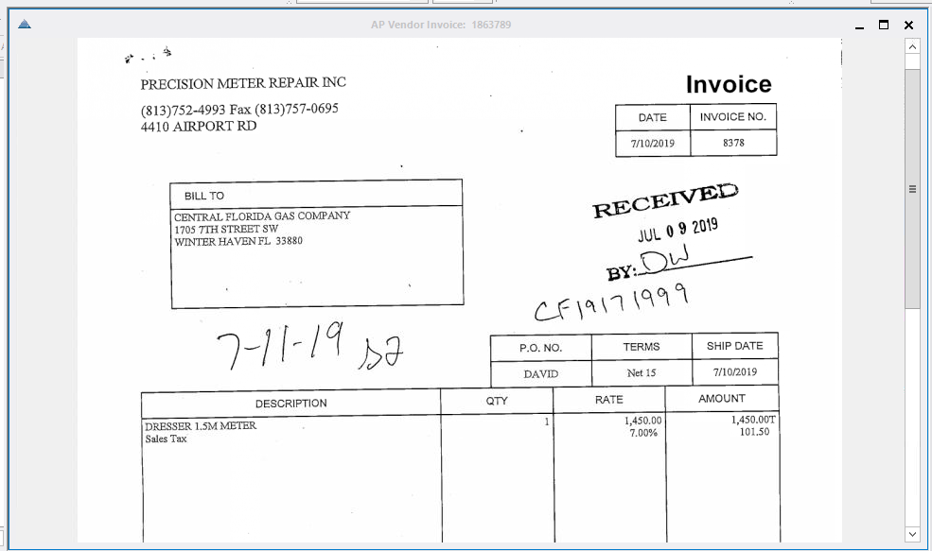

 |  |  |  |  |  |  |  |  |  | 13551 CF19201213R

