Rate Case expenses with hearing
Rate Case Projected Expenses- Consolidated Natural Gas Rate Case

 |  |  | Original Projected Amount | Actual as of 02/10/2022 | Remaining | Description or Calculation of Remaining amount
Outside Consultants:

Atrium Economics LLC | Consulting Fees |  | $198,000 | $109,737 | $88,263
 | Other Costs - travel, administrative expenses etc |  | 20,000 | - | 20,000
 | Post filing support (rogs, pods, rebuttal testimony, hearing) |  | 198,000 |  | 198,000 | 100% of pre-filing costs
 |  |  | 416,000 | 109,737 | 306,263

Pierpont and Mclelland LLC | Consulting Fees |  |  | 51,708 | (51,708)
 | Post filing support (rogs, pods, rebuttal testimony) |  | 12,513 |  | 12,513
 |  |  | 12,513 | 51,708 | (39,195)

Kathy Welch | Consulting Fees includes rogs/pods |  | 302,400 | 107,278 | 195,122
 | Post filing support (hearing) |  | 24,000 |  | 24,000
 |  |  | 326,400 | 107,278 | 219,122

Paul R. Moul | Consulting Fees |  | 34,000 |  | 34,000 | ok
 | Post filing support (rogs, pods, rebuttal testimony,hearing) |  | 54,740 |  | 54,740
 |  |  | 88,740 |  | 88,740

Kathy McVay | Consulting Fees |  | 2,359 | - | 2,359

Pat Lee | Consulting Fees |  | 29,000 |  | 29,000 | Flat Fee
 | Post filing support (rogs, pods, rebuttal testimony,hearing) |  | 131,200 |  | 131,200
 |  |  | 160,200 | - | 160,200

Grayson Accounting | Consulting Fees |  | 25,594 | 3,206 | 22,388

Bety Maitre | Consulting Fees |  | 42,000 | 280 | 41,720

Prudential & EY | Consulting Fees - pension analysis |  | 150,000 | - | 150,000 | ok

James Terry Deason | Consulting Fees |  | 26,350 | 8,075 | 18,275

EY LLP | Consulting Fees - customer care testimony |  | 60,000 | - | 60,000

Tariff Re-write | Atrium |  | 27,818 |  |  | actual costs
 | Pierpont |  | 63,446 |  |  | actual + estimated
 | Kathy Welch |  | 3,332 |  |  | actual costs
 |  |  | 94,596

Gunster Yoakley | Legal Services to support rate case |  | 366,000 | 12,009 | 353,991
 | Materials/Binders |  | 21,719 |  | 21,719
 |  |  |  |  | -

 |  |  | 387,719 | 12,009 | 375,710

Baker Hostetler | Legal Services - Consolidation of BU's |  | 75,000 |  | 75,000

Additonal Personnel and Temporary Pay:

Additional Personnel | Payroll for staff dedicated to Rate Case |  | 625,594 | 80,759 | 544,835
Temp services - Donna Rance | Temp services |  | 27,188 | 2,473 | 24,714
Temp services - Accounting | Cover staff working on rate case |  | 514,000 |  | 514,000
 |  |  | 1,166,782 | 83,233 | 1,083,549

Travel Expenses:

5 Service Hearings

Hotel |  |  | 5,600 |  | 5,600
Travel |  |  | 3,787 |  | 3,787
Meals |  |  | 1,600 |  | 1,600
Venue |  |  | - |  | -
 |  |  | 10,987 | - | 10,987
Other Travel to WPB, and FPSC
Hotel |  |  | 32,100 | - | 32,100
Travel |  |  | 5,532 | - | 5,532
Meals |  |  | 32,640 | - | 32,640
Other |  |  |  | - | -

 |  |  | 70,272 | - | 70,272
Mailing, Office Supplies, Adm Costs, Other
Customer hearing notices |  |  | 81,000 | - | 81,000 | 91,000 customers
Hearing notices |  |  | 81,000 | - | 81,000 | 91,000 customers
Final rate notices |  |  | 82,000 | - | 82,000 | 91,000 customers
Ads for newspapers |  |  | 10,000 | - | 10,000 | Local ads, three times
Office Costs (supplies, postage, printing, filing MFRs) |  |  | 50,000 | - | 50,000 | Estimate
 |  |  |  | - | - | Estimate
 |  |  | - | - | -
 |  |  | 304,000 | - | 304,000

Vertex Assistance w/Billing System Update |  |  | 8,063

 |  | TOTAL | 3,427,574 | 375,527 | 2,949,388
5 years |  |  | $685,515 | $75,105 | $589,878
 |  |  | Per P&L allocation (see email screenshot below) |  | Annual amort | 2022 Build up per month beginning Feb 2022
 |  | FN | 71.880% | 2,463,740 | 492,747 | 223,976 | 41,062 | 20,531
 |  | CFG | 27.680% | 948,753 | 189,751 | 86,250 | 15,813 | 7,907
 |  | FI | 0.170% | 5,827 | 1,165 | 530 | 97 | 49
 |  | FT | 0.270% | 9,254 | 1,851 | 841 | 154 | 77
 |  |  | 100.000% | 3,427,574 | 685,514 | 311,598 | 57,126 | 28,564

 |  |  |  | (0.24) | (1.00)

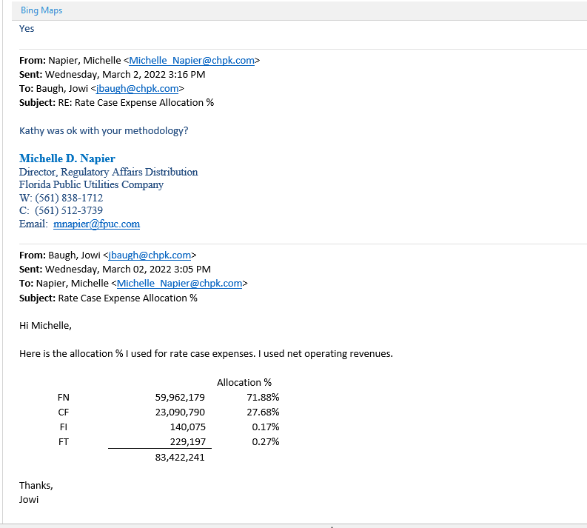

Sheet4
Journal_Type | Originating_Org | Journal_Number | Account_Code | Seg1_Code | Seg2_Code | Seg3_Code | Seg4_Code | Reference_Code | Amount | Description | Vendor_Name | Document_1 | Document_2 | Apply_Date | Posted_Date | Posted_Status
SLCLR | CU00 | JRNL00546878 | EK00-00000-1760-1860 | EK00 | 00000 | 1760 | 1860 | EK0022RC | 13,803.32 | SL Clearing |  |  | JRNL00546878 | 2021-11-30 | 2021-12-06 | Yes
SLCLR | CU00 | JRNL00545365 | EK00-00000-1760-1860 | EK00 | 00000 | 1760 | 1860 | EK0022RC | 14,335.19 | SL Clearing |  |  | JRNL00545365 | 2021-10-31 | 2021-11-04 | Yes
SLCLR | CU00 | JRNL00543557 | EK00-00000-1760-1860 | EK00 | 00000 | 1760 | 1860 | EK0022RC | 12,934.02 | SL Clearing |  |  | JRNL00543557 | 2021-09-30 | 2021-10-06 | Yes
SLCLR | CU00 | JRNL00541987 | EK00-00000-1760-1860 | EK00 | 00000 | 1760 | 1860 | EK0022RC | 15,836.29 | SL Clearing |  |  | JRNL00541987 | 2021-08-31 | 2021-09-09 | Yes
SLCLR | CU00 | JRNL00540246 | EK00-00000-1760-1860 | EK00 | 00000 | 1760 | 1860 | EK0022RC | 9,318.63 | SL Clearing |  |  | JRNL00540246 | 2021-07-31 | 2021-08-05 | Yes
 |  |  |  |  |  |  |  |  | 66,227.45
This will be reclassed to the Florida NG consolidated rate case deferred account

