2020
TAXES ON DRILLDOWN
 |  |  |  | FN | CF | FI | FT | Total
CORPORATE SERVICES | PAYROLL TAX | 8200 | Payroll Tax from Corporate | 174,418 | 74,779 | 1,095 | 1,129 | 251,421
CORPORATE SERVICES | MISC. OTHER | 8290 | Other |  |  |  |  | -
TOTI | PAYROLL TAX | 8210 | FICA, SUTA, FUTA | 555,986 | 195,408 | 5,755 | 4,101 | 761,250
TOTI | INTER DEPT PR TAX | 821D |  | (59,834) |  |  |  | (59,834)
TOTI | PROPETY TAX | 8220 | Property | 3,658,877 | 1,319,124 | 30,259 | 16,000 | 5,024,260
TOTI | MISC. OTHER | 8290 | Other | 50,574 | 17,695 | 252 | 252 | 68,773
COST OF SALES | FRANCHISE | 5881 | Franchise Fee | 1,417,714 | 580,442 |  | 15,440 | 2,013,596
COST OF SALES | GROSS RECEIPTS | 5882 | Gross Receipts | 1,884,698 |  |  | 7,517 | 1,892,215
COST OF SALES | PSC | 5883 | Utility Assessment Fee | 449,265 | 152,703 | 1,285 | 1,845 | 605,098
CORPORATE OVERHEAD |  | 8200 |  |  |  |  |  | -
 |  |  |  | 8,131,698 | 2,340,151 | 38,646 | 46,284 | 10,556,779

 |  |  |  | 4,380,021 | 1,607,006 | 37,361 | 21,482 | 6,045,870

 |  |  |  | 3,751,677 | 733,145 | 1,285 | 24,802 | 4,510,909
 |  |  | 4081 TOTI in COS | 3,751,679 | 733,144 | 1,285 | 24,801
 |  |  |  | (2) | 1 | - | 1

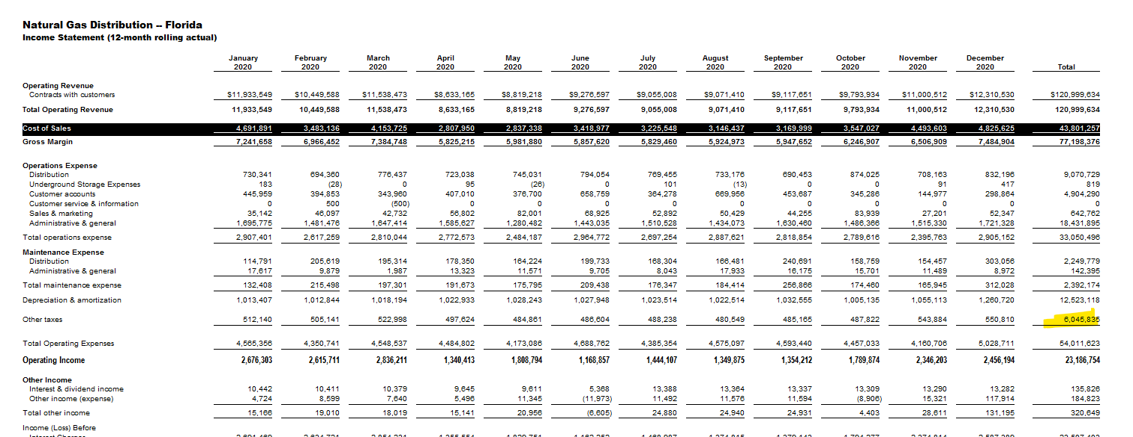

2021
TAXES ON DRILLDOWN
 |  |  |  | FN | CF | FI | FT | Total
CORPORATE SERVICES | PAYROLL TAX | 8200 | Payroll Tax from Corporate | 187,841 | 82,278 | 1,095 | 356 | 271,570
CORPORATE SERVICES | MISC. OTHER | 8290 | Other |  |  |  |  | -
TOTI | PAYROLL TAX | 8210 | FICA, SUTA, FUTA | 571,068 | 204,892 | 5,304 | 3,598 | 784,862
TOTI | INTER DEPT PR TAX | 821D |  | (47,709) |  |  |  | (47,709)
TOTI | PROPETY TAX | 8220 | Property | 4,068,370 | 1,370,342 | 29,445 | 18,552 | 5,486,709
TOTI | MISC. OTHER | 8290 | Other | 96,715 | 17,202 | 252 | - | 114,169
COST OF SALES | FRANCHISE | 5881 | Franchise Fee | 1,702,859 | 717,601 |  | 14,458 | 2,434,919
COST OF SALES | GROSS RECEIPTS | 5882 | Gross Receipts | 2,076,347 |  |  | 8,655 | 2,085,001
COST OF SALES | PSC | 5883 | Utility Assessment Fee | 513,751 | 171,348 | 864 | 2,075 | 688,038
CORPORATE OVERHEAD |  | 8200 |  |  |  |  |  | -
 |  |  |  | 9,169,241 | 2,563,663 | 36,960 | 47,694 | 11,817,559

 |  |  |  | 4,876,284 | 1,674,714 | 36,097 | 22,506 | 6,609,601

 |  |  |  | 4,292,957 | 888,950 | 864 | 25,188 | 5,207,958
 |  |  | 4081 TOTI in COS | 4,292,957 | 888,949 | 864 | 25,188
 |  |  |  | (0) | 1 | (0) | (0)

