OPC_POD_21 RCF Pricing Grid
CUC
OPC_POD_21 - Russell - Revolver Pricing Grid
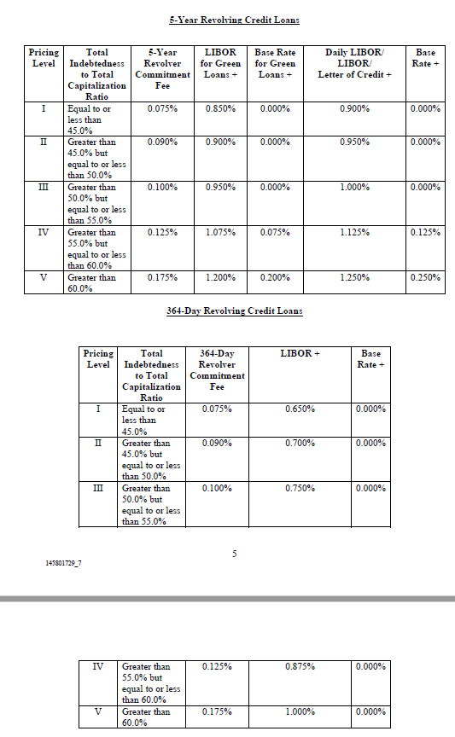

OPC_POD_21 CPK Market Cap
Chesapeake Utilities Corporation Market Cap History

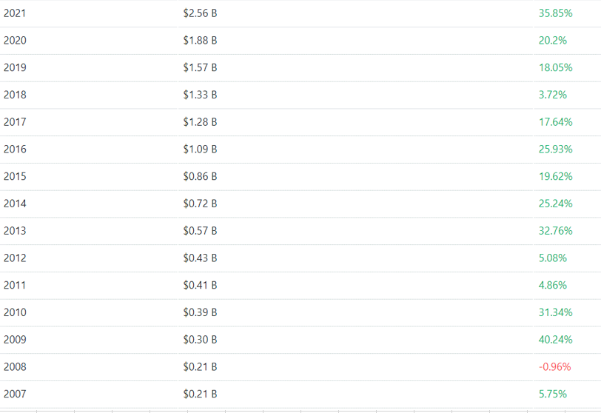

OPC_POD_21 Mkt vs CPK Execution
Chesapeake Utilities Corporation
FPU Rate Case
LT Debt Cost of Capital Comparison

10 Year Treasury Yield - 13 Month Avg.
2008 | 3.63%
2009 | 3.20%
2010 | 3.19%
2011 | 2.78%
2012 | 1.75%
2013 | 2.31%
2014 | 2.52%
2015 | 2.10%
2016 | 1.86%
2017 | 2.34%
2018 | 2.85%
2019 | 2.13%
2020 | 0.90%
2021 | 1.42%
 | Cost Rate
FPUC's Cost of Long-Term Debt in Last Rage Case | 6.96%

Less: Change in 10/30 yr Treasury yields | -2.21%
Less: Improvement in Long-term Debt Interest Rates
of CUC's Execution | -1.27%

FPUC's Cost-of Debt in Current Rate Case (2023 Test Year) | 3.48%

30 Year Treasury Yield - 13 Month Avg.
2008 | 4.24%
2009 | 3.99%
2010 | 4.21%
2011 | 3.90%
2012 | 2.88%
2013 | 3.42%
2014 | 3.32%
2015 | 2.81%
2016 | 2.62%
2017 | 2.90%
2018 | 3.07%
2019 | 2.57%
2020 | 1.57%
2021 | 2.02%

Acquisition Case Return on Capital

 | Cost Rate | Ratio | Weighted Cost
Equity | 10.85% | 46.67% | 5.06%
LT Debt | 6.96% | 30.76% | 2.14%
St Debt | 1.76% | 0.00% | 0.00%
Cust Deposits | 6.21% | 10.85% | 0.67%
Deferred Inc Tax | 0.00% | 11.60% | 0.00%
ITC | 9.01% | 0.12% | 0.01%
 |  | 100.00% | 7.89%

OPC_POD_21 Hist. 10 Yr Treasury
Treasury Yield 10 Years (^TNX)

Date | Open | High | Low | Close | Adj Close | Volume | Year | Date | Rate |  | 13 Month Average Rate
2007-12-01 | 3.944 | 4.281 | 3.84 | 4.035 | 4.035 | 0 | 2007 | 2007-12-01 | 4.04% | 2008 | 3.63%
2008-01-01 | 4.033 | 4.052 | 3.281 | 3.639 | 3.639 | 0 | 2008 | 2008-01-01 | 3.64% | 2009 | 3.20% | -0.43%
2008-02-01 | 3.652 | 3.96 | 3.526 | 3.534 | 3.534 | 0 | 2008 | 2008-02-01 | 3.53% | 2010 | 3.19% | -0.01%
2008-03-01 | 3.562 | 3.704 | 3.288 | 3.432 | 3.432 | 0 | 2008 | 2008-03-01 | 3.43% | 2011 | 2.78% | -0.41%
2008-04-01 | 3.486 | 3.888 | 3.43 | 3.759 | 3.759 | 0 | 2008 | 2008-04-01 | 3.76% | 2012 | 1.75% | -1.03%
2008-05-01 | 3.751 | 4.139 | 3.682 | 4.046 | 4.046 | 0 | 2008 | 2008-05-01 | 4.05% | 2013 | 2.31% | 0.56%
2008-06-01 | 4.025 | 4.324 | 3.856 | 3.979 | 3.979 | 0 | 2008 | 2008-06-01 | 3.98% | 2014 | 2.52% | 0.21%
2008-07-01 | 3.942 | 4.174 | 3.769 | 3.979 | 3.979 | 0 | 2008 | 2008-07-01 | 3.98% | 2015 | 2.10% | -0.42%
2008-08-01 | 3.942 | 4.09 | 3.763 | 3.813 | 3.813 | 0 | 2008 | 2008-08-01 | 3.81% | 2016 | 1.86% | -0.25%
2008-09-01 | 3.847 | 3.905 | 3.25 | 3.827 | 3.827 | 0 | 2008 | 2008-09-01 | 3.83% | 2017 | 2.34% | 0.48%
2008-10-01 | 3.748 | 4.109 | 3.4 | 3.97 | 3.97 | 0 | 2008 | 2008-10-01 | 3.97% | 2018 | 2.85% | 0.52%
2008-11-01 | 3.937 | 3.964 | 2.93 | 2.957 | 2.957 | 0 | 2008 | 2008-11-01 | 2.96% | 2019 | 2.13% | -0.72%
2008-12-01 | 2.883 | 2.887 | 2.038 | 2.244 | 2.244 | 0 | 2008 | 2008-12-01 | 2.24% | 2020 | 0.90% | -1.23%
2009-01-01 | 2.203 | 2.856 | 2.159 | 2.844 | 2.844 | 0 | 2009 | 2009-01-01 | 2.84% | 2021 | 1.42% | 0.52%
2009-02-01 | 2.833 | 3.054 | 2.628 | 3.041 | 3.041 | 0 | 2009 | 2009-02-01 | 3.04% |  |  | -2.21%
10 Year Treasury Yield - 13 Month Avg.
2009-03-01 | 2.963 | 3.041 | 2.464 | 2.685 | 2.685 | 0 | 2009 | 2009-03-01 | 2.69%
2009-04-01 | 2.659 | 3.166 | 2.634 | 3.124 | 3.124 | 0 | 2009 | 2009-04-01 | 3.12% |  | -0.85%
2009-05-01 | 3.167 | 3.758 | 3.077 | 3.465 | 3.465 | 0 | 2009 | 2009-05-01 | 3.47% |  | -1.32%
2009-06-01 | 3.505 | 4.014 | 3.456 | 3.523 | 3.523 | 0 | 2009 | 2009-06-01 | 3.52%
2009-07-01 | 3.589 | 3.766 | 3.265 | 3.501 | 3.501 | 0 | 2009 | 2009-07-01 | 3.50%
2009-08-01 | 3.565 | 3.886 | 3.394 | 3.401 | 3.401 | 0 | 2009 | 2009-08-01 | 3.40%
2009-09-01 | 3.399 | 3.535 | 3.272 | 3.307 | 3.307 | 0 | 2009 | 2009-09-01 | 3.31%
2009-10-01 | 3.29 | 3.579 | 3.106 | 3.392 | 3.392 | 0 | 2009 | 2009-10-01 | 3.39%
2009-11-01 | 3.403 | 3.564 | 3.2 | 3.201 | 3.201 | 0 | 2009 | 2009-11-01 | 3.20%
2009-12-01 | 3.231 | 3.918 | 3.223 | 3.843 | 3.843 | 0 | 2009 | 2009-12-01 | 3.84%
2010-01-01 | 3.859 | 3.859 | 3.576 | 3.609 | 3.609 | 0 | 2010 | 2010-01-01 | 3.61%
2010-02-01 | 3.633 | 3.828 | 3.537 | 3.595 | 3.595 | 0 | 2010 | 2010-02-01 | 3.60%
2010-03-01 | 3.617 | 3.93 | 3.593 | 3.833 | 3.833 | 0 | 2010 | 2010-03-01 | 3.83%
2010-04-01 | 3.859 | 4.013 | 3.655 | 3.663 | 3.663 | 0 | 2010 | 2010-04-01 | 3.66%
2010-05-01 | 3.695 | 3.713 | 3.098 | 3.301 | 3.301 | 0 | 2010 | 2010-05-01 | 3.30%
2010-06-01 | 3.259 | 3.425 | 2.947 | 2.951 | 2.951 | 0 | 2010 | 2010-06-01 | 2.95%
2010-07-01 | 2.929 | 3.124 | 2.883 | 2.907 | 2.907 | 0 | 2010 | 2010-07-01 | 2.91%
2010-08-01 | 2.934 | 2.964 | 2.419 | 2.477 | 2.477 | 0 | 2010 | 2010-08-01 | 2.48%
2010-09-01 | 2.491 | 2.827 | 2.449 | 2.517 | 2.517 | 0 | 2010 | 2010-09-01 | 2.52%
2010-10-01 | 2.546 | 2.72 | 2.334 | 2.612 | 2.612 | 0 | 2010 | 2010-10-01 | 2.61%
2010-11-01 | 2.588 | 2.963 | 2.46 | 2.797 | 2.797 | 0 | 2010 | 2010-11-01 | 2.80%
2010-12-01 | 2.903 | 3.566 | 2.89 | 3.305 | 3.305 | 0 | 2010 | 2010-12-01 | 3.31%
2011-01-01 | 3.377 | 3.497 | 3.255 | 3.378 | 3.378 | 0 | 2011 | 2011-01-01 | 3.38%
2011-02-01 | 3.428 | 3.744 | 3.398 | 3.414 | 3.414 | 0 | 2011 | 2011-02-01 | 3.41%
2011-03-01 | 3.464 | 3.595 | 3.141 | 3.454 | 3.454 | 0 | 2011 | 2011-03-01 | 3.45%
2011-04-01 | 3.498 | 3.619 | 3.286 | 3.296 | 3.296 | 0 | 2011 | 2011-04-01 | 3.30%
2011-05-01 | 3.312 | 3.312 | 3.041 | 3.05 | 3.05 | 0 | 2011 | 2011-05-01 | 3.05%
2011-06-01 | 3.015 | 3.216 | 2.847 | 3.158 | 3.158 | 0 | 2011 | 2011-06-01 | 3.16%
2011-07-01 | 3.147 | 3.223 | 2.805 | 2.805 | 2.805 | 0 | 2011 | 2011-07-01 | 2.81%
2011-08-01 | 2.792 | 2.821 | 1.978 | 2.218 | 2.218 | 0 | 2011 | 2011-08-01 | 2.22%
2011-09-01 | 2.202 | 2.278 | 1.696 | 1.924 | 1.924 | 0 | 2011 | 2011-09-01 | 1.92%
2011-10-01 | 1.883 | 2.407 | 1.717 | 2.175 | 2.175 | 0 | 2011 | 2011-10-01 | 2.18%
2011-11-01 | 2.029 | 2.137 | 1.879 | 2.068 | 2.068 | 0 | 2011 | 2011-11-01 | 2.07%
2011-12-01 | 2.128 | 2.156 | 1.801 | 1.871 | 1.871 | 0 | 2011 | 2011-12-01 | 1.87%
2012-01-01 | 1.951 | 2.094 | 1.797 | 1.799 | 1.799 | 0 | 2012 | 2012-01-01 | 1.80%
2012-02-01 | 1.807 | 2.08 | 1.8 | 1.977 | 1.977 | 0 | 2012 | 2012-02-01 | 1.98%
2012-03-01 | 2.033 | 2.397 | 1.931 | 2.216 | 2.216 | 0 | 2012 | 2012-03-01 | 2.22%
2012-04-01 | 2.2 | 2.284 | 1.907 | 1.915 | 1.915 | 0 | 2012 | 2012-04-01 | 1.92%
2012-05-01 | 1.919 | 1.961 | 1.533 | 1.581 | 1.581 | 0 | 2012 | 2012-05-01 | 1.58%
2012-06-01 | 1.521 | 1.686 | 1.44 | 1.659 | 1.659 | 0 | 2012 | 2012-06-01 | 1.66%
2012-07-01 | 1.643 | 1.643 | 1.394 | 1.492 | 1.492 | 0 | 2012 | 2012-07-01 | 1.49%
2012-08-01 | 1.492 | 1.863 | 1.449 | 1.562 | 1.562 | 0 | 2012 | 2012-08-01 | 1.56%
2012-09-01 | 1.565 | 1.892 | 1.548 | 1.637 | 1.637 | 0 | 2012 | 2012-09-01 | 1.64%
2012-10-01 | 1.62 | 1.852 | 1.611 | 1.686 | 1.686 | 0 | 2012 | 2012-10-01 | 1.69%
2012-11-01 | 1.715 | 1.779 | 1.556 | 1.606 | 1.606 | 0 | 2012 | 2012-11-01 | 1.61%
2012-12-01 | 1.644 | 1.847 | 1.564 | 1.756 | 1.756 | 0 | 2012 | 2012-12-01 | 1.76%
2013-01-01 | 1.842 | 2.037 | 1.803 | 1.985 | 1.985 | 0 | 2013 | 2013-01-01 | 1.99%
2013-02-01 | 2.01 | 2.054 | 1.843 | 1.888 | 1.888 | 0 | 2013 | 2013-02-01 | 1.89%
2013-03-01 | 1.85 | 2.086 | 1.833 | 1.852 | 1.852 | 0 | 2013 | 2013-03-01 | 1.85%
2013-04-01 | 1.885 | 1.888 | 1.638 | 1.675 | 1.675 | 0 | 2013 | 2013-04-01 | 1.68%
2013-05-01 | 1.658 | 2.211 | 1.614 | 2.164 | 2.164 | 0 | 2013 | 2013-05-01 | 2.16%
2013-06-01 | 2.168 | 2.657 | 1.999 | 2.478 | 2.478 | 0 | 2013 | 2013-06-01 | 2.48%
2013-07-01 | 2.521 | 2.725 | 2.451 | 2.593 | 2.593 | 0 | 2013 | 2013-07-01 | 2.59%
2013-08-01 | 2.601 | 2.92 | 2.552 | 2.749 | 2.749 | 0 | 2013 | 2013-08-01 | 2.75%
2013-09-01 | 2.837 | 2.984 | 2.599 | 2.615 | 2.615 | 0 | 2013 | 2013-09-01 | 2.62%
2013-10-01 | 2.646 | 2.757 | 2.471 | 2.542 | 2.542 | 0 | 2013 | 2013-10-01 | 2.54%
2013-11-01 | 2.589 | 2.839 | 2.572 | 2.741 | 2.741 | 0 | 2013 | 2013-11-01 | 2.74%
2013-12-01 | 2.781 | 3.036 | 2.759 | 3.026 | 3.026 | 0 | 2013 | 2013-12-01 | 3.03%
2014-01-01 | 3.028 | 3.034 | 2.646 | 2.668 | 2.668 | 0 | 2014 | 2014-01-01 | 2.67%
2014-02-01 | 2.677 | 2.781 | 2.579 | 2.658 | 2.658 | 0 | 2014 | 2014-02-01 | 2.66%
2014-03-01 | 2.612 | 2.821 | 2.596 | 2.723 | 2.723 | 0 | 2014 | 2014-03-01 | 2.72%
2014-04-01 | 2.743 | 2.808 | 2.596 | 2.648 | 2.648 | 0 | 2014 | 2014-04-01 | 2.65%
2014-05-01 | 2.66 | 2.7 | 2.402 | 2.457 | 2.457 | 0 | 2014 | 2014-05-01 | 2.46%
2014-06-01 | 2.5 | 2.659 | 2.487 | 2.516 | 2.516 | 0 | 2014 | 2014-06-01 | 2.52%
2014-07-01 | 2.55 | 2.692 | 2.448 | 2.556 | 2.556 | 0 | 2014 | 2014-07-01 | 2.56%
2014-08-01 | 2.582 | 2.591 | 2.3 | 2.343 | 2.343 | 0 | 2014 | 2014-08-01 | 2.34%
2014-09-01 | 2.393 | 2.642 | 2.382 | 2.508 | 2.508 | 0 | 2014 | 2014-09-01 | 2.51%
2014-10-01 | 2.475 | 2.484 | 1.868 | 2.335 | 2.335 | 0 | 2014 | 2014-10-01 | 2.34%
2014-11-01 | 2.325 | 2.407 | 2.194 | 2.194 | 2.194 | 0 | 2014 | 2014-11-01 | 2.19%
2014-12-01 | 2.157 | 2.331 | 2.045 | 2.17 | 2.17 | 0 | 2014 | 2014-12-01 | 2.17%
2015-01-01 | 2.197 | 2.213 | 1.651 | 1.675 | 1.675 | 0 | 2015 | 2015-01-01 | 1.68%
2015-02-01 | 1.674 | 2.152 | 1.654 | 2.002 | 2.002 | 0 | 2015 | 2015-02-01 | 2.00%
2015-03-01 | 2.014 | 2.259 | 1.852 | 1.934 | 1.934 | 0 | 2015 | 2015-03-01 | 1.93%
2015-04-01 | 1.892 | 2.11 | 1.843 | 2.046 | 2.046 | 0 | 2015 | 2015-04-01 | 2.05%
2015-05-01 | 2.067 | 2.335 | 2.058 | 2.095 | 2.095 | 0 | 2015 | 2015-05-01 | 2.10%
2015-06-01 | 2.125 | 2.489 | 2.106 | 2.335 | 2.335 | 0 | 2015 | 2015-06-01 | 2.34%
2015-07-01 | 2.418 | 2.47 | 2.187 | 2.205 | 2.205 | 0 | 2015 | 2015-07-01 | 2.21%
2015-08-01 | 2.194 | 2.293 | 1.905 | 2.2 | 2.2 | 0 | 2015 | 2015-08-01 | 2.20%
2015-09-01 | 2.165 | 2.303 | 2.047 | 2.06 | 2.06 | 0 | 2015 | 2015-09-01 | 2.06%
2015-10-01 | 2.039 | 2.182 | 1.906 | 2.151 | 2.151 | 0 | 2015 | 2015-10-01 | 2.15%
2015-11-01 | 2.175 | 2.377 | 2.167 | 2.218 | 2.218 | 0 | 2015 | 2015-11-01 | 2.22%
2015-12-01 | 2.229 | 2.356 | 2.132 | 2.269 | 2.269 | 0 | 2015 | 2015-12-01 | 2.27%
2016-01-01 | 2.23 | 2.261 | 1.911 | 1.931 | 1.931 | 0 | 2016 | 2016-01-01 | 1.93%
2016-02-01 | 1.93 | 1.966 | 1.567 | 1.74 | 1.74 | 0 | 2016 | 2016-02-01 | 1.74%
2016-03-01 | 1.749 | 2.002 | 1.728 | 1.786 | 1.786 | 0 | 2016 | 2016-03-01 | 1.79%
2016-04-01 | 1.778 | 1.941 | 1.685 | 1.819 | 1.819 | 0 | 2016 | 2016-04-01 | 1.82%
2016-05-01 | 1.816 | 1.89 | 1.705 | 1.834 | 1.834 | 0 | 2016 | 2016-05-01 | 1.83%
2016-06-01 | 1.83 | 1.849 | 1.45 | 1.488 | 1.488 | 0 | 2016 | 2016-06-01 | 1.49%
2016-07-01 | 1.429 | 1.628 | 1.336 | 1.458 | 1.458 | 0 | 2016 | 2016-07-01 | 1.46%
...

OPC_POD_21 Hist. 30 Yr Treasury
...
Volume | Year | Date | Rate |  | 13 Month Average Rate
0 | 2008 | 2008-06-01 | 4.53% | 2014 | 3.32% | -0.10%
0 | 2008 | 2008-07-01 | 4.60% | 2015 | 2.81% | -0.51%
0 | 2008 | 2008-08-01 | 4.41% | 2016 | 2.62% | -0.19%
0 | 2008 | 2008-09-01 | 4.31% | 2017 | 2.90% | 0.28%
0 | 2008 | 2008-10-01 | 4.37% | 2018 | 3.07% | 0.17%
0 | 2008 | 2008-11-01 | 3.49% | 2019 | 2.57% | -0.50%
0 | 2008 | 2008-12-01 | 2.69% | 2020 | 1.57% | -0.99%
0 | 2009 | 2009-01-01 | 3.60% | 2021 | 2.02% | 0.45%
0 | 2009 | 2009-02-01 | 3.72% |  |  | -2.22%
0 | 2009 | 2009-03-01 | 3.56%
30 Year Treasury Yield - 13 Month Avg.
2008 | 4.24%
2009 | 3.99%
2010 | 4.21%
2011 | 3.90%
2012 | 2.88%
2013 | 3.42%
2014 | 3.32%
2015 | 2.81%
2016 | 2.62%
2017 | 2.90%
2018 | 3.07%
2019 | 2.57%
2020 | 1.57%
2021 | 2.02%
0 | 2009 | 2009-04-01 | 4.04%
0 | 2009 | 2009-05-01 | 4.34%
0 | 2009 | 2009-06-01 | 4.31%
0 | 2009 | 2009-07-01 | 4.31%
0 | 2009 | 2009-08-01 | 4.18%
0 | 2009 | 2009-09-01 | 4.05%
0 | 2009 | 2009-10-01 | 4.24%
0 | 2009 | 2009-11-01 | 4.19%
0 | 2009 | 2009-12-01 | 4.64%
0 | 2010 | 2010-01-01 | 4.51%
0 | 2010 | 2010-02-01 | 4.53%
0 | 2010 | 2010-03-01 | 4.72%
0 | 2010 | 2010-04-01 | 4.53%
0 | 2010 | 2010-05-01 | 4.21%
0 | 2010 | 2010-06-01 | 3.91%
0 | 2010 | 2010-07-01 | 3.98%
0 | 2010 | 2010-08-01 | 3.53%
0 | 2010 | 2010-09-01 | 3.69%
0 | 2010 | 2010-10-01 | 4.00%
0 | 2010 | 2010-11-01 | 4.10%
0 | 2010 | 2010-12-01 | 4.36%
0 | 2011 | 2011-01-01 | 4.57%
0 | 2011 | 2011-02-01 | 4.49%
0 | 2011 | 2011-03-01 | 4.51%
0 | 2011 | 2011-04-01 | 4.41%
0 | 2011 | 2011-05-01 | 4.22%
...

OPC_POD_21 Reduced Cost of Cap
Examples of How CUC Has Reduced the Cost of Capital For FPUC

Florida Pubilic Utilites Company 2008 10-K:

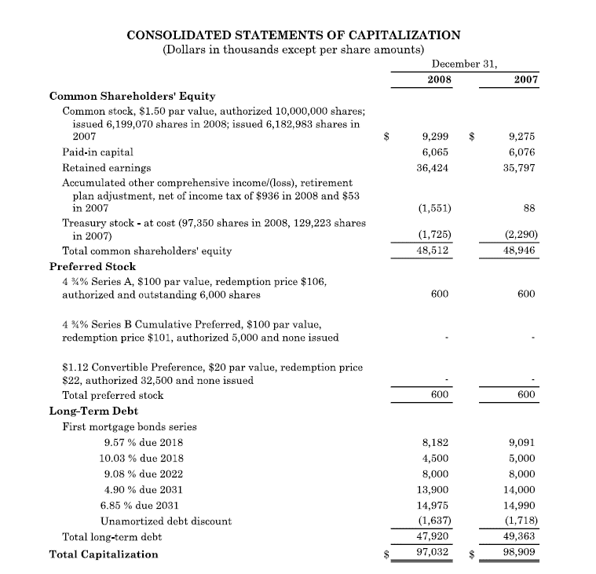

 | 97,032 | Total Capitalization
 | (1,551) | AOCI
 | 98,583 | Excluding AOCI

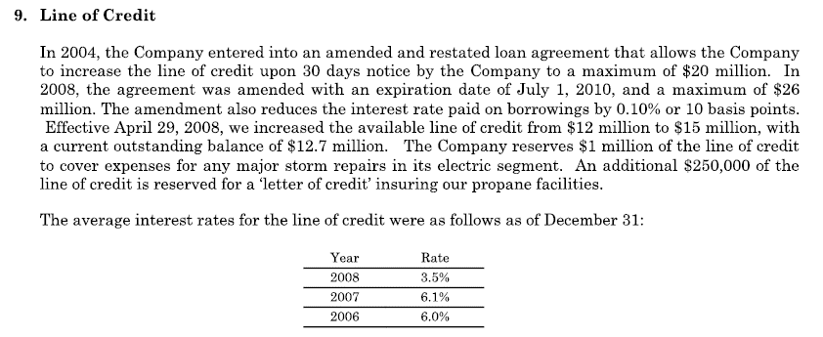
 | 26,000 | Short-Term Line of Credit

 | 26.4% | Percent of Total Capitalization

CUC 2008 10-K:

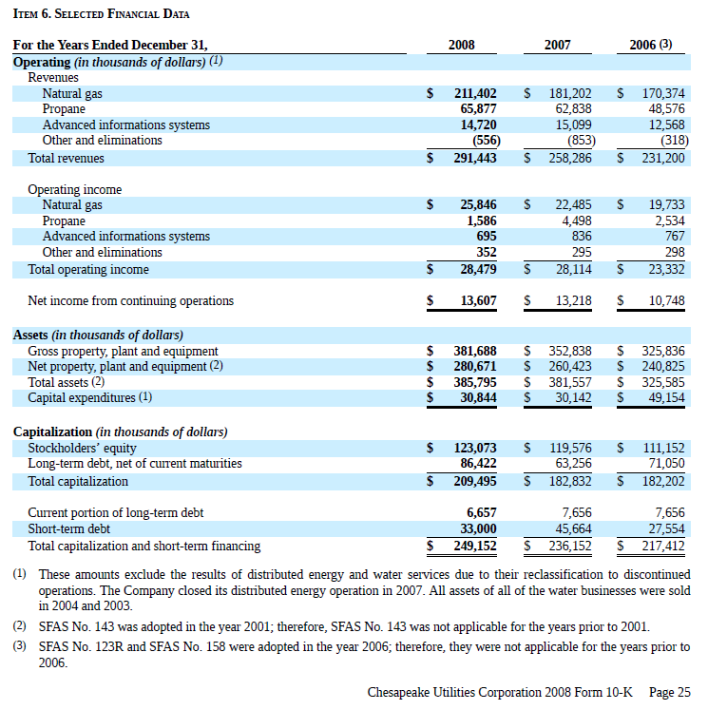

 | 209,495 | Total Capitalization
 | 6,656 | Current Portion LT-DEBT
 | 216,152 | Total Permanent Capitalization

 | 100,000 | CUC 5 Lines of Credit

 | 46.3% | Percent of Total Capitalization

