Bloomberg 03.09.22
Staff's 5th POD's to FPUC POD 16
Short-term Debt Bloomberg Forecast
March 9, 2022

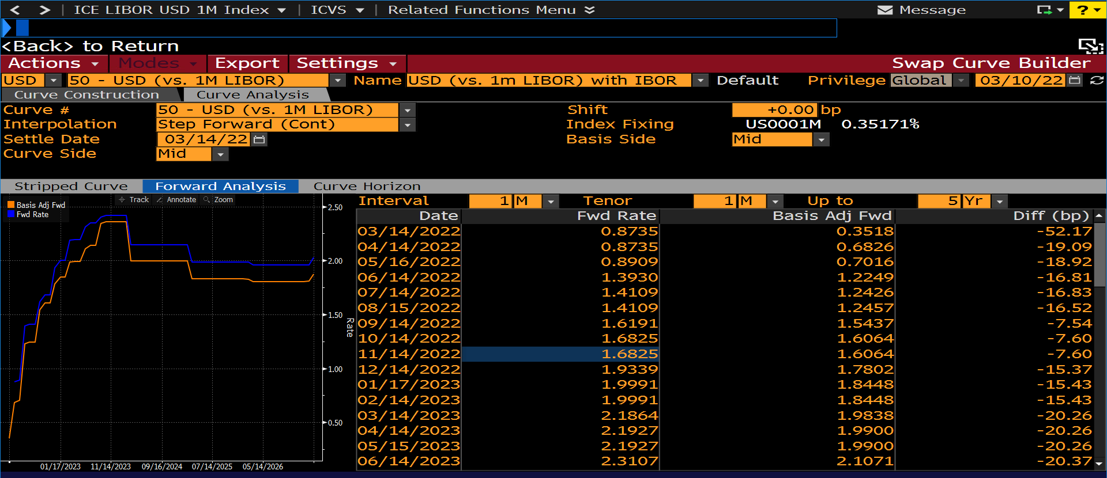

 | FORWARD CURVE
Date | Fwd Rate | Basis Adj Fwd | Diff (bp)
03/14/2022 | 0.87351614108 | 0.35181138861 | -52.170475247
04/14/2022 | 0.87351614124 | 0.68264818134 | -19.086795991
05/16/2022 | 0.89085072904 | 0.70162418221 | -18.922654683
06/14/2022 | 1.3929759609 | 1.2248963716 | -16.807958929
07/14/2022 | 1.4108883686 | 1.2426178955 | -16.827047313
08/15/2022 | 1.4108883686 | 1.2456813829 | -16.520698565
09/14/2022 | 1.6190901179 | 1.5436861326 | -7.5403985334
10/14/2022 | 1.6824558678 | 1.6064299519 | -7.6025915899
11/14/2022 | 1.6824558678 | 1.6064299519 | -7.6025915852
12/14/2022 | 1.9339198964 | 1.7802139559 | -15.370594055
01/17/2023 | 1.9991142784 | 1.8448066267 | -15.430765163
02/14/2023 | 1.999114278 | 1.8448066268 | -15.430765122
03/14/2023 | 2.1864101363 | 1.9838155074 | -20.259462891
04/14/2023 | 2.1926533317 | 1.9900037664 | -20.26495653
05/15/2023 | 2.1926533317 | 1.9900037664 | -20.26495653
06/14/2023 | 2.3107384139 | 2.1070677134 | -20.367070053
07/14/2023 | 2.346677352 | 2.1427026372 | -20.397471476
08/14/2023 | 2.346677352 | 2.1427026372 | -20.397471476
09/14/2023 | 2.4045324326 | 2.3441886587 | -6.034377386
10/16/2023 | 2.417883605 | 2.3574343288 | -6.0449276193
11/14/2023 | 2.417883605 | 2.3574343289 | -6.0449276145
12/14/2023 | 2.4178836051 | 2.3574343288 | -6.0449276288
01/16/2024 | 2.417883605 | 2.3574343288 | -6.0449276193

