Revised 1720-1823
Florida Public Utilities
Natural Gas
Environmental Regulatory Assets |  |  |  |  |  | Monthly Journal Entry |  | Debit | Credit
FN41-00000-1720-1823 (OLD ACCT # 121.1820.3) |  |  |  |  |  | FN00-AA700-8120-4050 |  | $29,867.00
 |  |  |  |  |  | FN00-00000-2815-2530 |  |  | $29,867.00 | ENV3760
 |  |  |  |  |  | FN00-AA700-8120-4050 |  | $8,162.00
 |  |  |  |  |  | FN00-00000-2815-2530 |  |  | $8,162.00 | ENV3500
 |  |  |  |  |  | FN00-00000-2815-2531 |  | $38,029.00
 |  |  |  |  |  | FN00-00000-1720-1823 |  |  | $38,029.00
 |  |  |  |  |  |  |  | $76,058.00 | $76,058.00 | $-

 |  |  |  |  |  | Amortization Period Begins |  |  | Dec-09
Monthly Balance |  |  |  |  |  | Amortization Period Ends |  |  | Jul-24

Beginning Balance 12/31/09: |  |  | $6,624,360.00
Monthly Environmental Remediation Accrual: |  |  | 38,029.00
Last Environmental Remediation Accrual 07/31/2024: |  |  | 6,711.53

Additional Environmental Liability 3/31/11: |  |  | 602.47
 |  |  |  |  |  |  |  |  |  |  |  |  | Yearly
 | January | February | March | April | May | June | July | August | September | October | November | December | Change | Months

2008 |  |  |  |  |  |  |  |  |  |  |  |  |  | -
2009 |  |  |  |  |  |  |  |  |  |  |  | 6,624,360.00 | $- | -
2010 | 6,586,331.00 | 6,548,302.00 | 6,510,273.00 | 6,472,244.00 | 6,434,215.00 | 6,396,186.00 | 6,358,157.00 | 6,320,128.00 | 6,282,099.00 | 6,244,070.00 | 6,206,041.00 | 6,168,012.00 | $(456,348.00) | (12)
2011 | 6,129,983.00 | 6,091,954.00 | 6,053,925.00 | 6,015,896.00 | 5,977,867.00 | 5,939,838.00 | 5,901,809.00 | 5,863,780.00 | 5,825,751.00 | 5,787,722.00 | 5,749,693.00 | 5,711,664.00 | $(456,348.00) | (12)
2012 | 5,673,635.00 | 5,635,606.00 | 5,596,974.53 | 5,558,945.53 | 5,520,916.53 | 5,482,887.53 | 5,444,858.53 | 5,406,829.53 | 5,368,800.53 | 5,330,771.53 | 5,292,742.53 | 5,254,713.53 | $(456,950.47) | (12)
2013 | 5,216,684.53 | 5,178,655.53 | 5,140,626.53 | 5,102,597.53 | 5,064,568.53 | 5,026,539.53 | 4,988,510.53 | 4,950,481.53 | 4,912,452.53 | 4,874,423.53 | 4,836,394.53 | 4,798,365.53 | $(456,348.00) | (12)
2014 | 4,760,336.53 | 4,722,307.53 | 4,684,278.53 | 4,646,249.53 | 4,608,220.53 | 4,570,191.53 | 4,532,162.53 | 4,494,133.53 | 4,456,104.53 | 4,418,075.53 | 4,380,046.53 | 4,342,017.53 | $(456,348.00) | (12)
2015 | 4,303,988.53 | 4,265,959.53 | 4,227,930.53 | 4,189,901.53 | 4,151,872.53 | 4,113,843.53 | 4,075,814.53 | 4,037,785.53 | 3,999,756.53 | 3,961,727.53 | 3,923,698.53 | 3,885,669.53 | $(456,348.00) | (12)
2016 | 3,847,640.53 | 3,809,611.53 | 3,771,582.53 | 3,733,553.53 | 3,695,524.53 | 3,657,495.53 | 3,619,466.53 | 3,581,437.53 | 3,543,408.53 | 3,505,379.53 | 3,467,350.53 | 3,429,321.53 | $(456,348.00) | (12)
2017 | 3,391,292.53 | 3,353,263.53 | 3,315,234.53 | 3,277,205.53 | 3,239,176.53 | 3,201,147.53 | 3,163,118.53 | 3,125,089.53 | 3,087,060.53 | 3,049,031.53 | 3,011,002.53 | 2,972,973.53 | $(456,348.00) | (12)
2018 | 2,934,944.53 | 2,896,915.53 | 2,858,886.53 | 2,820,857.53 | 2,782,828.53 | 2,744,799.53 | 2,706,770.53 | 2,668,741.53 | 2,630,712.53 | 2,592,683.53 | 2,554,654.53 | 2,516,625.53 | $(456,348.00) | (12)
2019 | 2,478,596.53 | 2,440,567.53 | 2,402,538.53 | 2,364,509.53 | 2,326,480.53 | 2,288,451.53 | 2,250,422.53 | 2,212,393.53 | 2,174,364.53 | 2,136,335.53 | 2,098,306.53 | 2,060,277.53 | $(456,348.00) | (12)
2020 | 2,022,248.53 | 1,984,219.53 | 1,946,190.53 | 1,908,161.53 | 1,870,132.53 | 1,832,103.53 | 1,794,074.53 | 1,756,045.53 | 1,718,016.53 | 1,679,987.53 | 1,641,958.53 | 1,603,929.53 | $(456,348.00) | (12)
2021 | 1,565,900.53 | 1,527,871.53 | 1,489,842.53 | 1,451,813.53 | 1,413,784.53 | 1,375,755.53 | 1,337,726.53 | 1,299,697.53 | 1,261,668.53 | 1,223,639.53 | 1,185,610.53 | 1,147,581.53 | $(456,348.00) | (12)
2022 | 1,109,552.53 | 1,071,523.53 | 1,033,494.53 | 995,465.53 | 957,436.53 | 919,407.53 | 881,378.53 | 843,349.53 | 805,320.53 | 767,291.53 | 729,262.53 | 691,233.53 | $(456,348.00) | (12)
2023 | 653,204.53 | 615,175.53 | 577,146.53 | 539,117.53 | 501,088.53 | 463,059.53 | 425,030.53 | 387,001.53 | 348,972.53 | 310,943.53 | 272,914.53 | 234,885.53 | $(456,348.00) | (12)
2024 | 196,856.53 | 158,827.53 | 120,798.53 | 82,769.53 | 44,740.53 | 6,711.53 | 0.00 |  |  |  |  |  | $(234,885.53) | (6)

 |  |  |  |  |  |  |  |  |  |  |  |  | $(6,624,360.00) | (174)

 |  |  |  |  |  |  |  |  |  |  | Initials | Date
 |  |  |  |  |  |  |  |  |  | Prepared By: | M G Moore | 2022-06-20 12:57:53
 |  |  |  |  |  |  |  |  |  | Approved By:
*FAS 71 Additional Expenses for Environmental
*Note:As of Dec 31, 2005 $14,000,000 is within the range set by Attorney William Pence and what was deemed allowed for recovery by the Commission in our Natural Gas Rate proceeding.

 | L T Asset/L T Liability reclass to Current |  |  | To be reported by Attorney quarterly
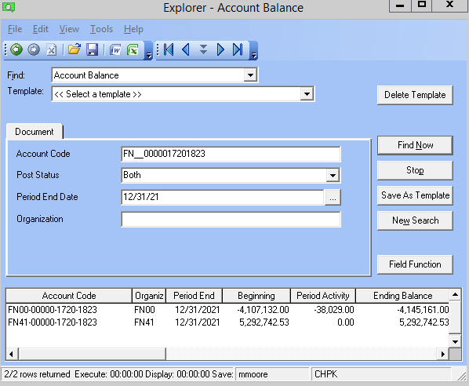

 |  |  |  |  |  |  |  | 5,292,742.53
 |  |  |  |  |  |  |  | (4,145,161.00)
 |  |  |  |  |  |  |  | 1,147,581.53

FN__0000017201823

