2021 RevEquity&Debt Rate&PP (5
 |  |  | GRIP REVISED DEBT & EQUITY RATES EFFECTIVE 04/2020
 |  |  | GRIP REVISED FOR May error in services
 | Florida Public Utilities Company |  |  |  |  |  |  |  |  |  |  |  | Attachment G
 | Gas Reliability Infrastructure Program (GRIP) 2605/9-253G and 1609-186G |  | 2021 Revised 8/31/2021 |  |  |  |  |  |  |  |  |  | Schedule B (FPUC)
 | Calculation of the Actual Revenue Requirements |  |  |  |  |  |  |  |  |  |  |  | Page 1 of 1
 | January 01, 2021 through December 31, 2021
 | Dollars shown in the correct month | Service Accrual | ($462,948) |  | ($6) |  |  |  | $104 |  |  |  |  | ($5)
 |  | Beginning |  |  |  |  |  |  |  |  |  |  |  |  | Year End |  | Year End
Item |  | Balance | Jan | Feb | Mar | Apr | May | Jun | Jul | Aug | Sep | Oct | Nov | Dec | Total/Balance |  | Total/Balance
Qualified Investment
 | Qualified Investment - Mains - Current 1070 Activity | $91,527,100 | $393,201 | $927,550 | $2,641,469 | $987,673 | $1,135,798 | $1,065,600 | $1,224,145 | $865,033 | $1,214,948 | $873,371 | $1,680,282 | $1,040,060 | $105,576,232 | Hard Key - 2 decimals | $10,425,391 | ($81,101,710)
 | Closed- 1070 Activity to Plant for Mains | ($89,609,177) | ($258,833) | ($365,208) | ($834,283) | ($50,268) | ($63,741) | ($1,571,531) | ($227,251) | ($3,171,075) | ($149,662) | ($74,738) | ($447,594) | ($6,529,818) | ($103,353,181) | formula -Mains 1010 | ($9,582,054) | $80,027,123
 | Qualified Investment - Services - Current 1070 Activity | $33,772,651 | ($112,371) | $602,390 | $1,794,909 | $433,091 | $566,755 | $529,311 | $831,634 | $650,594 | $755,349 | $272,241 | $705,522 | $59,349 | $40,861,425 | Hard Key - 2 decimals | $3,801,660 | ($29,970,991)
 | Closed- 1070 Activity to Plant for Service | ($33,294,745) | ($350,577) | ($602,390) | ($1,794,916) | ($433,091) | $566,755 | ($529,311) | ($831,529) | ($650,594) | ($755,349) | ($272,241) | ($705,522) | ($59,353) | ($39,712,864) | formula -Services 1010 | ($3,801,660) | $29,493,085
 | Qualified Investment - Mains - Current 1010 Activity | $89,609,177 | $258,833 | $365,208 | $834,283 | $50,268 | $63,741 | $1,571,531 | $227,251 | $3,171,075 | $149,662 | $74,738 | $447,594 | $6,529,818 | $103,353,181 | Hard Key - 2 decimals | $9,582,054 | ($80,027,123)
 | Qualified Investment - Services - Current 1010 Activity | $33,294,745 | $350,577 | $602,390 | $1,794,916 | $433,091 | $566,755 | $529,311 | $831,529 | $650,594 | $755,349 | $272,241 | $705,522 | $59,353 | $40,846,374 | Hard Key - 2 decimals | $3,801,660 | ($29,493,085)

 | Total Qualified Investment - Mains 1070 | $1,917,923 | $2,052,291 | $2,614,633 | $4,421,819 | $5,359,224 | $6,431,281 | $5,925,350 | $6,922,244 | $4,616,202 | $5,681,487 | $6,480,121 | $7,712,809 | $2,223,051 | $2,223,051 | formula | $843,337 | ($1,074,586)
 | Total Qualified Investment - Services 1070 | $477,904 | $14,956 | $14,956 | $14,949 | $14,949 | $1,148,459 | $1,148,459 | $1,148,564 | $1,148,564 | $1,148,564 | $1,148,564 | $1,148,564 | $1,148,559 | $1,148,559 | formula | $0 | ($477,904)
 | Total Qualified Investment - Mains 1010 | $89,609,177 | $89,868,010 | $90,233,218 | $91,067,501 | $91,117,769 | $91,181,511 | $92,753,042 | $92,980,293 | $96,151,368 | $96,301,031 | $96,375,769 | $96,823,363 | $103,353,181 | $103,353,181 | formula | $9,582,054 | ($80,027,123)
 | Total Qualified Investment - Services 1010 | $33,294,745 | $33,645,322 | $34,247,713 | $36,042,628 | $36,475,719 | $37,042,474 | $37,571,785 | $38,403,315 | $39,053,908 | $39,809,257 | $40,081,498 | $40,787,021 | $40,846,374 | $40,846,374 | formula | $3,801,660 | ($29,493,085)
 | Total Qualified Investment | $125,299,750 | $125,580,579 | $127,110,520 | $131,546,898 | $132,967,662 | $135,803,725 | $137,398,636 | $139,454,415 | $140,970,042 | $142,940,339 | $144,085,951 | $146,471,756 | $147,571,165 | $147,571,165 |  | $14,227,051 | ($111,072,699)
 |  |  | ($0) | $0 | $0 | $0 | $0 | ($0) | $0 | $0 | $0 | $0 | $0 | $0 |  | check
 | Less: Accumulated Depreciation | ($12,473,203) | ($12,691,060) | ($12,910,012) | ($13,130,707) | ($13,356,154) | ($13,582,482) | ($13,809,961) | ($14,041,160) | ($14,274,282) | ($14,514,145) | ($14,755,656) | ($14,997,796) | ($15,242,013) | ($15,242,013) | formula | ($94,402)
 | Net Book Value | $112,826,547 | $112,889,520 | $114,200,508 | $118,416,191 | $119,611,508 | $122,221,243 | $123,588,676 | $125,413,255 | $126,695,760 | $128,426,194 | $129,330,296 | $131,473,960 | $132,329,152 | $132,329,152 | formula | $14,132,649 | ($98,693,898)

 | Average Net Qualified Investment |  | $112,858,033 | $113,545,014 | $116,308,349 | $119,013,849 | $120,916,376 | $122,904,959 | $124,500,965 | $126,054,508 | $127,560,977 | $128,878,245 | $130,402,128 | $131,901,556 |  | formula - round to zero

Depreciation Rates
 | Approved Depreciation Rate-Mains |  | 0.021 | 0.021 | 0.021 | 0.021 | 0.021 | 0.021 | 0.021 | 0.021 | 0.021 | 0.021 | 0.021 | 0.021 | 0.021
 | Approved Depreciation Rate-Services |  | 0.022 | 0.022 | 0.022 | 0.022 | 0.022 | 0.022 | 0.022 | 0.022 | 0.022 | 0.022 | 0.022 | 0.022 | 0.022

Return on Average Net Qualified Investment
 | Equity - Cost of Capital, inclusive of Income Tax Gross-up |  | 5.3400% | 5.3400% | 5.3400% | 5.3400% | 5.3400% | 5.3400% | 5.3400% | 5.3400% | 5.3400% | 5.3400% | 5.3400% | 5.3400% | 5.3400%
 | Debt - Cost of Capital |  | 1.5800% | 1.5800% | 1.5800% | 1.5800% | 1.5800% | 1.5800% | 1.5800% | 1.5800% | 1.5800% | 1.5800% | 1.5800% | 1.5800% | 1.5800%

 | Equity Component - inclusive of Income Tax Gross-up |  | $502,218 | $505,275 | $517,572 | $529,612 | $538,078 | $546,927 | $554,029 | $560,943 | $567,646 | $573,508 | $580,289 | $586,962 | $6,563,059 | formula - round to zero | $550,882
 | Debt Component |  | $148,596 | $149,501 | $153,139 | $156,702 | $159,207 | $161,825 | $163,926 | $165,972 | $167,955 | $169,690 | $171,696 | $173,670 | $1,941,879 | formula - round to zero | $145,669
 | Return Requirement |  | $650,814 | $654,776 | $670,711 | $686,314 | $697,285 | $708,752 | $717,955 | $726,915 | $735,601 | $743,198 | $751,985 | $760,632 | $8,504,938 | formula - sum | $696,551

Investment Expenses
 | Depreciation Expense - Mains |  | $156,816 | $157,269 | $157,908 | $159,368 | $159,456 | $159,568 | $162,318 | $162,716 | $168,265 | $168,527 | $168,658 | $169,441 | $1,950,309 | formula - round to 2 | $60,328
...
 |  |  | GRIP REVISED FOR May error in services
 |  |  |  |  |  |  |  |  |  |  |  |  | Attachment G
 |  |  | ($264,186.00) | ($57,331.00) | $27,036.00 | $52,945.00 | $200,933.00 | $319,803.00 | $326,377.00 | $403,714.00 | $379,030.00 | $367,864.00 | $258,154.00 | $98,371.00 | $2,059,006.00 | formula - round to zero | ($175,578) | ($175,578)
Monthly Interest Expense/(Income) |  |  | ($32.00) | ($31.00) | ($25.00) | ($18.00) | ($14.00) | ($6.00) | $5.00 | $19.00 | $35.00 | $62.00 | $78.00 | $87.00 | $160.00 | formula - round to zero | ($406) | ($406)
Adjustments for Rate Changes
Ending (Over) and Under Recovery |  | ($326,118.00) | ($590,336.00) | ($647,698.00) | ($620,687.00) | ($567,760.00) | ($366,841.00) | ($47,044.00) | $279,338.00 | $683,071.00 | $1,062,136.00 | $1,430,062.00 | $1,688,294.00 | $1,786,752.00 | $1,786,752.00 |  | ($419,679) | ($93,561)
 | GL Balance | (329,145.00) | (578,337.00) | (614,498.00) | (628,717.00) | (577,587.00) | (381,635.00) | (71,110.00) | 246,006.00 | 657,100.00 | 1,028,609.00 | 1,430,062.00 | 1,688,294.00 | 1,786,752.00
 | Difference | 3,027.00 | (11,999.00) | (33,200.00) | 8,030.00 | 9,827.00 | 14,794.00 | 24,066.00 | 33,332.00 | 25,971.00 | 33,527.00 | - | - | -

Beg of Month Annual Interest Rate |  |  | 0.09% | 0.07% | 0.06% | 0.04% | 0.04% | 0.03% | 0.04% | 0.05% | 0.05% | 0.05% | 0.06% | 0.07%
End of Month Annual Interest Rate |  |  | 0.07% | 0.06% | 0.04% | 0.04% | 0.03% | 0.04% | 0.05% | 0.05% | 0.05% | 0.06% | 0.07% | 0.05%
Average Monthly Interest Rate |  |  | 0.007% | 0.005% | 0.004% | 0.003% | 0.003% | 0.003% | 0.004% | 0.004% | 0.004% | 0.005% | 0.005% | 0.005%
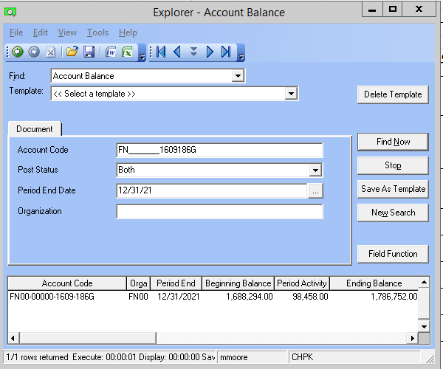
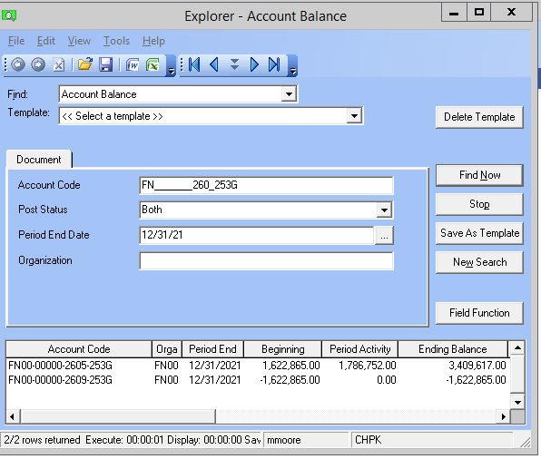

 |  |  |  |  | 3,409,617.00
 |  |  |  |  | (1,622,865.00)
 |  |  |  |  | 1,786,752.00 | Reclass to FN00-00000-1609-186G

 | FN_______260_253G

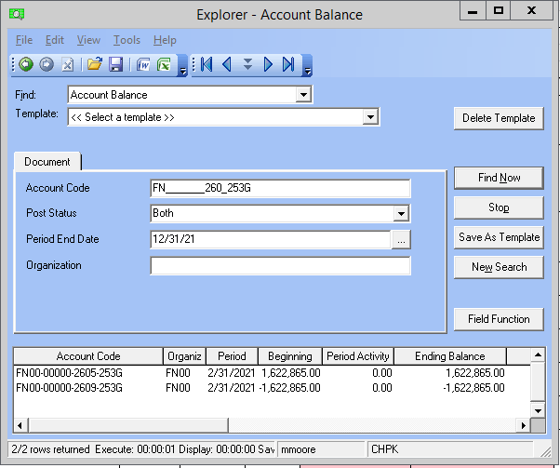

 |  |  |  |  |  |  |  |  |  |  |  | Add Epicor GL Balances in Screenshot | (619,545.00)
 |  |  |  |  |  |  |  |  |  |  |  | Difference/Check - Should be Zero | $0.00
sfd

 |  |  |  |  | Balance sheet reclass
 |  |  |  |  | 1,622,865.00
 |  |  |  |  | (1,622,865.00)
 |  |  |  |  | -

2020 RevEquity&Debt Rate&PP Oct
...
 |  |  | GRIP REVISED FOR CAPITAL PROJECT CLOSINGS HELD FOR POWER PLAN
 | Florida Public Utilities Company
Monthly Interest Expense/(Income) |  |  | ($2,764.00) | ($2,914.00) | ($3,357.00) | ($2,045.00) | ($298.00) | ($171.00) | ($131.00) | $(106.00)
Adjustments for Rate Changes
Ending (Over) and Under Recovery |  | ($1,965,077.00) | ($2,194,653.00) | ($2,326,229.00) | ($2,372,504.00) | ($2,224,404.00) | ($2,032,951.00) | ($1,772,531.00) | ($1,490,295.00) | ($1,166,774.00)
 | GL Balance |  | (2,271,220.00) | (2,378,476.00) | (2,400,827.00) | (2,325,536.00) | (2,134,097.00) | (1,875,145.00) | (1,603,850.00) | (1,292,065.00)
 | Difference |  | 76,567.00 | 52,247.00 | 28,323.00 | 101,132.00 | 101,146.00 | 102,614.00 | 113,555.00 | 125,291.00

Beg of Month Annual Interest Rate |  |  | 1.59% | 1.59% | 1.51% | 1.91% | 0.22% | 0.11% | 0.10% | 0.10%
End of Month Annual Interest Rate |  |  | 1.59% | 1.51% | 1.91% | 0.22% | 0.11% | 0.10% | 0.10% | 0.08%
Average Monthly Interest Rate |  |  | 0.133% | 0.129% | 0.143% | 0.089% | 0.014% | 0.009% | 0.008% | 0.008%

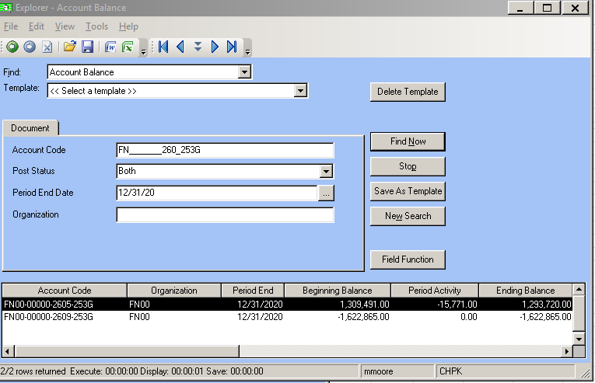

 |  |  |  |  | 1,293,720.00
 |  |  |  |  | (1,622,865.00)
 |  |  |  |  | (329,145.00)

 | FN_______260_253G
...

