Reconciliation
Florida Public Utilities Company
Natural Gas
Unrecovered Piping & Conversion
FN4_-00000-1773-1860

Period Ending: |  | 2021-12-31

 | Account Balance per worksheet

 |  | FN__PIPE | $602,908.23

 |  | FN__CONV | $180,487.42

 |  | Total |  | $783,395.65

 |  | GL |  | $783,395.65

 |  | Variance |  | $(0.00)

 |  |  |  |  | Initials | Date

 |  |  |  | Prepared By | SCC | 2022-06-23
 |  |  |  | Approved by
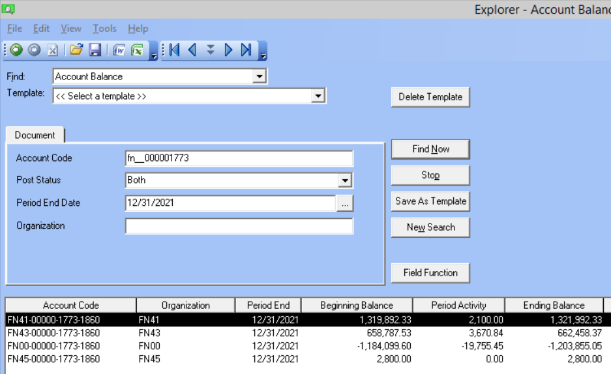

 |  |  |  |  |  |  | 783,395.65

Data
Reference | Journal_Type | Originating_Org | Journal_Number | Account_Code | Seg1_Code | Seg2_Code | Seg3_Code | Seg4_Code | Reference_Code | Amount | Description | Vendor_Name | Document_1 | Document_2 | Apply_Date | Posted_Date | Posted_Status
PIPE | SYS-AP | FC00 | JRNL00546697 | FN00-00000-1773-1860 | FN00 | 00000 | 1773 | 1860 | FN00PIPE | 378.50 | NEW CONST APPL CONNECT | GAS PLUMBING SERVICES INC | 76548 | VO890820 | 2021-12-02 | 2021-12-03 | Yes
PIPE | SYS-AP | FC00 | JRNL00546697 | FN00-00000-1773-1860 | FN00 | 00000 | 1773 | 1860 | FN41PIPE | 744.00 | NEW CONST APPL CONNECT | GAS PLUMBING SERVICES INC | 76594 | VO890826 | 2021-12-02 | 2021-12-03 | Yes
PIPE | SYS-AP | FC00 | JRNL00546697 | FN00-00000-1773-1860 | FN00 | 00000 | 1773 | 1860 | FN00PIPE | 225.00 | NEW CONST APPL CONNECT | GAS PLUMBING SERVICES INC | 76491 | VO890827 | 2021-12-02 | 2021-12-03 | Yes
PIPE | SYS-AP | FC00 | JRNL00546697 | FN00-00000-1773-1860 | FN00 | 00000 | 1773 | 1860 | FN00PIPE | 205.00 | NEW CONST APPL CONNECT | GAS PLUMBING SERVICES INC | 76549 | VO890828 | 2021-12-02 | 2021-12-03 | Yes
PIPE | SYS-AP | FC00 | JRNL00546697 | FN00-00000-1773-1860 | FN00 | 00000 | 1773 | 1860 | FN00PIPE | 160.00 | NEW CONST APPL CONNECT | GAS PLUMBING SERVICES INC | 76573 | VO890829 | 2021-12-02 | 2021-12-03 | Yes
PIPE | SYS-AP | FC00 | JRNL00546697 | FN00-00000-1773-1860 | FN00 | 00000 | 1773 | 1860 | FN00PIPE | 120.00 | NEW CONST APPL CONNECT | GAS PLUMBING SERVICES INC | 76572 | VO890830 | 2021-12-02 | 2021-12-03 | Yes
PIPE | SYS-AP | FC00 | JRNL00546697 | FN00-00000-1773-1860 | FN00 | 00000 | 1773 | 1860 | FN00PIPE | 130.00 | NEW CONST APPL CONNECT | GAS PLUMBING SERVICES INC | 76492 | VO890831 | 2021-12-02 | 2021-12-03 | Yes
PIPE | AP-ACCR | FN00 | JRNL00546753 | FN00-00000-1773-1860 | FN00 | 00000 | 1773 | 1860 | FN00PIPE | -378.50 | Accrue - GAS PLUMBING SERVICES INC |  | 76548 | JRNL00546710 | 2021-12-31 | 2021-12-20 | Yes
PIPE | AP-ACCR | FN00 | JRNL00546753 | FN00-00000-1773-1860 | FN00 | 00000 | 1773 | 1860 | FN00PIPE | -225.00 | Accrue - GAS PLUMBING SERVICES INC |  | 76491 | JRNL00546710 | 2021-12-31 | 2021-12-20 | Yes
PIPE | AP-ACCR | FN00 | JRNL00546753 | FN00-00000-1773-1860 | FN00 | 00000 | 1773 | 1860 | FN00PIPE | -130.00 | Accrue - GAS PLUMBING SERVICES INC |  | 76492 | JRNL00546710 | 2021-12-31 | 2021-12-20 | Yes
PIPE | AP-ACCR | FN00 | JRNL00546753 | FN00-00000-1773-1860 | FN00 | 00000 | 1773 | 1860 | FN00PIPE | -205.00 | Accrue - GAS PLUMBING SERVICES INC |  | 76549 | JRNL00546710 | 2021-12-31 | 2021-12-20 | Yes
PIPE | AP-ACCR | FN00 | JRNL00546753 | FN00-00000-1773-1860 | FN00 | 00000 | 1773 | 1860 | FN00PIPE | -120.00 | Accrue - GAS PLUMBING SERVICES INC |  | 76572 | JRNL00546710 | 2021-12-31 | 2021-12-20 | Yes
PIPE | AP-ACCR | FN00 | JRNL00546753 | FN00-00000-1773-1860 | FN00 | 00000 | 1773 | 1860 | FN00PIPE | -160.00 | Accrue - GAS PLUMBING SERVICES INC |  | 76573 | JRNL00546710 | 2021-12-31 | 2021-12-20 | Yes
PIPE | AP-ACCR | FN00 | JRNL00546753 | FN00-00000-1773-1860 | FN00 | 00000 | 1773 | 1860 | FN41PIPE | -744.00 | Accrue - GAS PLUMBING SERVICES INC |  | 76594 | JRNL00546710 | 2021-12-31 | 2021-12-20 | Yes
CONV | SYS-AP | FC00 | JRNL00547437 | FN43-00000-1773-1860 | FN43 | 00000 | 1773 | 1860 | FN41CONV | 350.00 | 11/29/2021 - 12/05/2021 | BLACKHAWK ENGAGEMENT SOLUTIONS INC | 2021026206 | VO892673 | 2021-12-13 | 2021-12-14 | Yes
CONV | SYS-AP | FC00 | JRNL00547437 | FN43-00000-1773-1860 | FN43 | 00000 | 1773 | 1860 | FN43CONV | 350.00 | 11/29/2021 - 12/05/2021 | BLACKHAWK ENGAGEMENT SOLUTIONS INC | 2021026206 | VO892673 | 2021-12-13 | 2021-12-14 | Yes
PIPE | SYS-AP | FC00 | JRNL00547437 | FN00-00000-1773-1860 | FN00 | 00000 | 1773 | 1860 | FN00PIPE | 624.50 | NEW CONST APPL CONNECT | GAS PLUMBING SERVICES INC | 76641 | VO892700 | 2021-12-13 | 2021-12-14 | Yes
PIPE | SYS-AP | FC00 | JRNL00547437 | FN00-00000-1773-1860 | FN00 | 00000 | 1773 | 1860 | FN00PIPE | 277.50 | NEW CONST APPL CONNECT | GAS PLUMBING SERVICES INC | 76681 | VO892701 | 2021-12-13 | 2021-12-14 | Yes
PIPE | SYS-AP | FC00 | JRNL00547437 | FN00-00000-1773-1860 | FN00 | 00000 | 1773 | 1860 | FN00PIPE | 160.00 | NEW CONST APPL CONNECT | GAS PLUMBING SERVICES INC | 76741 | VO892716 | 2021-12-13 | 2021-12-14 | Yes
PIPE | SYS-AP | FC00 | JRNL00547437 | FN00-00000-1773-1860 | FN00 | 00000 | 1773 | 1860 | FN00PIPE | 160.00 | NEW CONST APPL CONNECT | GAS PLUMBING SERVICES INC | 76742 | VO892717 | 2021-12-13 | 2021-12-14 | Yes
PIPE | SYS-AP | FC00 | JRNL00547437 | FN00-00000-1773-1860 | FN00 | 00000 | 1773 | 1860 | FN00PIPE | 160.00 | NEW CONST APPL CONNECT | GAS PLUMBING SERVICES INC | 76739 | VO892718 | 2021-12-13 | 2021-12-14 | Yes
PIPE | SYS-AP | FC00 | JRNL00547437 | FN00-00000-1773-1860 | FN00 | 00000 | 1773 | 1860 | FN00PIPE | 160.00 | NEW CONST APPL CONNECT | GAS PLUMBING SERVICES INC | 76743 | VO892719 | 2021-12-13 | 2021-12-14 | Yes
PIPE | SYS-AP | FC00 | JRNL00547437 | FN00-00000-1773-1860 | FN00 | 00000 | 1773 | 1860 | FN00PIPE | 160.00 | NEW CONST APPL CONNECT | GAS PLUMBING SERVICES INC | 76744 | VO892720 | 2021-12-13 | 2021-12-14 | Yes
PIPE | SYS-AP | FC00 | JRNL00547437 | FN00-00000-1773-1860 | FN00 | 00000 | 1773 | 1860 | FN00PIPE | 75.00 | NEW CONST APPL CONNECT | GAS PLUMBING SERVICES INC | 76653 | VO892721 | 2021-12-13 | 2021-12-14 | Yes
PIPE | SYS-AP | FC00 | JRNL00547437 | FN00-00000-1773-1860 | FN00 | 00000 | 1773 | 1860 | FN00PIPE | 75.00 | NEW CONST APPL CONNECT | GAS PLUMBING SERVICES INC | 76738 | VO892722 | 2021-12-13 | 2021-12-14 | Yes
PIPE | SYS-AP | FC00 | JRNL00547437 | FN00-00000-1773-1860 | FN00 | 00000 | 1773 | 1860 | FN00PIPE | 150.00 | NEW CONST APPL CONNECT | GAS PLUMBING SERVICES INC | 76642 | VO892723 | 2021-12-13 | 2021-12-14 | Yes
...
Period Ending: |  | 2021-12-31
 | PIPE | AP-ACCR | (1,962.50)
 |  | RV | 870.84
 |  | SYS-AP | 4,464.50
 | PIPE Total |  | 3,372.84
 | Grand Total |  | 8,272.84

 |  |  | 0.00

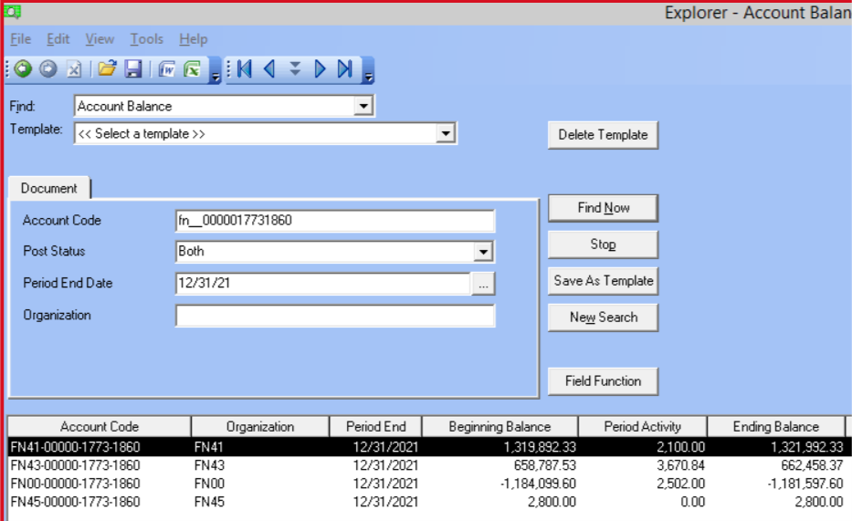

 |  |  | Total from Epicor Screenshot | 8,272.84
 |  |  | Difference/Check | -

Notes
