Depreciation Composite
Florida City Gas
Docket No. 20220069-GU
Staff's Fourteenth Set of Interrogatories
Interrogatory No. 94
Attachment No. 1 of 1
Tab 3 of 6

 | Actuals

 |  | 2019 | 2020 | 2021
 | Original Plant - Beginning Bal | $428,915,313 | $478,659,346 | $519,839,780
 | Depreciation Expense (1) | $12,223,567 | $13,599,397 | $14,102,618
 | Composite Depreciation % | 2.85% | 2.84% | 2.71%
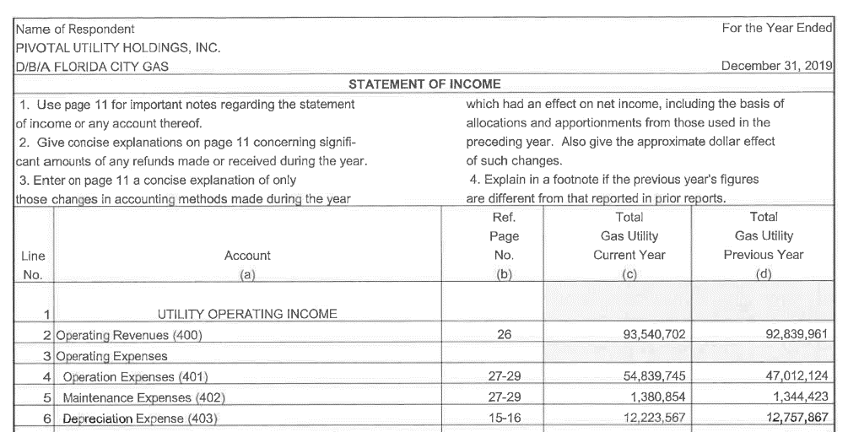
 | (1) Dec 2021 figure pulled from the Company's books and records

 | 2019 Annual Status Report
 | http://www.psc.state.fl.us/library/financials/GU602-DOCS/ANNUAL-REPORTS/GU602-19-AR.pdf

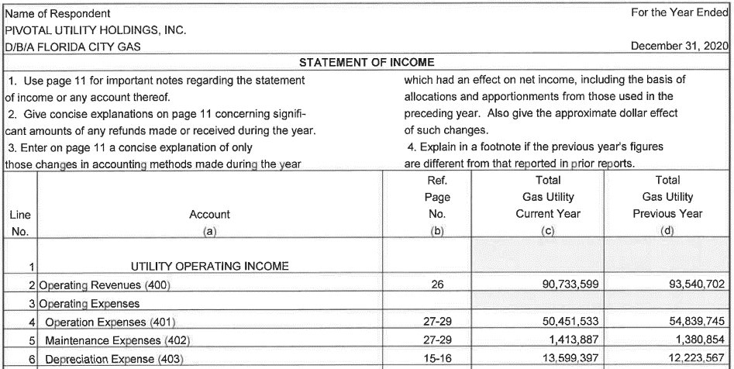

 | 2020 Annual Status Report
 | http://www.psc.state.fl.us/library/financials/GU602-DOCS/ANNUAL-REPORTS/GU602-20-AR.pdf

Surveillance Sheet
Florida City Gas
Docket No. 20220069-GU
Staff's Fourteenth Set of Interrogatories
Interrogatory No. 94
Attachment No. 1 of 1
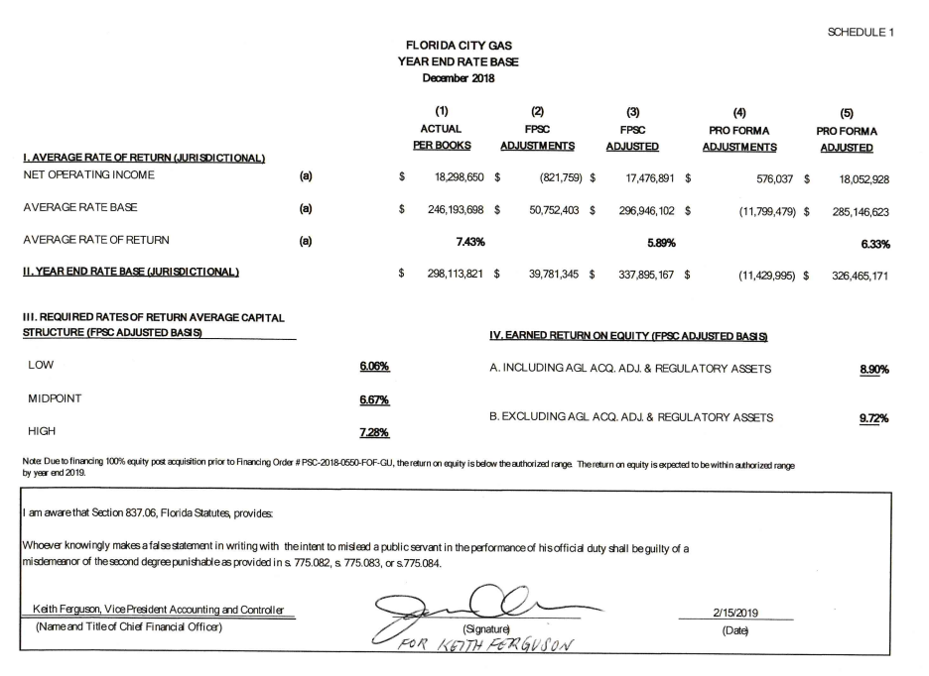
Tab 5 of 6

 | December 2018 Earnings Surveillance Report
 | http://www.psc.state.fl.us//library/financials/GU602-DOCS/EARNINGS-SURVEILLANCE/GU602-2018-12-ESR.pdf |  | Dec-18
 |  | FPSC Average Rate Base | 296,496,102
 |  | Required Rate of Return - FPSC | 7.28%

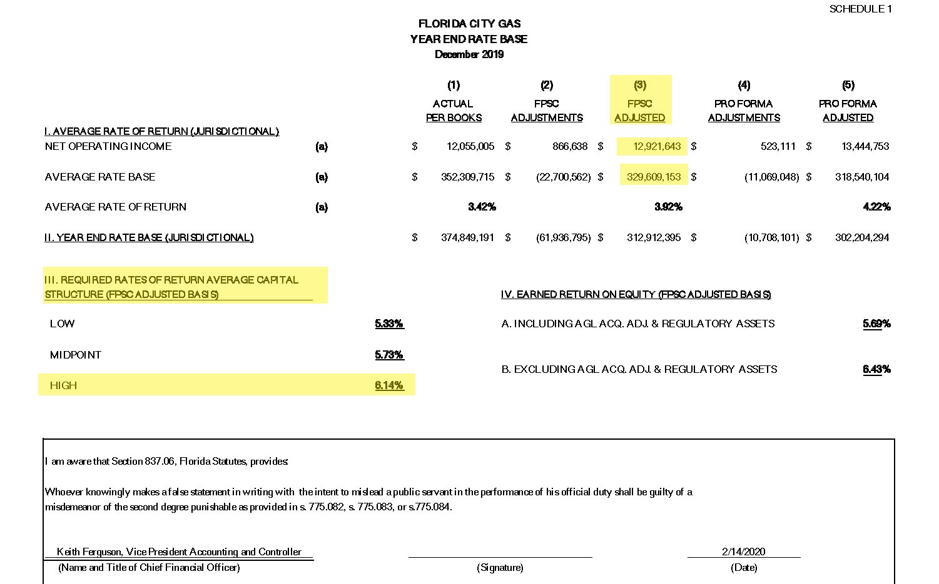

 | December 2019 Earnings Surveillance Report
 | http://www.psc.state.fl.us//library/financials/GU602-DOCS/EARNINGS-SURVEILLANCE/GU602-2019-12-ESR.pdf

 |  |  | Dec-19
 |  | FPSC Average Rate Base | 329,609,153
 |  | Required Rate of Return - FPSC | 6.14%

 | December 2020 Earnings Surveillance Report
 | http://www.psc.state.fl.us//library/financials/GU602-DOCS/EARNINGS-SURVEILLANCE/GU602-2020-12-ESR.pdf

 |  |  | Dec-20
 |  | FPSC Average Rate Base | 332,950,052
 |  | Required Rate of Return - FPSC | 6.21%

Annual Status Report
Florida City Gas
Docket No. 20220069-GU
Staff's Fourteenth Set of Interrogatories
Interrogatory No. 94
Attachment No. 1 of 1
Tab 6 of 6

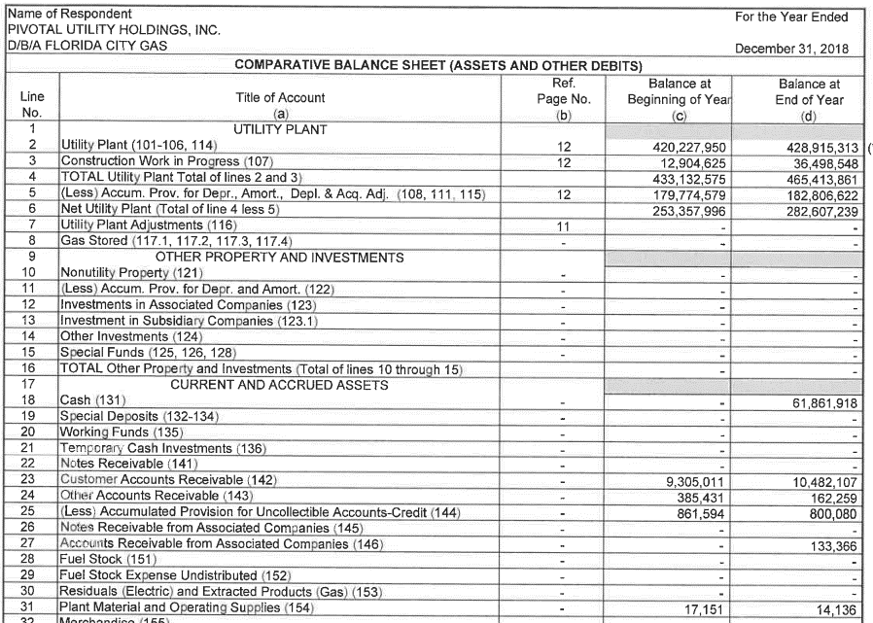
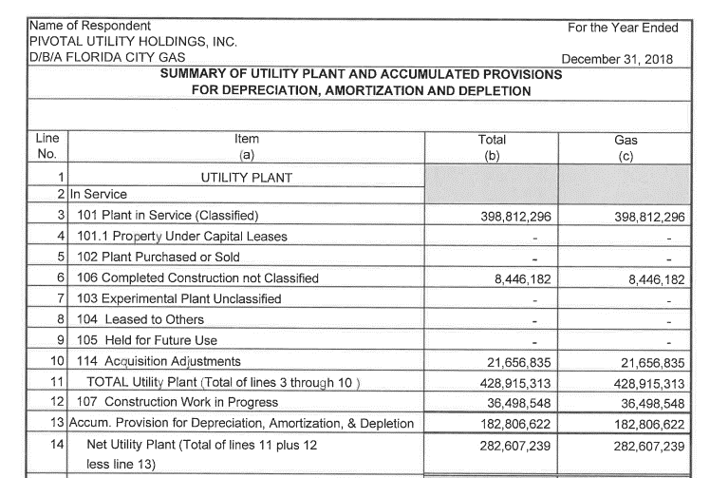
 | 2018 Annual Status Report
 | http://www.psc.state.fl.us/library/financials/GU602-DOCS/ANNUAL-REPORTS/GU602-18-AR.pdf

 |  |  | 2018
 |  | Plant In Service | 428,915,313

 |  | Accumulated Depreciation | 182,806,622

 |  | CWIP | 36,498,548

 |  | Materials & Supplies | 14,136

 |  | 114 - Acquisition Adj | 21,656,835

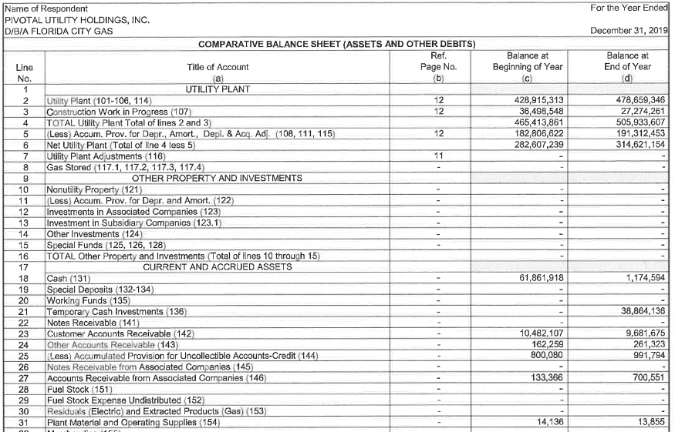
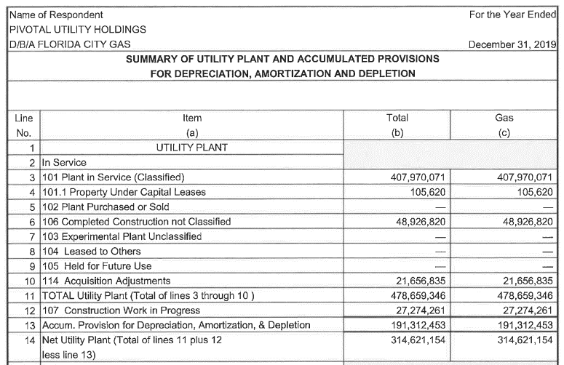

 | 2019 Annual Status Report
 | http://www.psc.state.fl.us/library/financials/GU602-DOCS/ANNUAL-REPORTS/GU602-19-AR.pdf

 |  |  | 2019
 |  | Plant In Service | 478,659,346

 |  | Accumulated Depreciation | 191,312,453

 |  | CWIP | 27,274,261

 |  | Materials & Supplies | 13,855

 |  | 114 - Acquisition Adj | 21,656,835

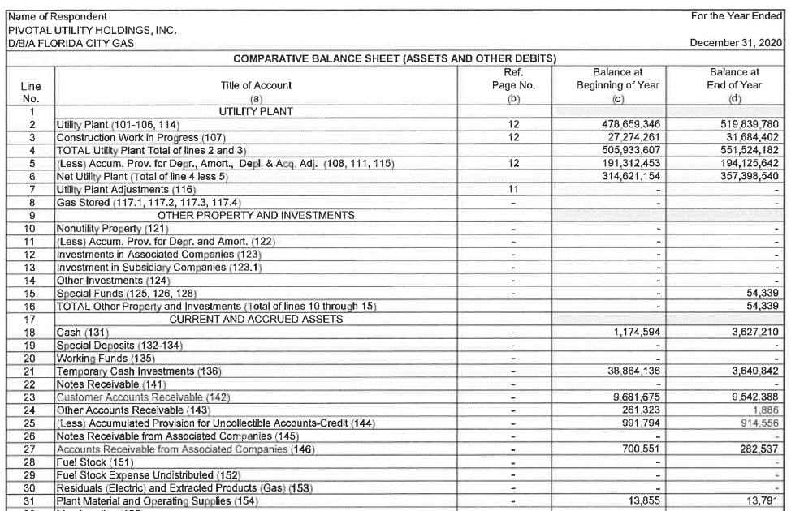
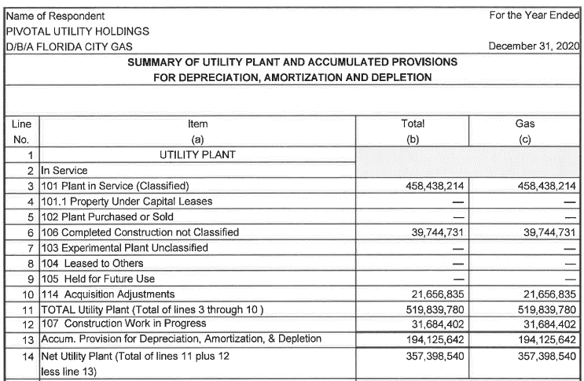

 | 2020 Annual Status Report
 | http://www.psc.state.fl.us/library/financials/GU602-DOCS/ANNUAL-REPORTS/GU602-20-AR.pdf

 |  |  | 2020
 |  | Plant In Service | 519,839,780

 |  | Accumulated Depreciation | 194,125,642

 |  | CWIP | 31,684,402

 |  | Materials & Supplies | 13,791

 |  | 114 - Acquisition Adj | 21,656,835

