FCG - Cash Flow Actuals August
FCG 004882
20220069-GU
 |  |  | FCG 2022 RATE CASE EXPENSES

Description |  | Nov | DEC | Jan | Feb | March | April | May | June | JUL | AUG | SEP | OCT | NOV | DEC | Total | Original Forecast | Variance
 |  | 2021 | 2021 | 2022 | 2022 | 2022 | 2022 | 2022 | 2022 | 2022 | 2022 | 2022 | 2022 | 2022 | 2022
 |  | Actuals | Actuals | Actuals | Actuals | Actuals | Actuals | Actuals | Actuals | Actuals | Actuals | Budget | Budget | Budget | Budget
FPL - Exempt ST |  | 17,518 | 22,373 | 17,478 | 26,865 | 45,990 | 55,648 | 126,568 | 95,017 | 90,534 | 91,745 |  |  |  |  | 589,735
FPL - Labor Related Overhead |  | 11,177 | 13,991 | 11,829 | 17,811 | 28,348 | 34,851 | 80,625 | 60,527 | 57,575 | 57,201 |  |  |  |  | 373,935
Total Payroll |  | 28,695 | 36,363 | 29,307 | 44,676 | 74,338 | 90,500 | 207,192 | 155,544 | 148,108 | 148,947 | - |  |  |  | 963,670 | 1,564,981 | 601,311
 | Hotel and Lodging |  |  |  |  |  |  |  |  |  |  |  |  |  |  | - | 6,600 | 6,600
 | Business & Meeting Meals |  |  |  |  |  |  |  |  |  | 1 |  |  |  |  | 1 | 3,000 | 2,999
 | Airline Travel |  |  |  |  |  |  |  |  |  |  |  |  |  |  | - | 2,000 | 2,000
 | Vehicle - Car Rental |  |  | 86 |  |  |  |  |  |  |  |  |  |  |  | 86 | 3,000 | 2,914
 | Vehicle - Occasional |  |  |  |  |  |  |  |  |  |  |  |  |  |  | - | 1,000 | 1,000
 | Travel Expense |  |  |  |  |  |  |  |  |  |  |  |  |  |  | - |  | -
Employee Related Travel Total |  | - | - | 86 | - | - | - | - | - | - | 1 | - | - | - | - | 87 | 15,600 | 15,513
Outside Services - Security |  |  |  |  |  |  |  |  |  |  |  |  |  |  |  | - | 2,000 | 2,000
 | Gunster - Keating |  |  |  |  |  | 2,360 |  | 6,240 |  |  |  |  |  |  | 8,600 | 150,000
Outside Services - Legal Fees Subtotal |  | - | - | - | - | - | 2,360 | - | 6,240 | - | - | - | - | - | - | 8,600 | 150,000 | 141,400
 | FCOE Support |  |  |  |  |  |  |  |  |  |  |  |  |  |  | -
 | FCOE NEER Support |  |  |  |  |  |  |  | 1,274 |  |  |  |  |  |  | 1,274
Outside Services - IM & Accounting Subtotal |  | - | - | - | - | - | - | - | 1,274 | - | - | - | - | - | - | 1,274
 | Regulatory Affairs Support | 998 | 6,864 |  |  |  |  |  |  |  |  |  |  |  |  | 7,862
 | Service Hearing Support |  |  |  |  |  |  |  |  |  |  |  |  |  |  | -
 | Technical Hearing |  |  |  |  |  |  |  |  |  |  |  |  |  |  | -
Outside Services - Temporary Labor Subtotal |  | 998 | 6,864 | - | - | - | - | - | - | - | - | - | - | - | - | 7,862 | - | (7,862)
 | Concentric Energy Advisors, Inc. - ROE Witness - Nelson |  |  | 238 |  | 3,050 |  | 19,969 | 10,949 |  | 2,518 |  |  |  |  | 36,723 | 60,000 | 23,278
 | Gannett Fleming, Inc. - Depreciation Study & witness support |  |  | 10,570 | 11,793 |  | 14,233 | 19,823 | 2,073 | 1,888 | 7,068 |  |  |  |  | 67,446 | 157,862 | 90,417
Outside Services - Professional Subtotal |  | - | - | 10,808 | 11,793 | 3,050 | 14,233 | 39,792 | 13,021 | 1,888 | 9,585 | - | - | - | - | 104,168 | 217,862 | 113,694
 | UI Financial Model Support |  |  |  |  |  |  |  |  |  |  |  |  |  |  | -
 | UI Rates and Tariffs Rate Case Support |  |  |  |  |  |  |  |  |  |  |  |  |  |  | -
Outside Services - Information Technology |  | - | - | - | - | - | - | - | - | - | - | - | - | - | - | - | - | -
 | Court Reporters - Depositions |  |  |  |  |  |  |  |  |  |  |  |  |  |  | -
 | Media, Movers, Building Services |  |  |  |  |  |  |  |  |  |  |  |  |  |  | -
Outside Services - Other Subtotal |  | - | - | - | - | - | - | - | - | - | - | - | - | - | - | - | -
Contractor & Professional Total |  | 998 | 6,864 | 10,808 | 11,793 | 3,050 | 16,593 | 39,792 | 20,535 | 1,888 | 9,585 | - | - | - | - | 121,905 | 369,862 | 247,958
 | Rent - Meeting Facilities |  |  |  |  |  |  |  |  |  |  |  |  |  |  | - | 600
 | Office Supplies |  |  |  |  |  |  |  |  |  |  |  |  |  |  | -
 | Printing |  |  |  |  |  |  |  |  | 850 |  |  |  |  |  | 850
 | Postage |  | 73 |  |  |  |  |  |  | 13 |  |  |  |  |  | 86 | 73
 | Software Purchase |  |  |  |  |  |  | 312 |  |  |  |  |  |  |  | 312
 | Misc |  |  |  |  |  |  |  |  |  |  |  |  |  |  | -
Office & Facilities Administration Total |  | - | 73 | - | - | - | - | 312 | - | 863 | - | - | - | - | - | 1,248 | 673 | (575)
 | Communications - Print |  |  |  |  |  |  |  |  |  |  |  |  |  |  | - | 40,000
Community Relations |  | - | - | - | - | - | - | - | - | - | - | - | - | - |  | - | 40,000 | 40,000
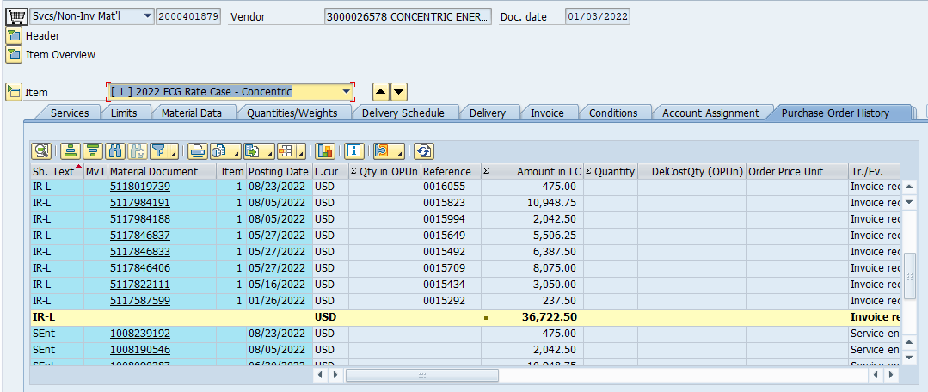
Grand Total |  | 29,694 | 43,300 | 40,201 | 56,468 | 77,388 | 107,092 | 247,296 | 176,079 | 150,859 | 158,533 | - | - | - | - | 1,086,910 | 1,991,116 | 904,206
