Balance 2016 - 2018
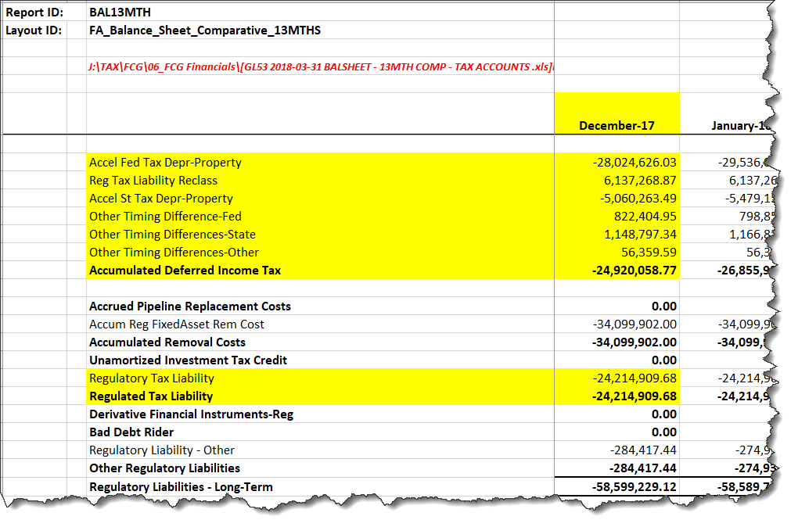
FCG 000723
20220069-GU
Florida City Gas #1570
Summary of ADIT Balances - 2016 thru 2018

 | 190 | 282 | 283 | Total DTL | Total ADIT

Year 2016 (Per MFR)
Federal | 2,566,610 | (39,016,317) | 0 | (39,016,317) | (36,449,707)
State | 335,445 | (3,829,730) | 0 | (3,829,730) | (3,494,285)
 | 2,902,055 | (42,846,047) | 0 | (42,846,047) | (39,943,992)

Year 2017
Federal | 5,716,862 | (28,256,843) | 185,919 | (28,070,924) | (22,354,062)
State | 1,584,416 | (4,201,940) | 51,527 | (4,150,413) | (2,565,997)
 | 7,301,278 | (32,458,783) | 237,446 | (32,221,337) | (24,920,059)

Year 2018
Federal | 5,810,379 | (29,130,983) | (705,186) | (29,836,169) | (24,025,790)
State | 1,398,242 | (4,466,051) | (195,440) | (4,661,491) | (3,263,249)
 | 7,208,621 | (33,597,034) | (900,626) | (34,497,660) | (27,289,039)

