Screenshots
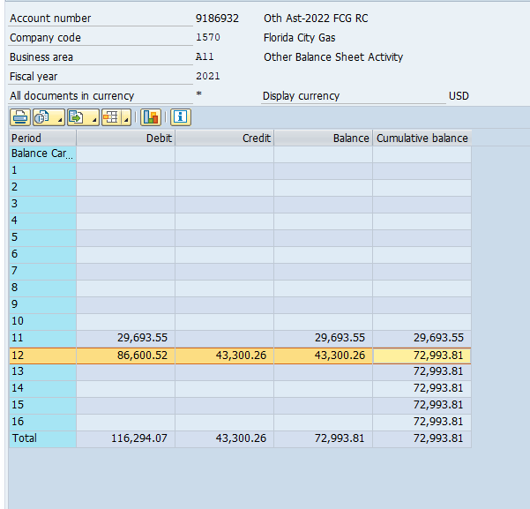
FCG 000835
20220069-GU
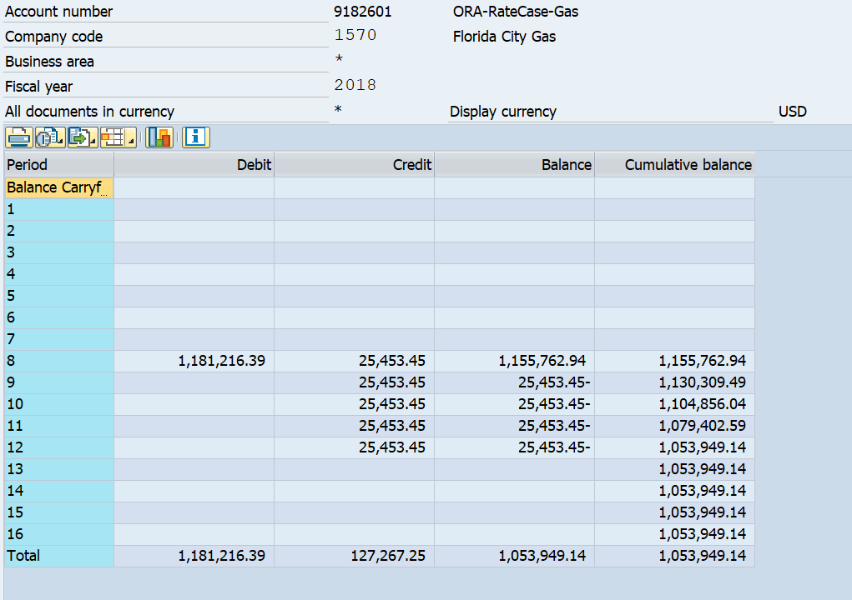

 | FCG Sum 2018
 | $127,266.25
 | 1,053,950.14
 | 1221765.73
 | 1,181,216.39

 | 25453.45
 | 25453.45

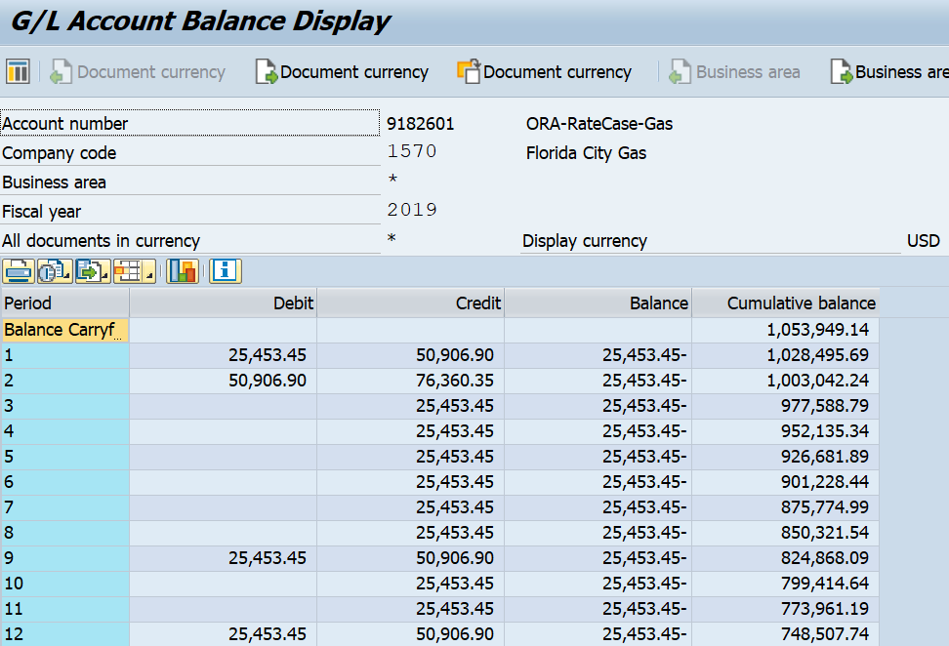

 | FCG Sum 2019
 | $305,439.00

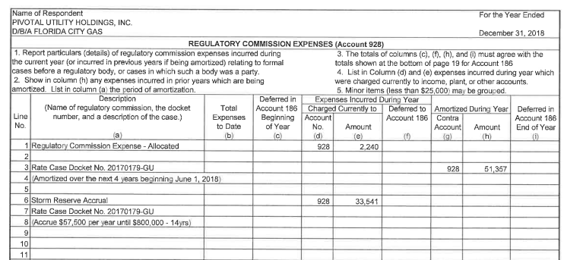

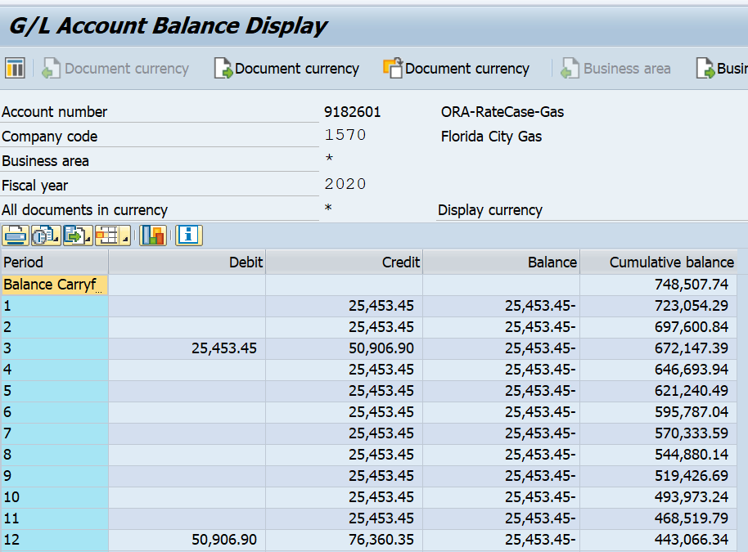

 | FCG Sum 2019
 | $305,439.00

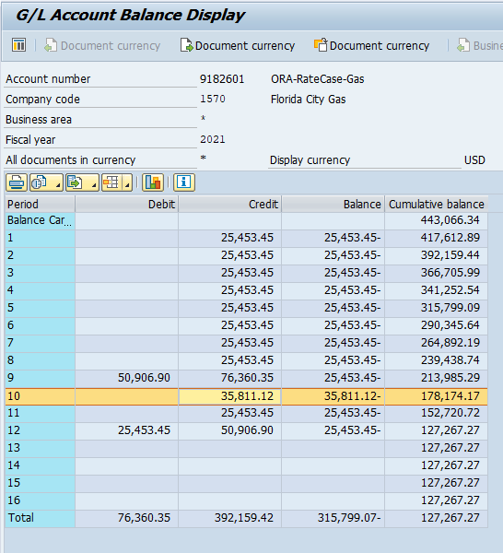

 |  | FCG Sum 2021
 |  | $315,796.87

Order
FCG 000837
20220069-GU
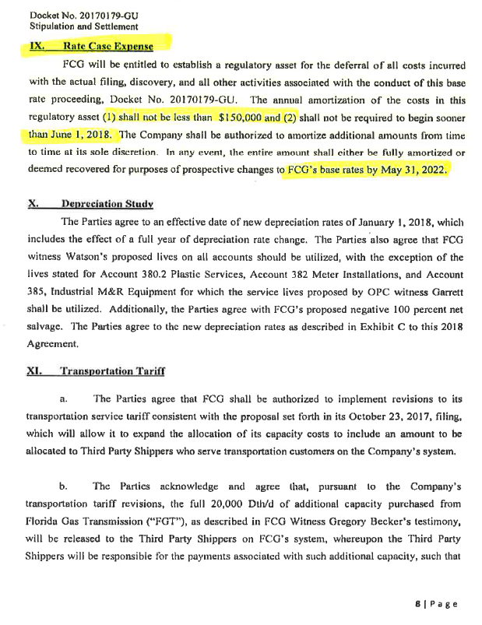

Percentage Inputs
FCG 000839
20220069-GU

 | 2018
Rate Base | 299,278,151 | 2017 MFR A-1 (see screen shot below)
Operating Revenue | 53,847,331 | 2017 MFR A-4 (see screen shot below)
Customers | 109,702 | MFR C-37

 | 2023
Rate Base | 487,422,824 | Rate Base, Juris Adj Utility, NOI and Rate Base (3-14-22)
Operating Revenue | 64,585,444 | Total Operating Revenues, Juris Adj Utility, NOI and Rate Base (3-14-22)
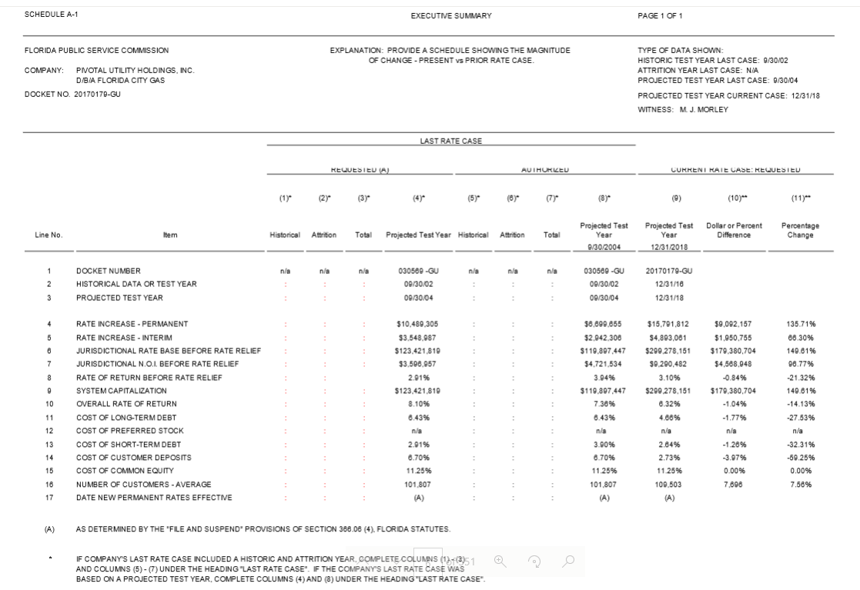
Customers | 117,487 | 2023 Forecast (see screen shot below)

