Dividend
FCG 000925
20220069-GU
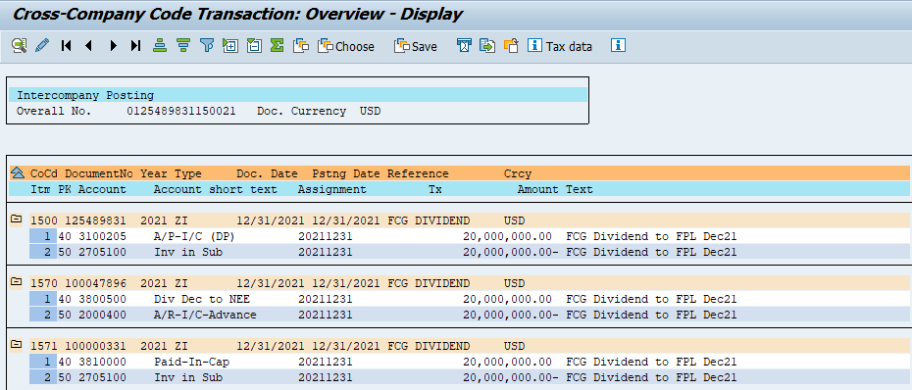

IC Debt from FPL
FCG 000926
20220069-GU
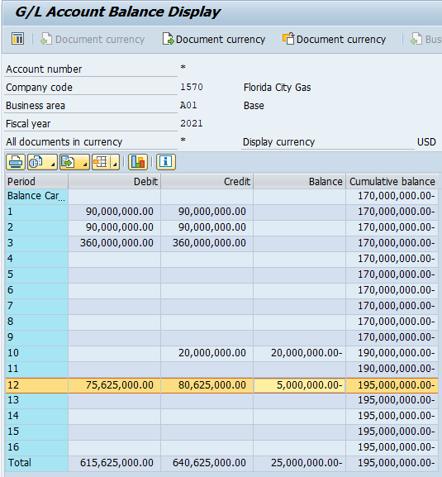

FS 2021
FCG 000927
20220069-GU
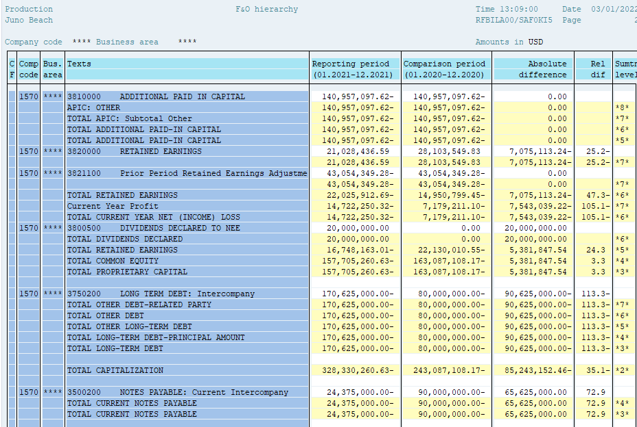

APIC
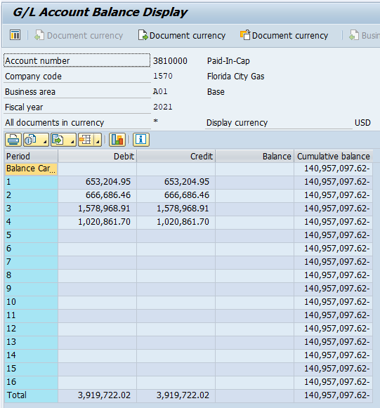
FCG 000928
20220069-GU

