Loss on Reacquired Debt
FCG 002985
20220069-GU

 |  | Designation of LTD | Date Reacquired | Principal of Debt Reacquired | net gain or loss | balance at beginning of year | balance at end of year (2018) | Rounded | Email | variance

line 1 | Tab J | Florida City Gas Bond Amortization | 2005-04-19 | 20,000,000 | 1,093,562 | 139,654.88 | 118,965.20
line 1 | Tab K | Florida City Gas Bond Amortization Series 2024 |  |  |  | 241,110.14 | 205,390.22 | 324,355.00 | 324,356.00 | 1.00
line 2 | Tab L | Florida City Gas Revenue Bond Issue fees - Redeemed 2018 | 2008-06-05 | 20,000,000 | 889,213 | 357,904.28 | 304,881.44
line 2 | Tab M | $20M Revenue Bond Due 2024 Issuance Fees |  |  |  | 31,162.85 | 26,544.05 | 331,425.00 | 331,424.00 | (1.00)
line 3 | Tab U | $20M Revenue Bond Due 2025 Issuance Fees | 2010-05-28 | 20,000,000 | 181,507 | 94,733.35 | 80,698.83 | 80,699.00 | 80,700.00 | 1.00
line 4 | Tab W | $20M Brevard County Series 2005 Issuance Costs | 2013-02-26 | 20,000,000 | 113,876 | 69,444.12 | 59,156.10 | 59,156.00 | 59,156.00 | -
line 5 | Tab Z | FCG/ETG Revenue Bonds - $20M, $54.6M, $46.5M, $39M | 2018-04-27 | 20,000,000 | 102,387 | 107,706.85 | 91,762.48 | 91,762.00 | 91,763.00 | 1.00 | we did a true up for the accrual for $12.27 so the balance would fully amortize with the recurring entry
 |  |  |  |  |  |  |  |  |  | 2.00

 |  | Designation of LTD | Date Reacquired | Principal of Debt Reacquired | net gain or loss | balance at beginning of year | balance at end of year (2019) | Rounded |  | SAP |  | Difference
line 1 | Tab J | Florida City Gas Bond Amortization | 2005-04-19 | 20,000,000 |  |  | 98,275.52
line 1 | Tab K | Florida City Gas Bond Amortization Series 2024 |  |  |  |  | 169,670.30 | 267,946.00
line 2 | Tab L | Florida City Gas Revenue Bond Issue fees - Redeemed 2018 | 2008-06-05 | 20,000,000 |  |  | 251,858.60
line 2 | Tab M | $20M Revenue Bond Due 2024 Issuance Fees |  |  |  |  | 21,925.25 | 273,784.00
line 3 | Tab U | $20M Revenue Bond Due 2025 Issuance Fees | 2010-05-28 | 20,000,000 |  |  | 66,664.30 | 66,664.00
line 4 | Tab W | $20M Brevard County Series 2005 Issuance Costs | 2013-02-26 | 20,000,000 |  |  | 48,868.08 | 48,868.00
line 5 | Tab Z | FCG/ETG Revenue Bonds - $20M, $54.6M, $46.5M, $39M | 2018-04-27 | 20,000,000 |  |  | 75,806.59 | 75,807.00
 |  |  |  |  |  |  |  | 733,069.00 |  | 733,069.02 |  | 0.02

 |  | Designation of LTD | Date Reacquired | Principal of Debt Reacquired | net gain or loss | balance at beginning of year | balance at end of year (2020) | Rounded |  | SAP |  | Difference
line 1 | Tab J | Florida City Gas Bond Amortization | 2005-04-19 | 20,000,000 |  |  | 77,585.84
line 1 | Tab K | Florida City Gas Bond Amortization Series 2024 |  |  |  |  | 133,950.38 | 211,536.00
line 2 | Tab L | Florida City Gas Revenue Bond Issue fees - Redeemed 2018 | 2008-06-05 | 20,000,000 |  |  | 198,835.76
line 2 | Tab M | $20M Revenue Bond Due 2024 Issuance Fees |  |  |  |  | 17,306.45 | 216,142.00
line 3 | Tab U | $20M Revenue Bond Due 2025 Issuance Fees | 2010-05-28 | 20,000,000 |  |  | 52,629.77 | 52,630.00
line 4 | Tab W | $20M Brevard County Series 2005 Issuance Costs | 2013-02-26 | 20,000,000 |  |  | 38,580.07 | 38,580.00
line 5 | Tab Z | FCG/ETG Revenue Bonds - $20M, $54.6M, $46.5M, $39M | 2018-04-27 | 20,000,000 |  |  | 59,849.95 | 59,850.00
 |  |  |  |  |  |  |  | 578,738.00 |  | 578,738.70 |  | 0.70

 |  | Designation of LTD | Date Reacquired | Principal of Debt Reacquired | net gain or loss | balance at beginning of year | balance at end of year (2021) | Rounded |  | SAP |  | Difference
line 1 | Tab J | Florida City Gas Bond Amortization | 2005-04-19 | 20,000,000 |  |  | 56,896.16
line 1 | Tab K | Florida City Gas Bond Amortization Series 2024 |  |  |  |  | 98,230.46 | 155,127.00
line 2 | Tab L | Florida City Gas Revenue Bond Issue fees - Redeemed 2018 | 2008-06-05 | 20,000,000 |  |  | 145,812.92
line 2 | Tab M | $20M Revenue Bond Due 2024 Issuance Fees |  |  |  |  | 12,687.65 | 158,501.00
line 3 | Tab U | $20M Revenue Bond Due 2025 Issuance Fees | 2010-05-28 | 20,000,000 |  |  | 38,595.24 | 38,595.00
line 4 | Tab W | $20M Brevard County Series 2005 Issuance Costs | 2013-02-26 | 20,000,000 |  |  | 28,292.05 | 28,292.00
line 5 | Tab Z | FCG/ETG Revenue Bonds - $20M, $54.6M, $46.5M, $39M | 2018-04-27 | 20,000,000 |  |  | 43,893.31 | 43,893.00
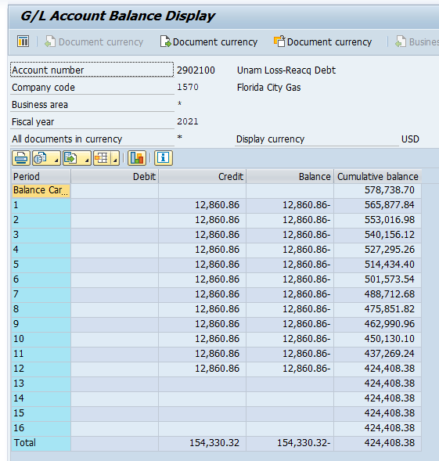
 |  |  |  |  |  |  |  | 424,408.00 |  | 424,408.38 |  | 0.38

