Approved Rates
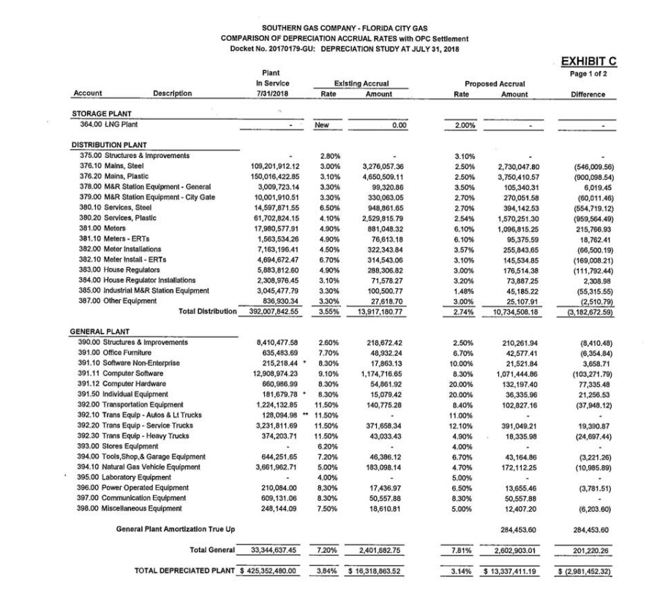
FCG 001991
20220069-GU

