Approved Rates
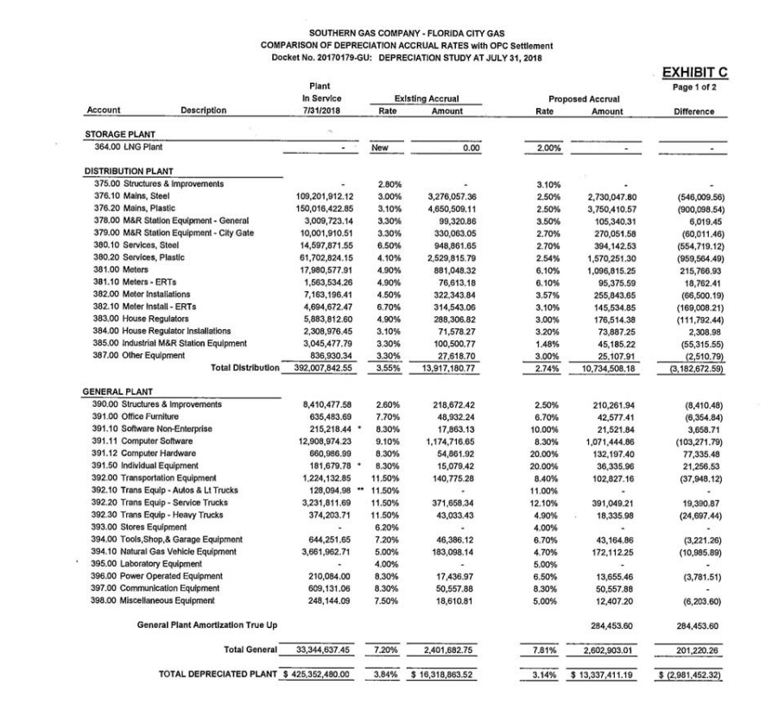
FCG 001999
20220069-GU

