Scenario Report Run
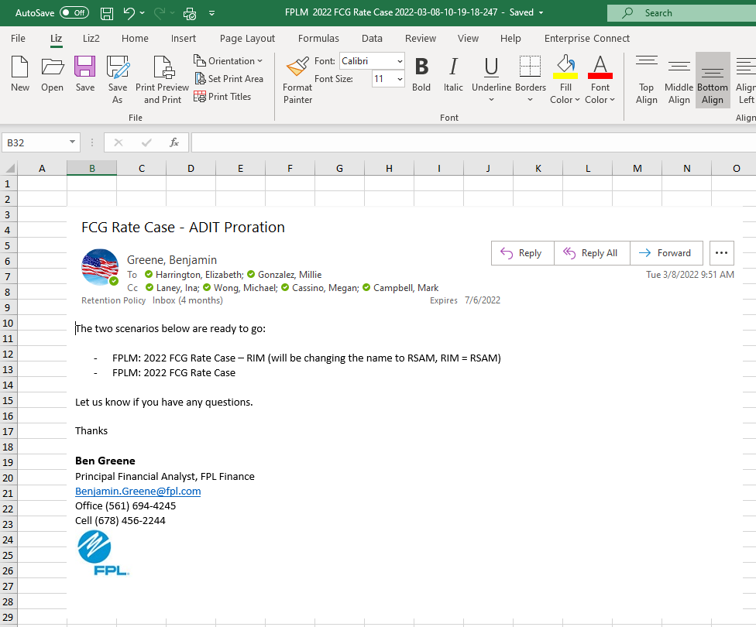
FCG 002864
20220069-GU

