Scenario Report Run
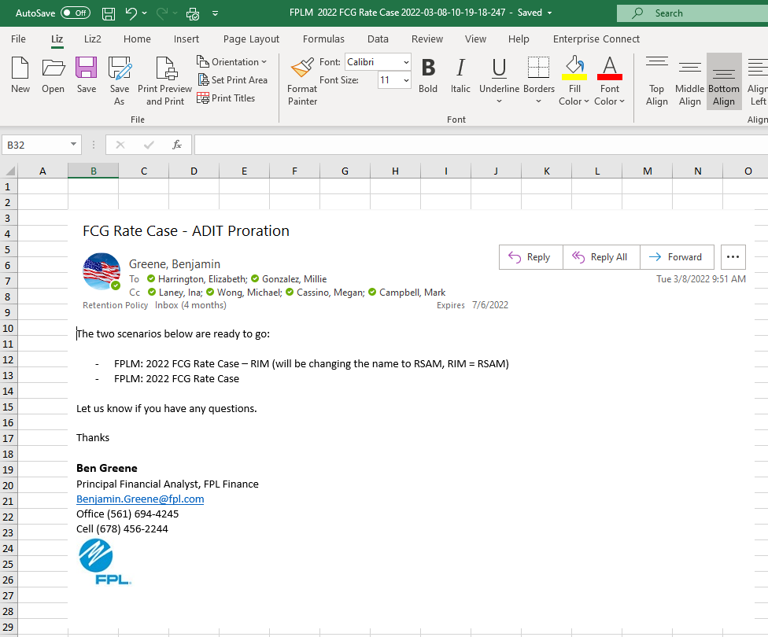
FCG 002844
20220069-GU

