2024 ASR Support
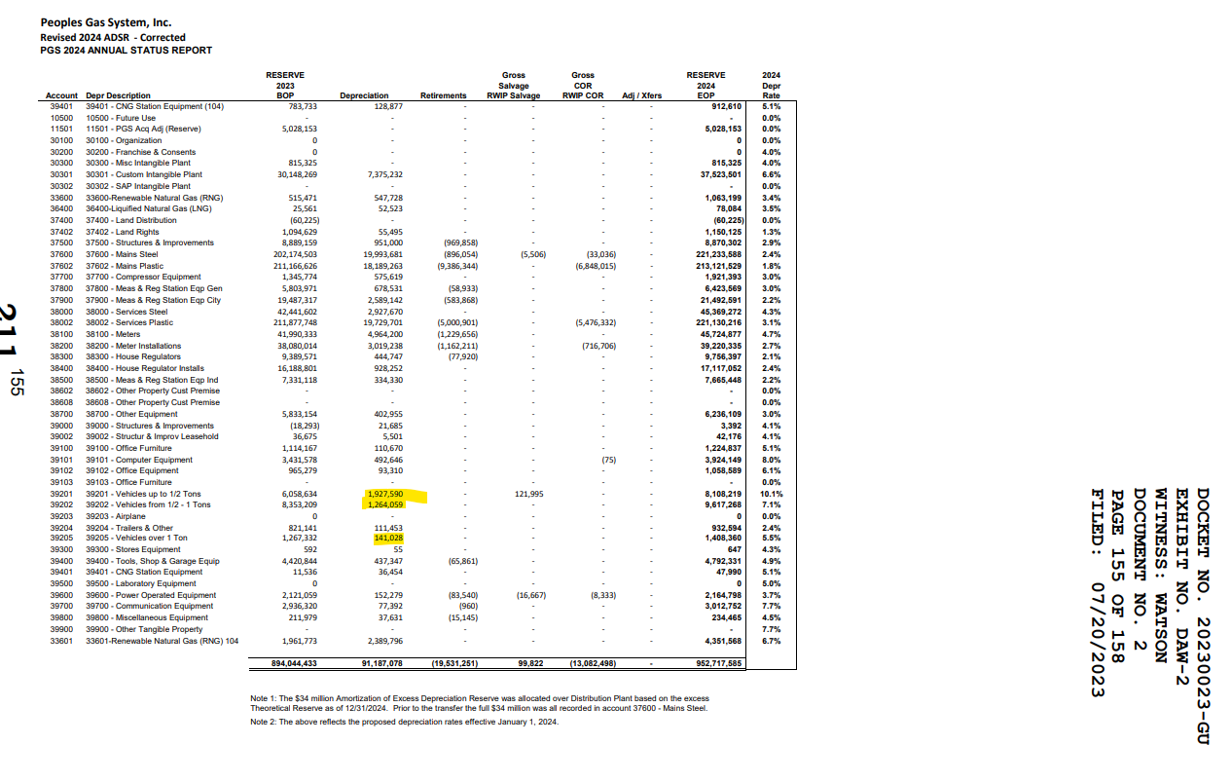

Not confidential - just highlighted

