ResCust_Mdl
Res Customer Models
 | Miami |  |  |  |  | Tampa |  |  |  |  | St Pete |  |  |  |  | Orlando |  |  |  |  | Eustis |  |  |  |  | Jacksonville |  |  |  |  | Lakeland |  |  |  |  | Daytona |  |  |  |  | Avon Park |  |  |  |  | Sarasota |  |  |  |  | Jupiter |  |  |  |  | Panama City |  |  |  |  | Ocala |  |  |  |  | FortMyers
 | Model Statistics |  |  |  |  | Model Statistics |  |  |  |  | Model Statistics |  |  |  |  | Model Statistics |  |  |  |  | Model Statistics |  |  |  |  | Model Statistics |  |  |  |  | Model Statistics |  |  |  |  | Model Statistics |  |  |  |  | Model Statistics |  |  |  |  | Model Statistics |  |  |  |  | Model Statistics |  |  |  |  | Model Statistics |  |  |  |  | Model Statistics |  |  |  |  | Model Statistics
 | Iterations | 4 |  |  |  | Iterations | 8 |  |  |  | Iterations | 13 |  |  |  | Iterations | 8 |  |  |  | Iterations | 15 |  |  |  | Iterations | 28 |  |  |  | Iterations | 14 |  |  |  | Iterations | 14 |  |  |  | Iterations | 6 |  |  |  | Iterations | 64 |  |  |  | Iterations | 13 |  |  |  | Iterations | 10 |  |  |  | Iterations | 8 |  |  |  | Iterations | 83
 | Adjusted Observations | 66 |  |  |  | Adjusted Observations | 66 |  |  |  | Adjusted Observations | 78 |  |  |  | Adjusted Observations | 78 |  |  |  | Adjusted Observations | 78 |  |  |  | Adjusted Observations | 78 |  |  |  | Adjusted Observations | 66 |  |  |  | Adjusted Observations | 78 |  |  |  | Adjusted Observations | 78 |  |  |  | Adjusted Observations | 91 |  |  |  | Adjusted Observations | 78 |  |  |  | Adjusted Observations | 66 |  |  |  | Adjusted Observations | 78 |  |  |  | Adjusted Observations | 79
 | Deg. of Freedom for Error | 64 |  |  |  | Deg. of Freedom for Error | 63 |  |  |  | Deg. of Freedom for Error | 75 |  |  |  | Deg. of Freedom for Error | 75 |  |  |  | Deg. of Freedom for Error | 64 |  |  |  | Deg. of Freedom for Error | 75 |  |  |  | Deg. of Freedom for Error | 52 |  |  |  | Deg. of Freedom for Error | 75 |  |  |  | Deg. of Freedom for Error | 76 |  |  |  | Deg. of Freedom for Error | 77 |  |  |  | Deg. of Freedom for Error | 75 |  |  |  | Deg. of Freedom for Error | 64 |  |  |  | Deg. of Freedom for Error | 75 |  |  |  | Deg. of Freedom for Error | 70
 | R-Squared | 0.933 |  |  |  | R-Squared | 0.999 |  |  |  | R-Squared | 0.97 |  |  |  | R-Squared | 0.993 |  |  |  | R-Squared | 0.981 |  |  |  | R-Squared | 0.999 |  |  |  | R-Squared | 0.926 |  |  |  | R-Squared | 0.997 |  |  |  | R-Squared | 0.978 |  |  |  | R-Squared | 0.999 |  |  |  | R-Squared | 0.995 |  |  |  | R-Squared | 0.966 |  |  |  | R-Squared | 0.988 |  |  |  | R-Squared | 0.999
 | Adjusted R-Squared | 0.932 |  |  |  | Adjusted R-Squared | 0.999 |  |  |  | Adjusted R-Squared | 0.969 |  |  |  | Adjusted R-Squared | 0.993 |  |  |  | Adjusted R-Squared | 0.978 |  |  |  | Adjusted R-Squared | 0.999 |  |  |  | Adjusted R-Squared | 0.908 |  |  |  | Adjusted R-Squared | 0.997 |  |  |  | Adjusted R-Squared | 0.978 |  |  |  | Adjusted R-Squared | 0.999 |  |  |  | Adjusted R-Squared | 0.994 |  |  |  | Adjusted R-Squared | 0.966 |  |  |  | Adjusted R-Squared | 0.988 |  |  |  | Adjusted R-Squared | 0.999
 | AIC | 10.232 |  |  |  | AIC | 9.905 |  |  |  | AIC | 8.416 |  |  |  | AIC | 10.179 |  |  |  | AIC | 6.564 |  |  |  | AIC | 10.489 |  |  |  | AIC | 6.748 |  |  |  | AIC | 7.396 |  |  |  | AIC | 2.765 |  |  |  | AIC | 10.2 |  |  |  | AIC | 7.2 |  |  |  | AIC | 9.355 |  |  |  | AIC | 12.121 |  |  |  | AIC | 9.364
 | BIC | 10.298 |  |  |  | BIC | 10.004 |  |  |  | BIC | 8.507 |  |  |  | BIC | 10.27 |  |  |  | BIC | 6.987 |  |  |  | BIC | 10.579 |  |  |  | BIC | 7.212 |  |  |  | BIC | 7.486 |  |  |  | BIC | 2.826 |  |  |  | BIC | 10.586 |  |  |  | BIC | 7.291 |  |  |  | BIC | 9.421 |  |  |  | BIC | 12.212 |  |  |  | BIC | 9.634
 | Model Sum of Squares | 24,208,391.71 |  |  |  | Model Sum of Squares | 829,190,795.30 |  |  |  | Model Sum of Squares | 10,623,453.92 |  |  |  | Model Sum of Squares | 271,901,589.40 |  |  |  | Model Sum of Squares | 2,034,781.83 |  |  |  | Model Sum of Squares | 3,412,811,084.58 |  |  |  | Model Sum of Squares | 462,891.65 |  |  |  | Model Sum of Squares | 37,702,056.75 |  |  |  | Model Sum of Squares | 52,058.18 |  |  |  | Model Sum of Squares | 3,104,517,820.15 |  |  |  | Model Sum of Squares | 17,498,242 |  |  |  | Model Sum of Squares | 20,641,057.40 |  |  |  | Model Sum of Squares | 1,076,991,395.31 |  |  |  | Model Sum of Squares | 907,999,961.38
 | Sum of Squared Errors | 1,725,058.73 |  |  |  | Sum of Squared Errors | 1,206,574.52 |  |  |  | Sum of Squared Errors | 326,417.38 |  |  |  | Sum of Squared Errors | 1,902,463.28 |  |  |  | Sum of Squared Errors | 38,641.35 |  |  |  | Sum of Squared Errors | 2,593,570.87 |  |  |  | Sum of Squared Errors | 36,796.97 |  |  |  | Sum of Squared Errors | 117,641.20 |  |  |  | Sum of Squared Errors | 1,176.81 |  |  |  | Sum of Squared Errors | 1,799,751.24 |  |  |  | Sum of Squared Errors | 96,761.06 |  |  |  | Sum of Squared Errors | 717,904.92 |  |  |  | Sum of Squared Errors | 13,271,051.56 |  |  |  | Sum of Squared Errors | 733,689.37
 | Mean Squared Error | 26,954.04 |  |  |  | Mean Squared Error | 19,151.98 |  |  |  | Mean Squared Error | 4,352.23 |  |  |  | Mean Squared Error | 25,366.18 |  |  |  | Mean Squared Error | 603.77 |  |  |  | Mean Squared Error | 34,580.94 |  |  |  | Mean Squared Error | 707.63 |  |  |  | Mean Squared Error | 1,568.55 |  |  |  | Mean Squared Error | 15.48 |  |  |  | Mean Squared Error | 23,373.39 |  |  |  | Mean Squared Error | 1,290.15 |  |  |  | Mean Squared Error | 11,217.26 |  |  |  | Mean Squared Error | 176,947.35 |  |  |  | Mean Squared Error | 10,481.28
 | Std. Error of Regression | 164.18 |  |  |  | Std. Error of Regression | 138.39 |  |  |  | Std. Error of Regression | 65.97 |  |  |  | Std. Error of Regression | 159.27 |  |  |  | Std. Error of Regression | 24.57 |  |  |  | Std. Error of Regression | 185.96 |  |  |  | Std. Error of Regression | 26.6 |  |  |  | Std. Error of Regression | 39.6 |  |  |  | Std. Error of Regression | 3.94 |  |  |  | Std. Error of Regression | 152.88 |  |  |  | Std. Error of Regression | 35.92 |  |  |  | Std. Error of Regression | 105.91 |  |  |  | Std. Error of Regression | 420.65 |  |  |  | Std. Error of Regression | 102.38
 | Mean Abs. Dev. (MAD) | 116.85 |  |  |  | Mean Abs. Dev. (MAD) | 97.15 |  |  |  | Mean Abs. Dev. (MAD) | 47.77 |  |  |  | Mean Abs. Dev. (MAD) | 106.03 |  |  |  | Mean Abs. Dev. (MAD) | 15.9 |  |  |  | Mean Abs. Dev. (MAD) | 144.92 |  |  |  | Mean Abs. Dev. (MAD) | 17.57 |  |  |  | Mean Abs. Dev. (MAD) | 30.37 |  |  |  | Mean Abs. Dev. (MAD) | 2.88 |  |  |  | Mean Abs. Dev. (MAD) | 105.03 |  |  |  | Mean Abs. Dev. (MAD) | 24.11 |  |  |  | Mean Abs. Dev. (MAD) | 54.53 |  |  |  | Mean Abs. Dev. (MAD) | 173.98 |  |  |  | Mean Abs. Dev. (MAD) | 78.67
 | Mean Abs. % Err. (MAPE) | 0.23% |  |  |  | Mean Abs. % Err. (MAPE) | 0.14% |  |  |  | Mean Abs. % Err. (MAPE) | 0.23% |  |  |  | Mean Abs. % Err. (MAPE) | 0.22% |  |  |  | Mean Abs. % Err. (MAPE) | 0.29% |  |  |  | Mean Abs. % Err. (MAPE) | 0.51% |  |  |  | Mean Abs. % Err. (MAPE) | 0.37% |  |  |  | Mean Abs. % Err. (MAPE) | 0.46% |  |  |  | Mean Abs. % Err. (MAPE) | 1.01% |  |  |  | Mean Abs. % Err. (MAPE) | 0.27% |  |  |  | Mean Abs. % Err. (MAPE) | 0.20% |  |  |  | Mean Abs. % Err. (MAPE) | 0.37% |  |  |  | Mean Abs. % Err. (MAPE) | 0.40% |  |  |  | Mean Abs. % Err. (MAPE) | 0.53%
 | Durbin-Watson Statistic | 2.039 |  |  |  | Durbin-Watson Statistic | 2.373 |  |  |  | Durbin-Watson Statistic | 1.571 |  |  |  | Durbin-Watson Statistic | 2.045 |  |  |  | Durbin-Watson Statistic | 1.357 |  |  |  | Durbin-Watson Statistic | 1.388 |  |  |  | Durbin-Watson Statistic | 1.824 |  |  |  | Durbin-Watson Statistic | 1.555 |  |  |  | Durbin-Watson Statistic | 2.239 |  |  |  | Durbin-Watson Statistic | 1.86 |  |  |  | Durbin-Watson Statistic | 2.431 |  |  |  | Durbin-Watson Statistic | 1.489 |  |  |  | Durbin-Watson Statistic | 1.927 |  |  |  | Durbin-Watson Statistic | 1.809

 | Variable | Coefficient | StdErr | T-Stat | P-Value | Variable | Coefficient | StdErr | T-Stat | P-Value | Variable | Coefficient | StdErr | T-Stat | P-Value | Variable | Coefficient | StdErr | T-Stat | P-Value | Variable | Coefficient | StdErr | T-Stat | P-Value | Variable | Coefficient | StdErr | T-Stat | P-Value | Variable | Coefficient | StdErr | T-Stat | P-Value | Variable | Coefficient | StdErr | T-Stat | P-Value | Variable | Coefficient | StdErr | T-Stat | P-Value | Variable | Coefficient | StdErr | T-Stat | P-Value | Variable | Coefficient | StdErr | T-Stat | P-Value | Variable | Coefficient | StdErr | T-Stat | P-Value | Variable | Coefficient | StdErr | T-Stat | P-Value | Variable | Coefficient | StdErr | T-Stat | P-Value
 | mEcon.HseHlds_Div | 21.437 | 0.137 | 156.728 | 0.00% | mEcon.HseHlds_Div | 4.894 | 4.024 | 1.216 | 22.85% | CONST | 5861.648 | 4070.896 | 1.44 | 15.41% | CONST | -16473.472 | 6114.078 | -2.694 | 0.87% | mEcon.HseHlds_Div | 48.674 | 7.023 | 6.93 | 0.00% | CONST | -206008.864 | 13125.872 | -15.695 | 0.00% | mBin.TrendVar | 56.614 | 40.1 | 1.412 | 16.40% | CONST | -20172.796 | 2287.434 | -8.819 | 0.00% | mEcon.HseHlds_Div | 3.307 | 0.44 | 7.508 | 0.00% | CONST | -139949.163 | 4374.317 | -31.993 | 0.00% | CONST | -794.654 | 1336.948 | -0.594 | 55.40% | mEcon.HseHlds_Div | 204.021 | 6.177 | 33.027 | 0.00% | CONST | -68429.771 | 9783.262 | -6.995 | 0.00% | CONST | -83635.266 | 2155.184 | -38.807 | 0.00%
 | AR(1) | 0.938 | 0.043 | 21.999 | 0.00% | mBin.TrendVar | 2192.921 | 170.495 | 12.862 | 0.00% | mEcon.HseHlds_Div | 11.804 | 3.143 | 3.756 | 0.03% | mEcon.HseHlds_Div | 42.771 | 3.951 | 10.825 | 0.00% | mBin.Jan | -2459.94 | 1170.886 | -2.101 | 3.96% | mEcon.HseHlds_Div | 382.81 | 20.643 | 18.544 | 0.00% | mBin.Jan | 2952.561 | 1273.257 | 2.319 | 2.44% | mEcon.HseHlds_Div | 98.366 | 8.224 | 11.961 | 0.00% | AR(1) | 0.974 | 0.013 | 74.131 | 0.00% | mEcon.HseHlds_Div | 516.874 | 13.109 | 39.429 | 0.00% | mEcon.HseHlds_Div | 65.411 | 6.634 | 9.86 | 0.00% | AR(1) | 0.967 | 0.039 | 24.958 | 0.00% | mEcon.HseHlds_Div | 695.224 | 60.427 | 11.505 | 0.00% | mEcon.HseHlds_Div | 333.398 | 7.564 | 44.079 | 0.00%
 |  |  |  |  |  | AR(1) | 0.895 | 0.057 | 15.686 | 0.00% | AR(1) | 0.922 | 0.042 | 22.191 | 0.00% | AR(1) | 0.904 | 0.047 | 19.414 | 0.00% | mBin.Feb | -2452.692 | 1170.584 | -2.095 | 4.01% | AR(1) | 0.946 | 0.022 | 43.048 | 0.00% | mBin.Feb | 2969.544 | 1273.294 | 2.332 | 2.36% | AR(1) | 0.942 | 0.027 | 34.952 | 0.00% |  |  |  |  |  | MA(1) | 1.271 | 0.11 | 11.566 | 0.00% | AR(1) | 0.903 | 0.056 | 16.223 | 0.00% |  |  |  |  |  | AR(1) | 0.865 | 0.053 | 16.369 | 0.00% | MA(1) | 1.438 | 0.116 | 12.45 | 0.00%
Actual Vs Predicted
 | 1 | 1
 |  |  |  |  |  |  |  |  |  |  |  |  |  |  |  |  |  |  |  |  | #REF! | #REF! |  | 6,370 |  |  |  |  |  |  | #REF! | #REF! |  | 5,108 |  |  |  |  |  |  |  |  |  |  |  | #REF! | #REF! |  | 64,693

 |  |  |  |  |  |  |  |  |  |  |  |  |  |  |  |  |  |  |  |  |  |  |  |  |  |  |  |  |  |  |  |  |  |  |  |  |  |  |  |  |  |  |  |  |  |  |  |  |  |  |  |  |  |  |  | Constant term

ResMdl_Graphs
Res Customers
 | Miami | Tampa | St.Pete | Orlando | Eustis | Jacksonville | Lakeland | Daytona | AvonPark | Sarasota | Jupiter | Panama City | Ocala | Fort Mayers
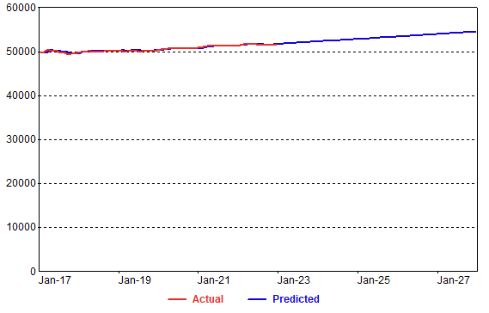
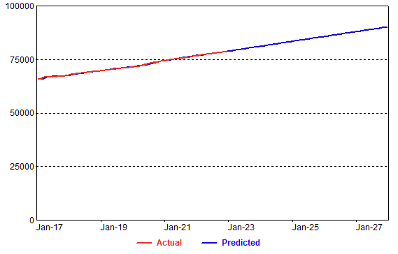
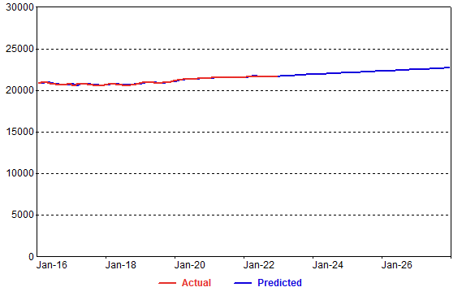
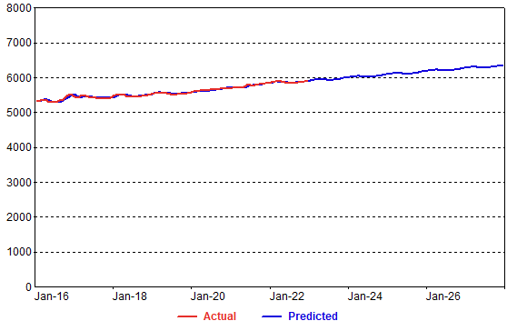
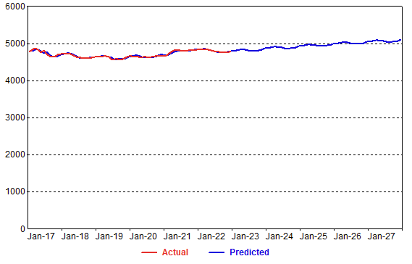
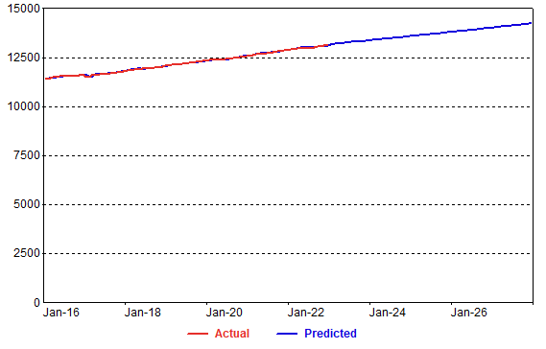
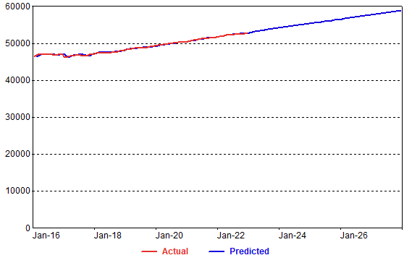
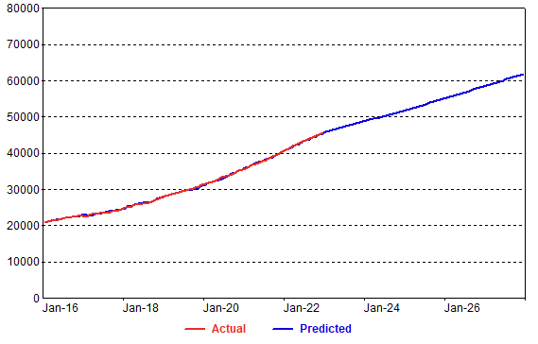
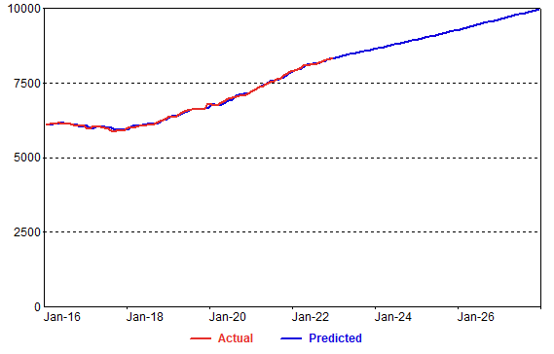
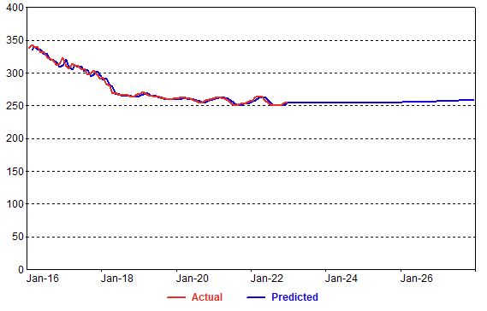
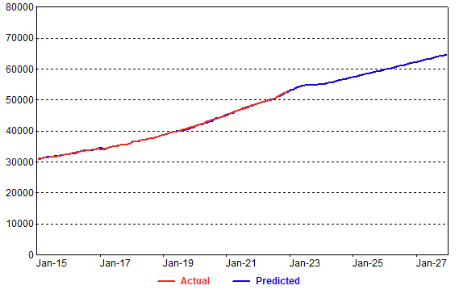
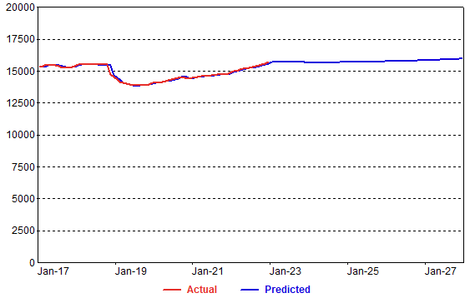
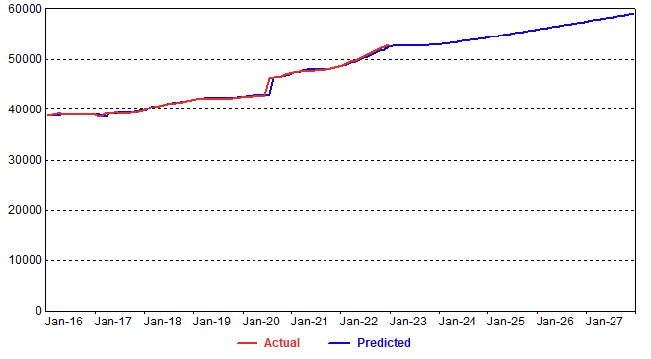
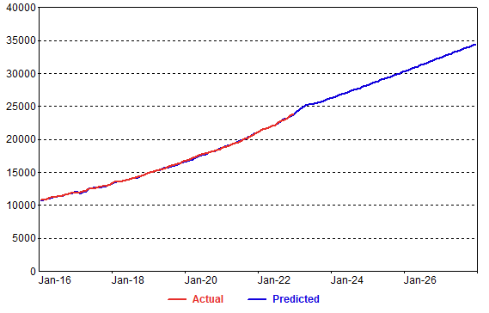

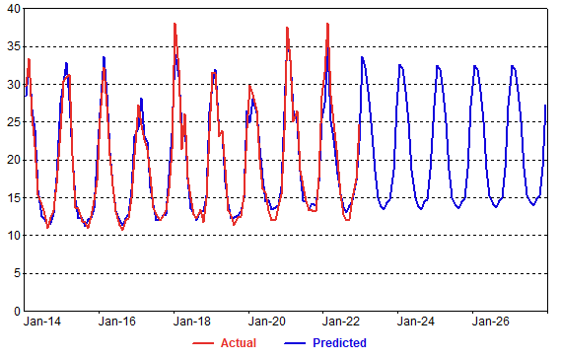
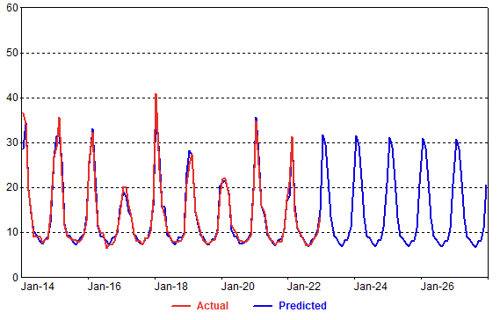
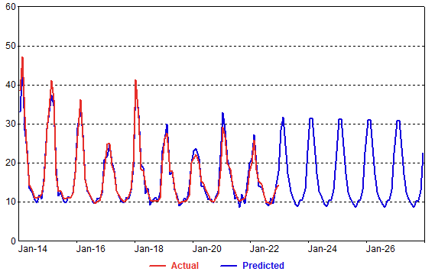
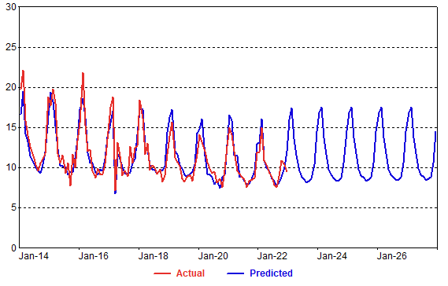
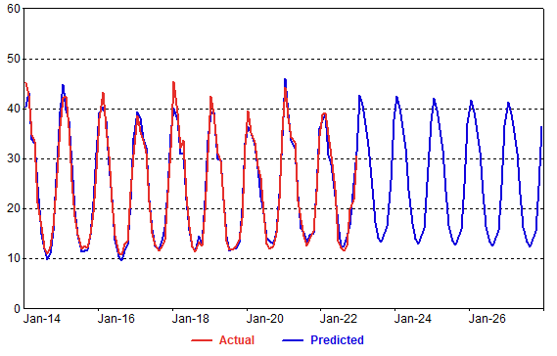
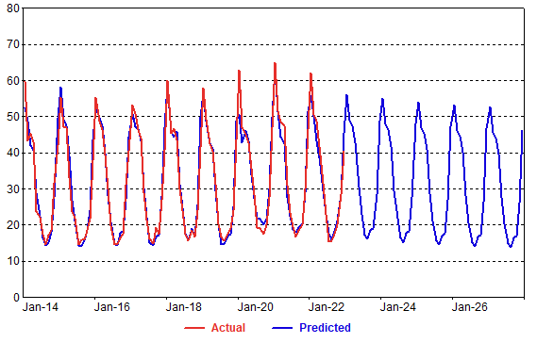
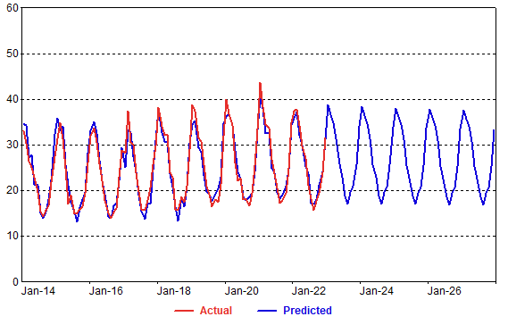
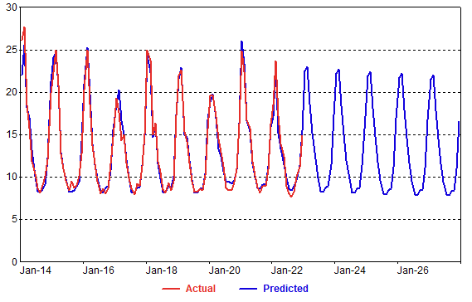
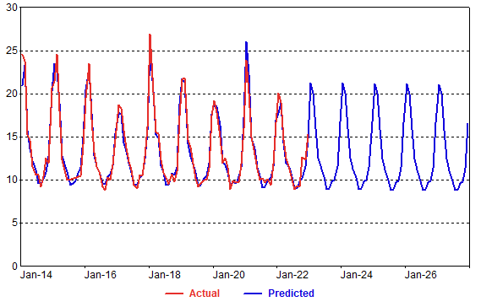
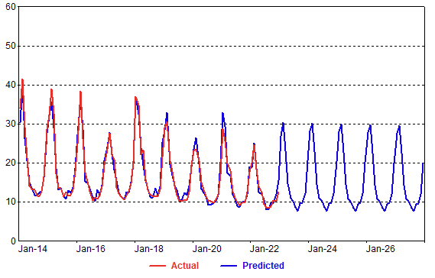
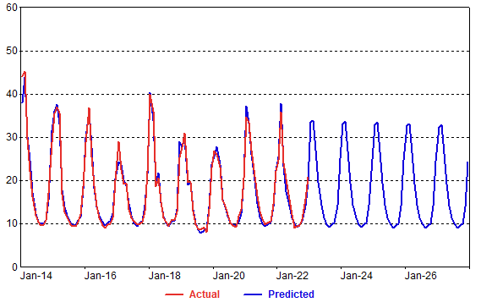
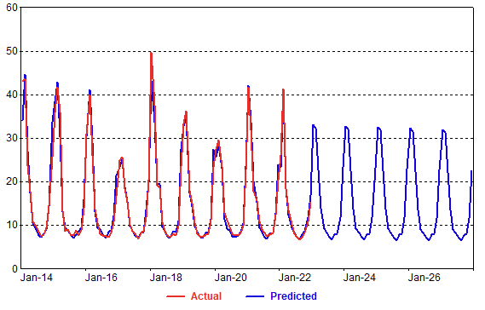
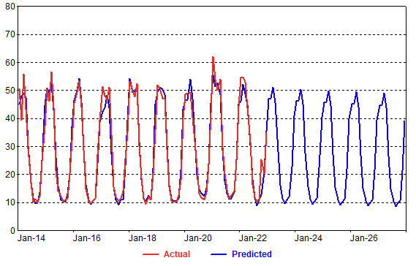
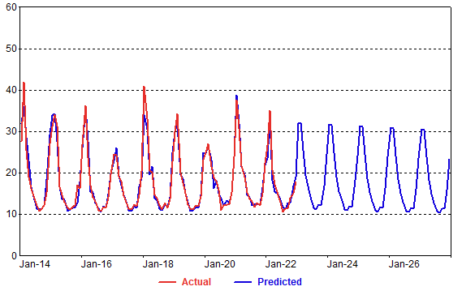
Res AvgUse

ComCust_Mdl
Small Com Cust Models
 | Miami |  |  |  |  | Tampa |  |  |  |  | St Pete |  | Orlando |  | Eustis |  | Jacksonville |  | Lakeland |  | Daytona |  | Avon Park |  | Sarasota |  | Jupiter |  | Panama City |  | Ocala |  | FortMyers
 | Model Statistics |  |  |  |  | Model Statistics |  |  |  |  | Model Statistics |  | Model Statistics |  | Model Statistics |  | Model Statistics |  | Model Statistics |  | Model Statistics |  | Model Statistics |  | Model Statistics |  | Model Statistics |  | Model Statistics |  | Model Statistics |  | Model Statistics
 | Iterations | 10 |  |  |  | Iterations | 13 |  |  |  | Iterations | 9 | Iterations | 99 | Iterations | 9 | Iterations | 15 | Iterations | 9 | Iterations | 11 | Iterations | 5 | Iterations | 99 | Iterations | 99 | Iterations | 16 | Iterations | 12 | Iterations | 6
 | Adjusted Observations | 78 |  |  |  | Adjusted Observations | 66 |  |  |  | Adjusted Observations | 78 | Adjusted Observations | 79 | Adjusted Observations | 78 | Adjusted Observations | 78 | Adjusted Observations | 66 | Adjusted Observations | 78 | Adjusted Observations | 78 | Adjusted Observations | 91 | Adjusted Observations | 78 | Adjusted Observations | 66 | Adjusted Observations | 78 | Adjusted Observations | 78
 | Deg. of Freedom for Error | 75 |  |  |  | Deg. of Freedom for Error | 63 |  |  |  | Deg. of Freedom for Error | 75 | Deg. of Freedom for Error | 66 | Deg. of Freedom for Error | 75 | Deg. of Freedom for Error | 75 | Deg. of Freedom for Error | 63 | Deg. of Freedom for Error | 75 | Deg. of Freedom for Error | 76 | Deg. of Freedom for Error | 78 | Deg. of Freedom for Error | 64 | Deg. of Freedom for Error | 63 | Deg. of Freedom for Error | 74 | Deg. of Freedom for Error | 75
 | R-Squared | 0.814 |  |  |  | R-Squared | 0.99 |  |  |  | R-Squared | 0.901 | R-Squared | 0.991 | R-Squared | 0.812 | R-Squared | 0.99 | R-Squared | 0.981 | R-Squared | 0.889 | R-Squared | 0.557 | R-Squared | 0.993 | R-Squared | 0.983 | R-Squared | 0.976 | R-Squared | 0.962 | R-Squared | 0.993
 | Adjusted R-Squared | 0.809 |  |  |  | Adjusted R-Squared | 0.99 |  |  |  | Adjusted R-Squared | 0.898 | Adjusted R-Squared | 0.989 | Adjusted R-Squared | 0.807 | Adjusted R-Squared | 0.99 | Adjusted R-Squared | 0.981 | Adjusted R-Squared | 0.886 | Adjusted R-Squared | 0.551 | Adjusted R-Squared | 0.991 | Adjusted R-Squared | 0.98 | Adjusted R-Squared | 0.976 | Adjusted R-Squared | 0.961 | Adjusted R-Squared | 0.993
 | AIC | 7.405 |  |  |  | AIC | 5.826 |  |  |  | AIC | 5.278 | AIC | 6.187 | AIC | 2.949 | AIC | 6.147 | AIC | 2.807 | AIC | 4.259 | AIC | 0.45 | AIC | 5.375 | AIC | 3.559 | AIC | 4.78 | AIC | 5.342 | AIC | 5.658
...
 | Std. Error of Regression | 39.79 |  |  |  | Std. Error of Regression | 18.01
 | Mean Abs. Dev. (MAD) | 27.41 |  |  |  | Mean Abs. Dev. (MAD) | 12.3
 | Mean Abs. % Err. (MAPE) | 0.32% |  |  |  | Mean Abs. % Err. (MAPE) | 0.30%
 | Durbin-Watson Statistic | 2.342 |  |  |  | Durbin-Watson Statistic | 2.529

 | Variable | Coefficient | StdErr | T-Stat | P-Value | Variable | Coefficient | StdErr | T-Stat | P-Value
 | CONST | 6704.552 | 533.816 | 12.56 | 0.00% | mEcon.Emp_Div | 0.616 | 0.117 | 5.266 | 0.00%
 | mEcon.Emp_Div | 0.462 | 0.131 | 3.53 | 0.07% | ResCusts.Predicted | 0.042 | 0.003 | 14.034 | 0.00%
 | AR(1) | 0.77 | 0.074 | 10.387 | 0.00% | AR(1) | 0.677 | 0.095 | 7.149 | 0.00%
...
Actual Vs Predicted
 | 1 | 1

ComMdl_Graphs
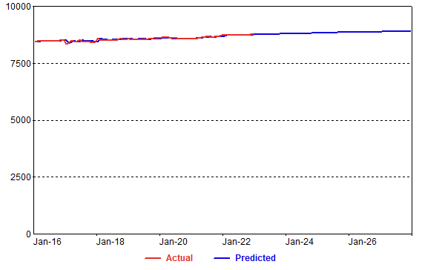
SmlCom Custs | Miami | Tampa | St. Pete | Orlando | Eustis | Jacksonville | Lakeland | Daytona | Avon Park | Sarasota | Jupiter | Panama City | Ocala | Fort Mayers
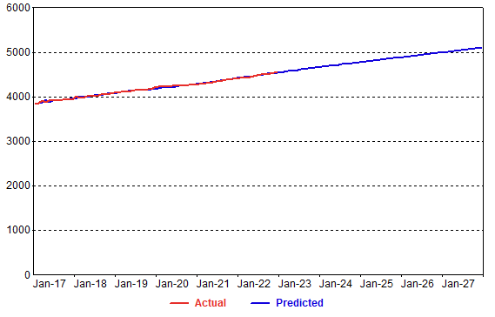
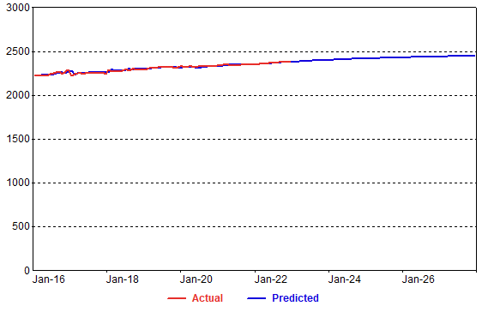
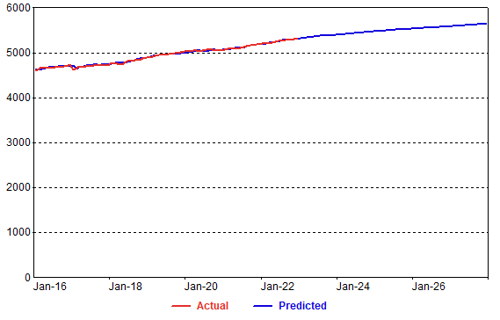
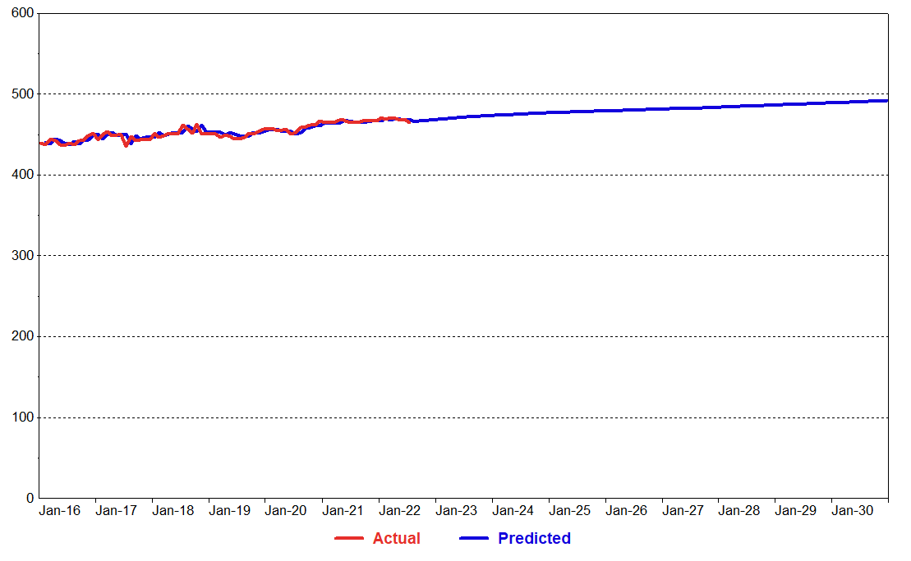
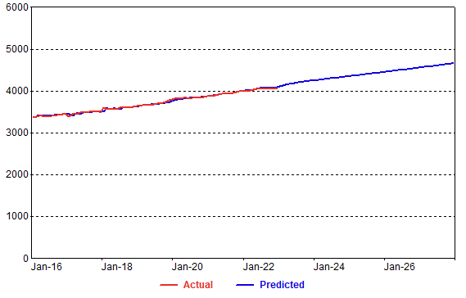
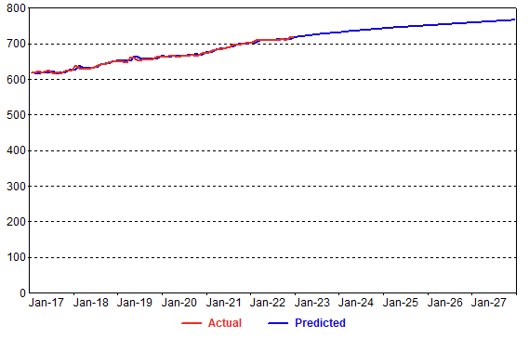
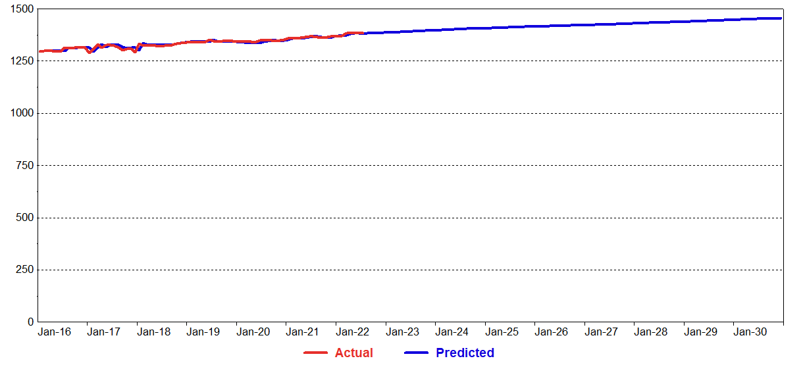
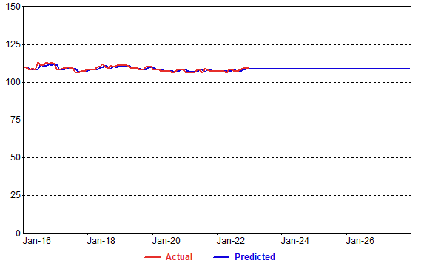
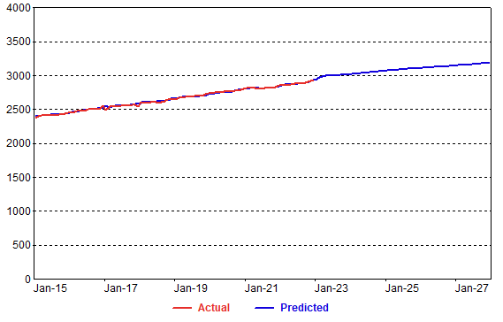
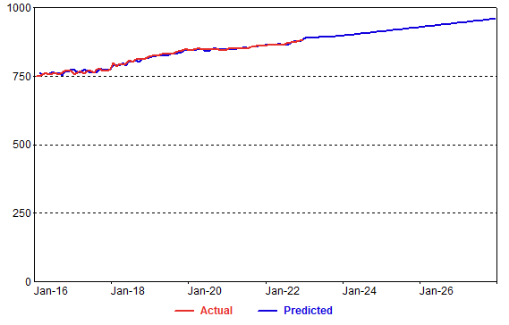
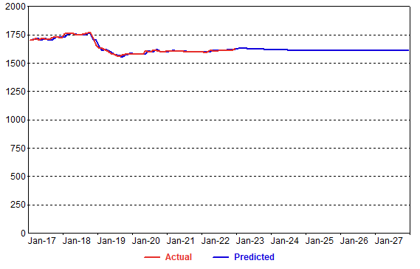
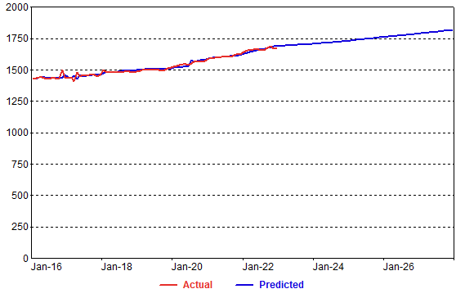
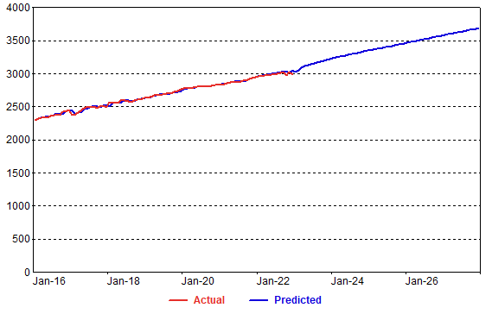

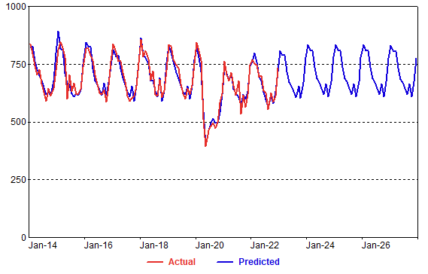
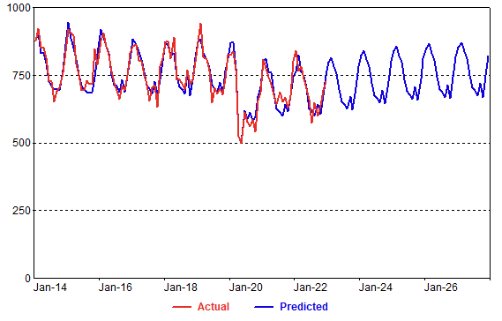
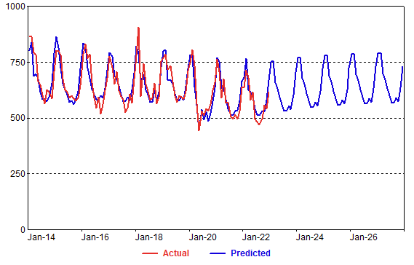
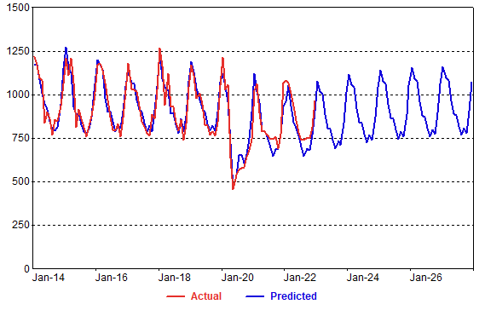
SmlCom AvgUse
